Exportar_resultados_AP
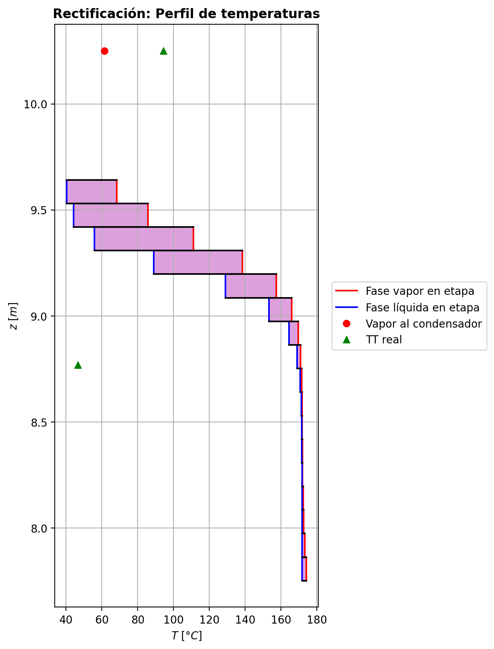
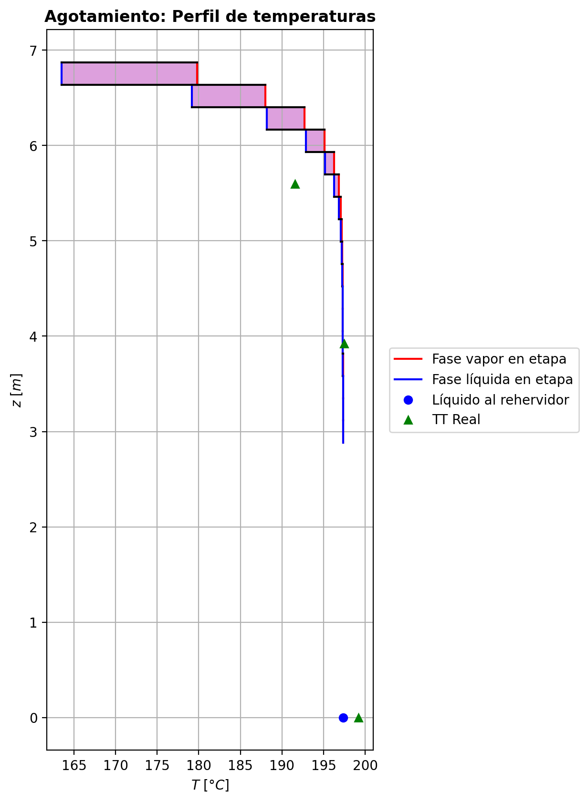
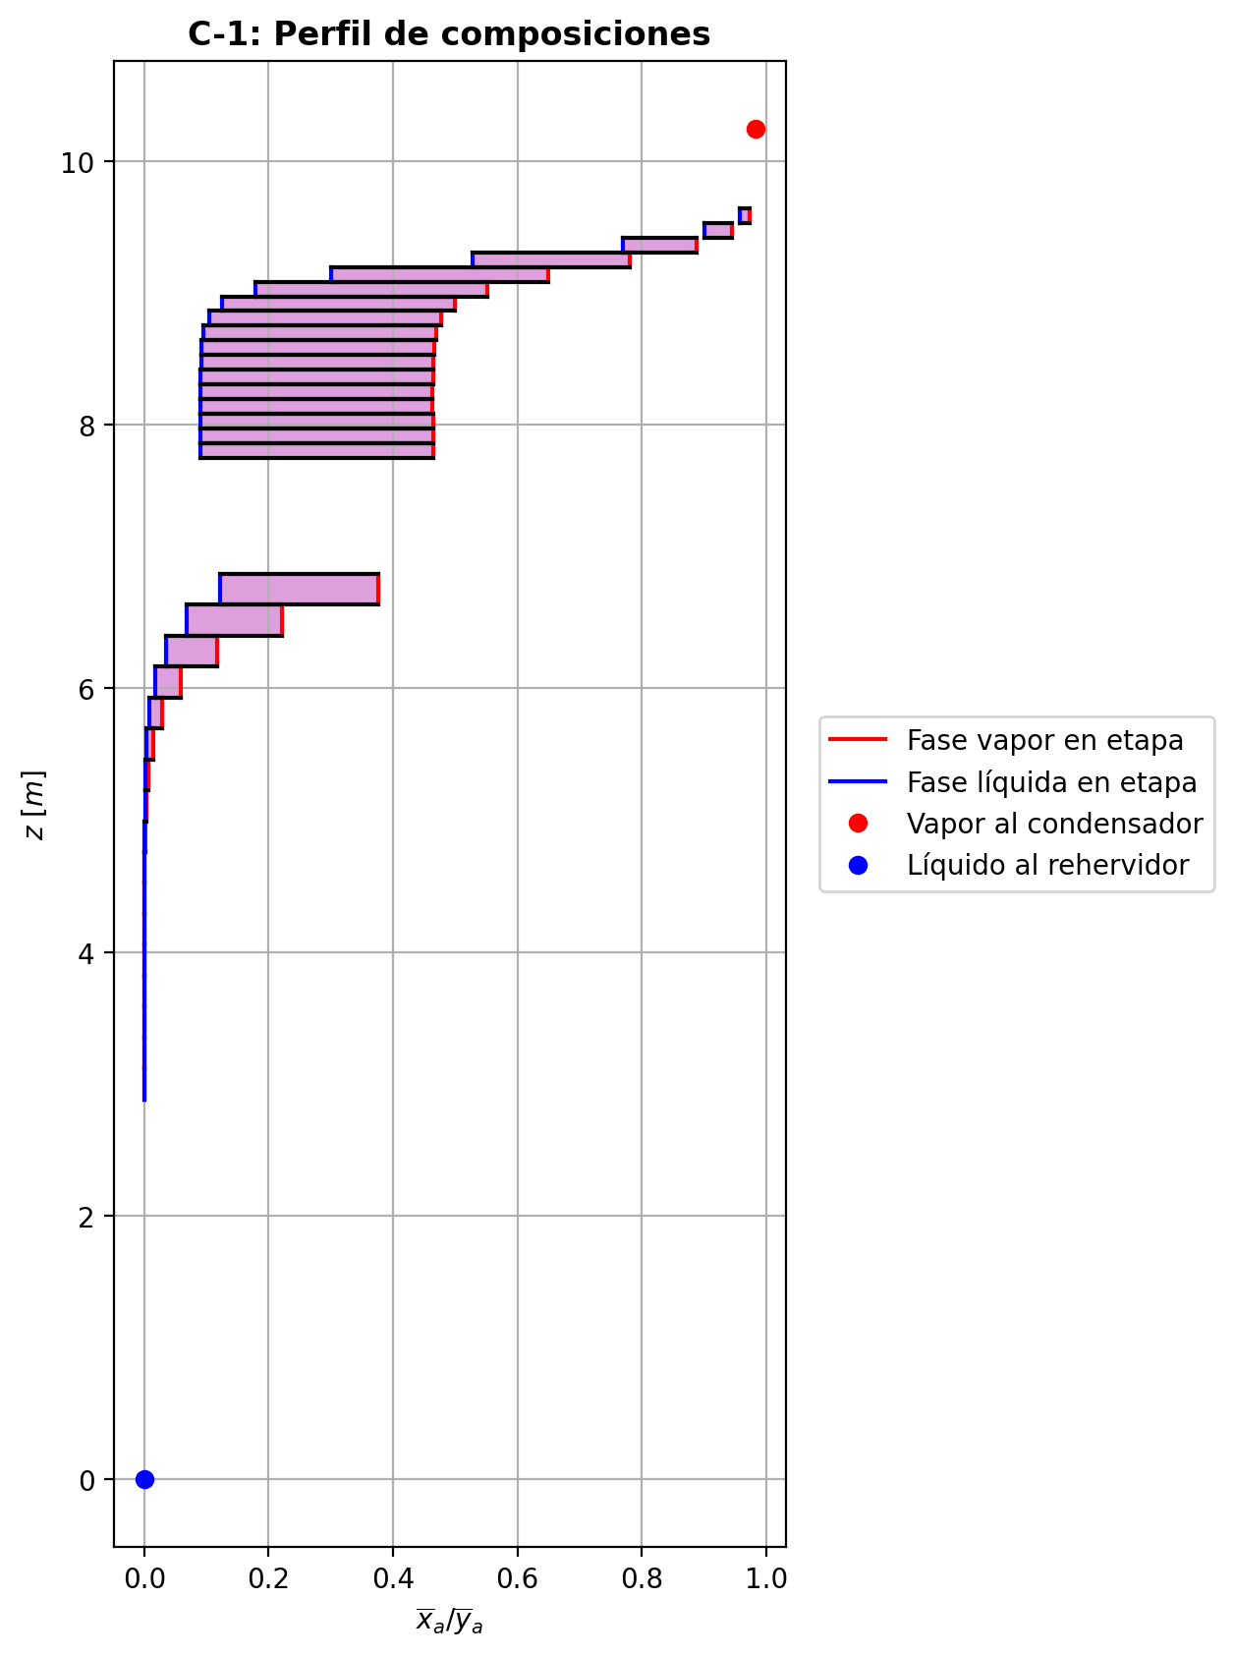
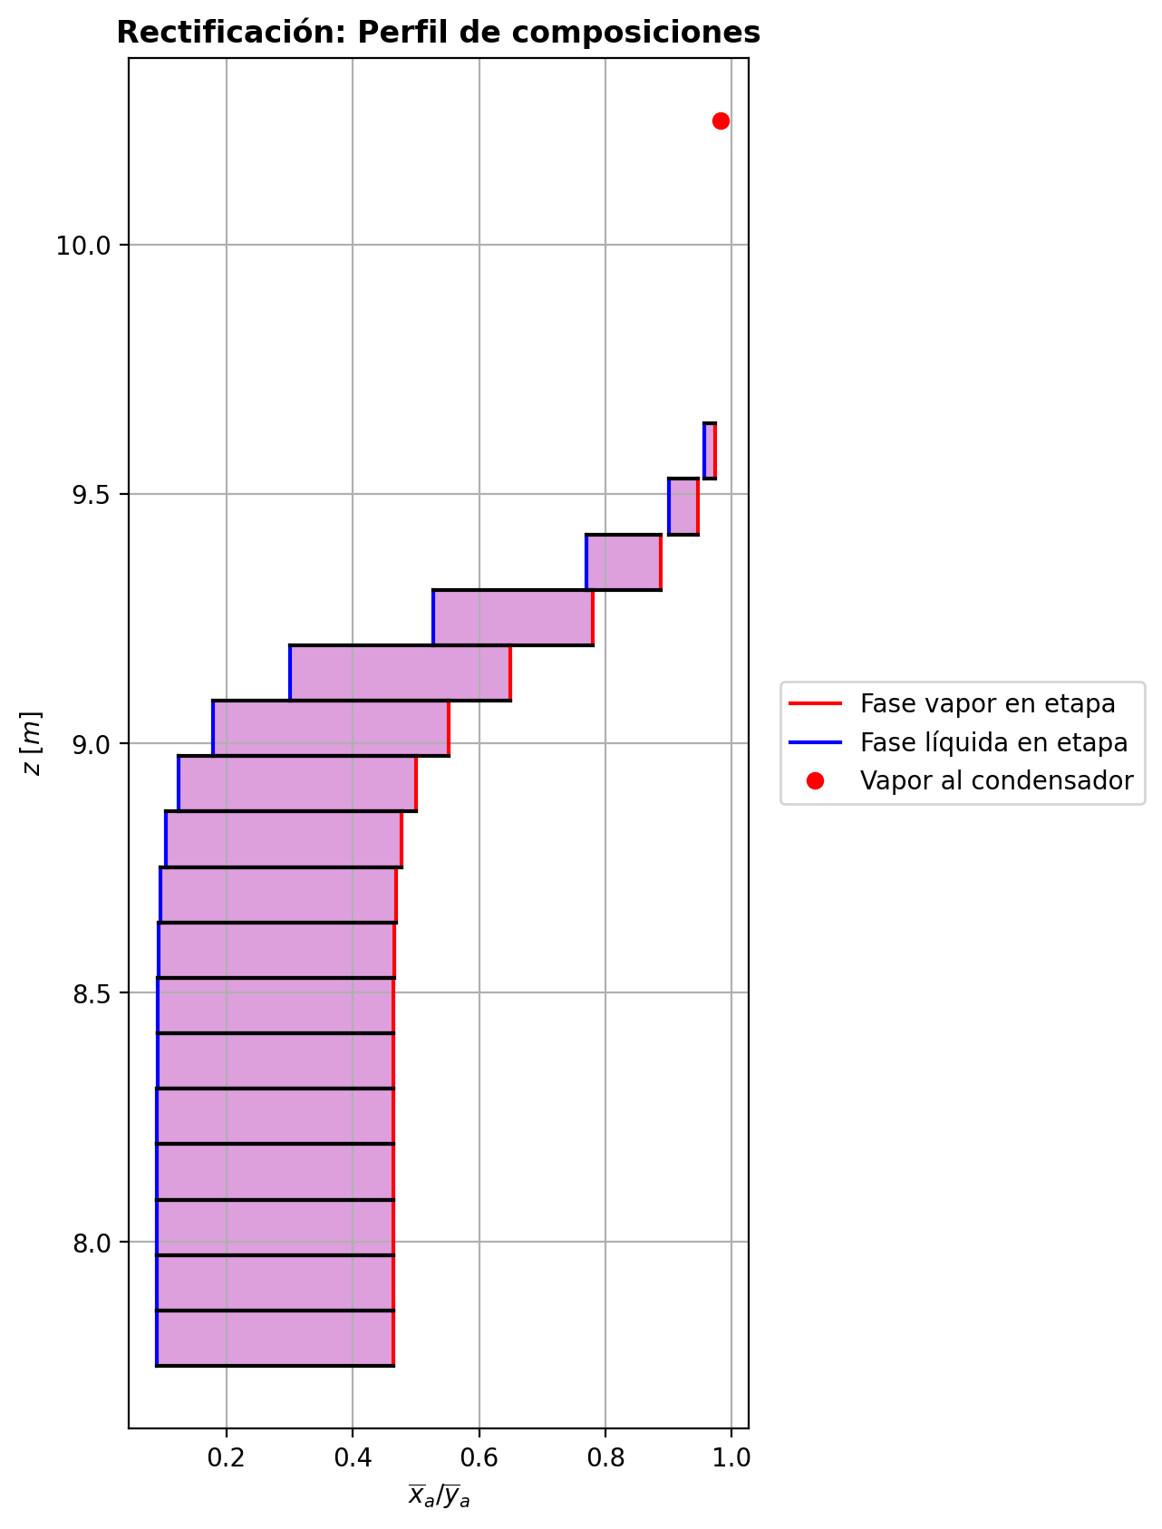
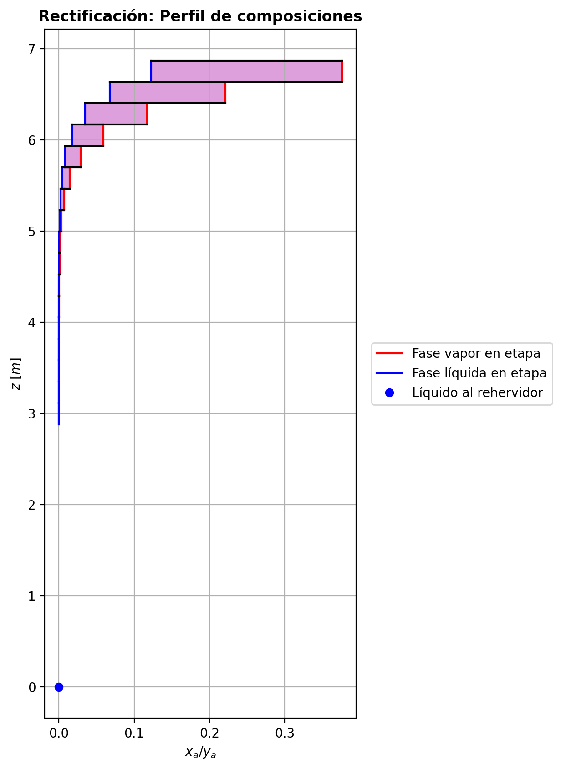
$${\left[N_{t}=N_{a}+N_{w} \right]}_{2}$$
$${\left[N_{t}=N_{a}+N_{w} \right]}_{ps1+ps2−3}$$
$$F_{fría}^{l}+F_{caliente}^{l}=P_{fría}^{l}+P_{caliente}^{l}$$
$${\left[J_{a}^{g}=Γ^{g,b}ρ^{g,b}k_{bm}^{g}a_{ef}A_{tr}Z\left(y_{a}^{b}−y_{a}^{I}\right)\right]}_{2}$$
$${\left(N_{t}\right)}_{2}=V_{3}−V_{2}=L_{2}−{\left(L_{1}−P^{l}\right)}_{E−3}$$
$${\left[J_{a}^{g}=Γ^{g,b}ρ^{g,b}k_{bm}^{g}a_{ef}A_{tr}Z\left(y_{a}^{b}−y_{a}^{I}\right)\right]}_{s}$$
$${\left[N_{t}=N_{a}+N_{w} \right]}_{s}$$
$${\left[J_{a}^{g}=Γ^{g,b}ρ^{g,b}k_{bm}^{g}a_{ef}A_{tr}Z\left(y_{a}^{b}−y_{a}^{I}\right)\right]}_{ps1+ps2−3}$$
Caso | 33 |  |  | Economizador E-1 |  |  |  |  |  |  |  |  | Condensador E-3 (s=1) |  |  |  |  |  |  |  |  | s=2 |  |  |  |  |  |  |  |  |  |  |  |  |  |  | s={3,…,ps1+ps2-4} |  |  |  |  |  |  |  |  |  |  |  |  |  |  |  | s=ps1+ps2-3 |  |  |  |  |  |  |  |  |  |  |  |  |  |  |  |  | Rehervidor E-2 (s=ps1+ps2-2)
ps1 | 19 |  | Representación y balances |  |  |  |  |  |  |  |  |  |  |  |  |  |  |  |  |  |  | Atr [m2] | 0.15904312809 |  |  |  |  |  |  |  |  |  |  |  |  |  | s |  | Atr [m2] | 0.15904312809 |  |  |  |  |  |  |  |  |  |  |  |  | Atr [m2] | 0.15904312809
ps2 | 19 |  |  | Pl [kmol/h]= | 37.8321184 | Fl [kmol/h]= | 48.0624645 | Balance de Masa Total [kmol/h] |  |  |  |  | V2 [kmol/h]= | 36.800407 |  |  | Balance de Masa Total [kmol/h] |  |  |  |  |  | V2 [kmol/h]= | 36.800407 |  |  | L1-Pl en E-3 [kmol/h]= | 26.5700627 |  | Balance de Masa Total [kmol/h] |  |  |  |  |  |  |  |  | Vs [kmol/h]= | #VALUE! |  |  | Ls-1 [kmol/h]= | #VALUE! |  | Balance de Masa Total [kmol/h] |  |  |  |  |  |  |  |  | Vps1+ps2-3 [kmol/h]= | 30.2113477 |  |  | Lps1+ps2-4 [kmol/h]= | 68.0434679 |  | Balance de Masa Total [kmol/h] |  |  |  |  |  |  |  | Lps1+ps2-3 [kmol/h]= | 68.0435799 | Vps1+ps2-2 [kmol/h]= | 5.52906542E-10 |  |  | Balance de Masa Total [kmol/h]
$$V_{2}=L_{1}$$
$${\left[J_{a}^{l}=Γ^{l,b}ρ^{l,b}k_{bm}^{l}a_{ef}A_{tr}Z\left(x_{a}^{I}−x_{a}^{b}\right)\right]}_{2}$$
$${\left[J_{a}^{l}=Γ^{l,b}ρ^{l,b}k_{bm}^{l}a_{ef}A_{tr}Z\left(x_{a}^{I}−x_{a}^{b}\right)\right]}_{s}$$
$${\left(N_{t}\right)}_{s}=V_{s+1}−V_{s}=L_{s}−L_{s−1}−F_{s}^{l}$$
$${\left[J_{a}^{l}=Γ^{l,b}ρ^{l,b}k_{bm}^{l}a_{ef}A_{tr}Z\left(x_{a}^{I}−x_{a}^{b}\right)\right]}_{ps1+ps2−3}$$
$${\left(N_{t}\right)}_{ps1+ps2−3}=V_{ps1+ps2−2}−V_{ps1+ps2−3}+F_{ps1+ps2−3}^{g}=L_{ps1+ps2−3}−L_{ps1+ps2−4}−F_{ps1+ps2−3}^{l}$$
$$L_{ps1+ps2−3}=P_{ps1+ps2−2}^{g}+P_{ps1+ps2−2}^{l}+V_{ps1+ps2−2}$$
flowmode1 | VPLUG |  |  | T [°C]= | 66.8461237 | T [°C]= | 20 |  |  |  |  |  | T [°C]= | 61.3353818 |  |  |  |  |  |  |  |  | T [°C]= | 61.3353818 |  |  | T [°C]= | 38.7311191 |  |  |  |  |  |  |  |  |  |  | T [°C]= | #VALUE! |  |  | T [°C]= | #VALUE! |  |  |  |  |  |  |  |  |  |  | T [°C]= | 197.325806 |  |  | T [°C]= | 197.324734 |  |  |  |  |  |  |  |  |  | T [°C]= | 197.325733 | T [°C]= | 197.325731 | Pg [kmol/h]= | 30.2114596
$${\left[Q^{g}=k_{h}^{g}a_{ef}A_{tr}Z\left(T^{g,b}−T^{I}\right)\right]}_{2}$$
$${\left[Q^{g}=k_{h}^{g}a_{ef}A_{tr}Z\left(T^{g,b}−T^{I}\right)\right]}_{s}$$
$${\left[Q^{g}=k_{h}^{g}a_{ef}A_{tr}Z\left(T^{g,b}−T^{I}\right)\right]}_{ps1+ps2−3}$$
$${f_{v}\left(L−P^{l}\right)}_{ps1+ps2−2}=P_{ps1+ps2−2}^{g}$$
flowmode2 | VPLUG |  |  | P [bar]= | 14.6889773 | P [bar]= | 18.6326 |  | 85.8945829 | = | 85.8945829 |  | P [bar]= | 14.6937395 |  |  |  | 36.800407 | = | 36.800407 |  |  | P [bar]= | 14.6937395 |  |  | P [bar]= | 14.6937395 |  |  | -2.018893819 | = | -2.0188939 | = | -2.0188938 |  |  |  | P [bar]= | #VALUE! |  |  | P [bar]= | #VALUE! |  |  | #VALUE! | = |  | = | #VALUE! |  |  |  | P [bar]= | 14.6983929 |  |  | P [bar]= | 14.698199 |  |  |  | 0.000111984411 | = | 0.00011190055291 | = | 0.000112 |  | P [bar]= | 14.6983929 | P [bar]= | 14.6985868 | T [°C]= | 197.326587
$${\left[Q^{l}=k_{h}^{l}a_{ef}A_{tr}Z\left(T^{I}−T^{l,b}\right)\right]}_{2}$$
$${\left[Q^{l}=k_{h}^{l}a_{ef}A_{tr}Z\left(T^{I}−T^{l,b}\right)\right]}_{s}$$
$${\left[Q^{l}=k_{h}^{l}a_{ef}A_{tr}Z\left(T^{I}−T^{l,b}\right)\right]}_{ps1+ps2−3}$$
simtype | 0 |  |  | xa molar= | 1.74040112E-07 | xa molar= | 0.209145562 |  |  |  |  |  | ya molar= | 0.982568204 |  |  |  |  |  |  |  | z top [m]= | ya molar= | 0.982568204 |  |  | xa molar= | 0.982568204 |  |  |  |  |  |  |  |  |  | z top [m]= | ya molar= | #VALUE! |  |  | xa molar= | #VALUE! |  |  |  |  |  |  |  |  |  | z top [m]= | ya molar= | 4.40932148E-06 |  |  | xa molar= | 2.54787599E-06 |  |  |  |  |  |  |  |  |  | xa molar= | 1.06196234E-06 | ya molar= | 6.67118676E-06 | P [bar]= | 14.6985868 |  |  | 68.0435799 | = | 68.043578001
$${\left(N_{a}\right)}_{ps1+ps2−3}={\left(Vy_{a}\right)}_{ps1+ps2−2}−{\left(Vy_{a}\right)}_{ps1+ps2−3}+{\left(F^{g}y_{a}\right)}_{ps1+ps2−3}={\left(Lx_{a}\right)}_{ps1+ps2−3}−{\left(Lx_{a}\right)}_{ps1+ps2−4}−{\left(F^{l}x_{a}\right)}_{ps1+ps2−3}$$
pborde1 | - |  |  | h [kJ/kmol]= | -282657.559 | h [kJ/kmol]= | -243616.793 | Balance de Masa Amoníaco [kmol/h] |  |  |  |  | h [kJ/kmol]= | -49205.9255 |  |  | Balance de Masa Amoníaco [kmol/h] |  |  |  |  | 9.6416 | h [kJ/kmol]= | -49205.9255 |  |  | h [kJ/kmol]= | -69886.5336 |  | Balance de Masa Amoníaco [kmol/h] |  |  |  |  |  |  |  | #VALUE! | h [kJ/kmol]= | #VALUE! |  |  | h [kJ/kmol]= | #VALUE! |  | Balance de Masa Amoníaco [kmol/h] |  |  |  |  |  |  |  | 3.1153058824 | h [kJ/kmol]= | -237450.845 |  |  | h [kJ/kmol]= | -272583.118 |  | Balance de Masa Amoníaco [kmol/h] |  |  |  |  |  |  |  | h [kJ/kmol]= | -272583.349 | h [kJ/kmol]= | -237450.425 | ya molar= | 1.06267419E-06 |  |  | 30.211461497 | = | 30.2114596
$${\left(F^{l}x_{a,F}\right)}_{fría}+{\left(F^{l}x_{a,F}\right)}_{caliente}={\left(P^{l}x_{a,P}\right)}_{fría}+{\left(P^{l}x_{a,P}\right)}_{caliente}$$
$${\left(Vy_{a}\right)}_{2}={\left(Lx_{a}\right)}_{1}$$
$${\left(N_{a}\right)}_{2}={\left(Vy_{a}\right)}_{3}−{\left(Vy_{a}\right)}_{2}={\left(Lx_{a}\right)}_{2}−{\left[\left(L_{1}−P^{l}\right)x_{a}\right]}_{E−3}$$
$${\left(N_{a}\right)}_{s}={\left(Vy_{a}\right)}_{s+1}−{\left(Vy_{a}\right)}_{s}={\left(Lx_{a}\right)}_{s}−{\left(Lx_{a}\right)}_{s−1}−{\left(F^{l}x_{a}\right)}_{s}$$
nborde1 | - |  |  |  |  |  |  |  |  |  |  |  |  |  |  |  |  |  |  |  |  |  |  |  | TI [°C]= | 40.5633429 |  |  |  |  |  |  |  |  |  |  | NO APLICA |  |  |  | TI [°C]= | #VALUE! |  |  |  |  |  |  |  |  |  |  | NO APLICA |  |  |  | TI [°C]= | 197.325762 |  |  |  |  |  |  |  |  |  |  |  |  |  |  |  | h [kJ/kmol]= | -237451.49587
$${\left(N_{a}\right)}_{2}={\left(J_{a}^{g}\right)}_{2}+{\left(N_{t}y_{a}^{b}\right)}_{2}={\left(J_{a}^{l}\right)}_{2}+{\left(N_{t}x_{a}^{b}\right)}_{2}$$
$${\left(N_{a}\right)}_{s}={\left(J_{a}^{g}\right)}_{s}+{\left(N_{t}y_{a}^{b}\right)}_{s}={\left(J_{a}^{l}\right)}_{s}+{\left(N_{t}x_{a}^{b}\right)}_{s}$$
$${\left(N_{a}\right)}_{ps1+ps2−3}={\left(J_{a}^{g}\right)}_{ps1+ps2−3}+{\left(N_{t}y_{a}^{b}\right)}_{ps1+ps2−3}={\left(J_{a}^{l}\right)}_{ps1+ps2−3}+{\left(N_{t}x_{a}^{b}\right)}_{ps1+ps2−3}$$
pborde2 | - |  |  |  |  |  |  |  | 10.052057733 | = | 10.052057733 |  |  |  |  |  |  | 36.158909812 | = | 36.158909812 |  |  | V2b [kmol/h]= | 35.79096005 | yaI molar= | 0.999878815 | L2b [kmol/h]= | 24.5511689 |  |  |  |  |  |  |  |  | Fl Alimentación [kmol/h]= | #VALUE! | Vsb [kmol/h]= | #VALUE! | yaI molar= | #VALUE! | Lsb [kmol/h]= | #VALUE! |  |  |  |  |  |  |  |  | Fl Alimentación [kmol/h]= | - | Vps1+ps2-3b [kmol/h]= | 20.140935767 | yaI molar= | 5.65417478E-06 | Lps1+ps2-3b [kmol/h]= | 68.0435799 |  |  |  |  |  |  |  |  |  |  |  |  |  |  |  | Balance de Masa Amoníaco [kmol/h]
$${\left(Lx_{a}\right)}_{ps1+ps2−3}={\left(P^{g}y_{a}\right)}_{ps1+ps2−2}+{\left(P^{l}y_{a}\right)}_{ps1+ps2−2}+{\left(Vy_{a}\right)}_{ps1+ps2−2}$$
nborde2 | - |  |  | Q̇ [kJ/h]= |  |  |  |  |  |  |  |  | Q̇ [kJ/h]= |  |  |  |  |  |  |  |  |  | Tg,b [°C]= | 68.21592465 | xaI molar= | 0.942076782 | Tl,b [°C]= | 40.4570107 |  |  | -2.61262723 | = | -2.6126272991 | = | -2.6126272159 |  | T [°C]= | #VALUE! | Tg,b [°C]= | #VALUE! | xaI molar= | #VALUE! | Tl,b [°C]= | #VALUE! |  |  | #VALUE! | = |  | = | #VALUE! |  | T [°C]= | - | Tg,b [°C]= | 197.32604133 | xaI molar= | 8.99730679E-07 | Tl,b [°C]= | 197.325733 |  |  |  | -0.000101106594 | = | -0.00010110660599 | = | -0.00010110659881
$$\dot{Q}={{\left(P^{l}h_{P}\right)}_{fría}−\left(F^{l}h_{F}\right)}_{fría}$$
$${\left[\left(L−P^{l}\right)x_{a}\right]}_{ps1+ps2−2}={\left(P^{g}y_{a}\right)}_{ps1+ps2−2}+{\left[\left(L−P^{l}−P^{g}\right)x_{a}\right]}_{ps1+ps2−2}$$
Molar RR | 2.59718168 |  |  | 381124.334 |  |  |  | Balance de Energía [kJ/h] |  |  |  |  | 761054.793 |  |  |  | Balance de Energía [kJ/h] |  |  |  |  |  | P [bar]= | 14.6937395 | Na [kmol/h]= | -2.61262723 | P [bar]= | 14.6937395 |  |  | -2.61262723 | = | -2.61262723 | = | -2.61262723 |  | P [bar]= | #VALUE! | P [bar]= | #VALUE! | Na [kmol/h]= | #VALUE! | P [bar]= | #VALUE! |  |  | #VALUE! | = | #VALUE! | = | #VALUE! |  | P [bar]= | - | P [bar]= | 14.6983929 | Na [kmol/h]= | -0.000101106594 | P [bar]= | 14.6983929 |  |  |  | -0.000101106594 | = | -0.000101106594 | = | -0.000101106594 |  |  |  | Lps1+ps2-2-Pl-Pg [kmol/h]= | 0.0302436
$$\dot{Q}={\left(Vh\right)}_{2}−{\left(Lh\right)}_{1}$$
Molar BR | 0.798566388 |  |  |  |  |  |  |  |  |  |  |  |  |  |  |  |  |  |  |  |  |  | yab molar= | 0.973527103 | Nw [kmol/h]= | 0.593733411 | xab molar= | 0.956951242 |  |  |  |  |  |  |  |  | xa molar= | #VALUE! | yab molar= | #VALUE! | Nw [kmol/h]= | #VALUE! | xab molar= | #VALUE! |  |  |  |  |  |  |  |  | xa molar= | - | yab molar= | 4.0477274767E-06 | Nw [kmol/h]= | 0.000213091005 | xab molar= | 1.06196234E-06 |  |  |  |  |  |  |  |  |  |  |  | T [°C]= | 197.326587 |  |  |  |  | 7.2259719333E-05 | = | 3.8689244486E-05
$$\dot{Q}={\left(F^{l}h_{F}\right)}_{caliente}−{\left(P^{l}h_{P}\right)}_{caliente}$$
$$E_{ps1+ps2−3}={\left(Vh\right)}_{ps1+ps2−2}−{\left(Vh\right)}_{ps1+ps2−3}+{\left(F^{g}h\right)}_{ps1+ps2−3}={\left(Lh\right)}_{ps1+ps2−3}−{\left(Lh\right)}_{ps1+ps2−4}−{\left(F^{l}h\right)}_{ps1+ps2−3}$$
Molar fv Reboiler | 0.999 |  |  |  |  |  |  |  |  |  |  |  | L1 [kmol/h]= | 36.800407 |  |  |  | 761054.793 | = | 761054.79509 |  |  |  |  | Nt [kmol/h]= | -2.018893819 |  |  |  | Balance de Energía [kJ/h] |  |  |  |  |  |  | h [kJ/kmol]= | #VALUE! |  |  | Nt [kmol/h]= | #VALUE! |  |  |  | Balance de Energía [kJ/h] |  |  |  |  |  |  | h [kJ/kmol]= | - |  |  | Nt [kmol/h]= | 0.000111984411 |  |  |  | Balance de Energía [kJ/h] |  |  |  |  |  |  |  |  |  | P [bar]= | 14.6985868 |  |  |  |  | 3.2103554524E-05 | = | 3.2110052569E-05
$$E_{2}={\left(Vh\right)}_{3}−{\left(Vh\right)}_{2}={\left(Lh\right)}_{2}−{\left[\left(L_{1}−P^{l}\right)h\right]}_{E−3}$$
$$E_{s}={\left(Vh\right)}_{s+1}−{\left(Vh\right)}_{s}={\left(Lh\right)}_{s}−{\left(Lh\right)}_{s−1}−{\left(F^{l}h\right)}_{s}$$
$$E_{ps1+ps2−3}={\left(Q^{g}\right)}_{ps1+ps2−3}+{\left(ΣN_{i}{\hat{h}}_{i}^{g,b}\right)}_{ps1+ps2−3}={\left(Q^{l}\right)}_{ps1+ps2−3}+{\left(ΣN_{i}{\hat{h}}_{i}^{l,b}\right)}_{ps1+ps2−3}$$
Mass xa Distillate | 0.981578851 |  |  | Fl=Pl en E-2 [kmol/h]= | 37.8321184 | Pl=Fl Alimentación [kmol/h]= | 48.0624645 |  | 381124.334 | = | 381124.33718 |  | T [°C]= | 38.7311191 |  |  |  |  |  |  |  |  |  |  | E [kJ/h]= | -2471.79145 |  |  |  |  |  |  |  |  |  |  |  |  |  |  | E [kJ/h]= | #VALUE! |  |  |  |  |  |  |  |  |  |  |  |  |  |  | E [kJ/h]= | -46.245179 |  |  |  |  |  |  |  |  |  |  |  |  |  | xa molar= | 1.69100572E-07
$$E_{2}={\left(Q^{g}\right)}_{2}+{\left(ΣN_{i}{\hat{h}}_{i}^{g,b}\right)}_{2}={\left(Q^{l}\right)}_{2}+{\left(ΣN_{i}{\hat{h}}_{i}^{l,b}\right)}_{2}$$
$$E_{s}={\left(Q^{g}\right)}_{s}+{\left(ΣN_{i}{\hat{h}}_{i}^{g,b}\right)}_{s}={\left(Q^{l}\right)}_{s}+{\left(ΣN_{i}{\hat{h}}_{i}^{l,b}\right)}_{s}$$
Mass xa Bottoms | 1.64527035E-07 |  |  | T [°C]= | 197.325731 | T [°C]= | 113.651577 |  | 381124.334 | = | 381124.31698 |  | P [bar]= | 14.6937395 |  |  | Relación |  |  |  |  | z lower [m]= | V3 [kmol/h]= | 34.7815131 |  |  | L2 [kmol/h]= | 24.5511689 |  |  |  |  |  |  |  |  |  | z lower [m]= | Vs+1 [kmol/h]= |  |  |  | Ls [kmol/h]= | #VALUE! |  |  |  |  |  |  |  |  |  | z lower [m]= | Vps1+ps2-2 [kmol/h]= | 5.52906542E-10 | Fg=Pg en E-2 [kmol/h]= | 30.2114596 | Lps1+ps2-3 [kmol/h]= | 68.0435799 |  |  |  |  |  |  |  |  |  |  |  | h [kJ/kmol]= | -272583.46795 |  | Q̇ [kJ/h]= | Balance de Energía [kJ/h]
$$RR=\frac{L_{1}−{\left(P^{l}\right)}_{1}}{{\left(P^{l}\right)}_{1}}$$
$${\left(Lh\right)}_{ps1+ps2−3}={\left(P^{g}h\right)}_{ps1+ps2−2}+{\left(P^{l}h\right)}_{ps1+ps2−2}+{\left(Vh\right)}_{ps1+ps2−2}−\dot{Q}$$
 |  |  |  | P [bar]= | 14.6988057 | P [bar]= | 18.6125587 |  |  |  |  |  | xa molar= | 0.982568204 |  |  |  |  |  |  |  | 9.5304235294 | T [°C]= | 75.0964675 |  |  | T [°C]= | 40.4570107 |  |  | -2471.79145 | = | -2471.7892391 | = | -2471.7932948 |  |  | #VALUE! | T [°C]= |  |  |  | T [°C]= | #VALUE! |  |  | #VALUE! | = |  | = | #VALUE! |  |  | 2.8806 | T [°C]= | 197.325731 | T [°C]= | 197.326587 | T [°C]= | 197.325733 |  |  |  | -46.245179 | = | -46.234635659 | = | -46.247376174 |  |  |  |  |  |  | 1061384.57
$$\dot{Q}={\left(P^{g}h\right)}_{ps1+ps2−2}−{\left[\left(L−P^{l}\right)h\right]}_{ps1+ps2−2}+{\left[\left(L−P^{l}−P^{g}\right)h\right]}_{ps1+ps2−2}$$
 |  |  |  | xa molar= | 1.74040112E-07 | xa molar= | 0.209145562 |  |  |  |  |  | h [kJ/kmol]= | -69886.5336 |  |  |  | 2.59718168 | = | 2.5971816706 |  |  | P [bar]= | 14.6938544 |  |  | P [bar]= | 14.6937395 |  |  | -2471.79145 | = | -2471.7915 | = | -2471.79144 |  |  |  | P [bar]= |  |  |  | P [bar]= | #VALUE! |  |  | #VALUE! | = | #VALUE! | = | #VALUE! |  |  |  | P [bar]= | 14.6985868 | P [bar]= | 14.6985868 | P [bar]= | 14.6983929 |  |  |  | -46.245179 | = | -46.245178967 | = | -46.24517902
 |  |  |  | h [kJ/kmol]= | -272583.465 | h [kJ/kmol]= | -235687.022 |  |  |  |  |  |  |  |  |  |  |  |  |  |  | Z [m]= | ya molar= | 0.964486002 |  |  | xa molar= | 0.956951242 |  |  |  |  |  |  |  |  |  | Z [m]= | ya molar= |  |  |  | xa molar= | #VALUE! |  |  |  |  |  |  |  |  |  | Z [m]= | ya molar= | 6.67118676E-06 | ya molar= | 1.06267419E-06 | xa molar= | 1.06196234E-06 |  |  |  |  |  |  |  |  |  |  |  |  |  |  |  |  |  | -18547546.887 | = | -18547550.766
 |  |  |  |  | Caliente | Fría |  |  |  |  |  |  | L1-Pl [kmol/h]= | 26.5700627 | Pl [kmol/h]= | 10.2303443 |  |  |  |  |  | 0.11117647059 | h [kJ/kmol]= | -52133.151 |  |  | h [kJ/kmol]= | -75734.1282 |  |  |  |  |  |  |  |  |  | #VALUE! | h [kJ/kmol]= |  |  |  | h [kJ/kmol]= | #VALUE! |  |  |  |  |  |  |  |  |  | 0.23470588235 | h [kJ/kmol]= | -237450.425 | h [kJ/kmol]= | -237451.49587 | h [kJ/kmol]= | -272583.349 |  |  |  |  |  |  |  |  |  | Pl [kmol/h]= | 37.8321184 | Lps1+ps2-2-Pl [kmol/h]= | 30.2417032 |  |  |  |  | 1061384.57 | = | 1061384.5825
 |  |  |  |  |  |  |  |  |  |  |  |  | T [°C]= | 38.7311191 | T [°C]= | 38.7311191 |  |  |  |  |  |  |  | Vapor |  |  | Líquido |  |  |  |  |  |  |  |  |  |  |  |  | Vapor |  |  | Líquido |  |  |  |  |  |  |  |  |  |  |  |  | Vapor |  |  | Líquido |  |  |  |  |  |  |  |  |  |  | T [°C]= | 197.325731 | T [°C]= | 197.325731
$$f_{v}=\frac{P_{ps1+ps2−2}^{g}}{{\left(L−P^{l}\right)}_{ps1+ps2−2}}$$
 |  |  |  |  |  |  |  |  |  |  |  |  | P [bar]= | 14.6937395 | P [bar]= | 14.6937395 |  |  |  |  |  | Transferencia de masa y calor |  |  |  |  |  |  |  |  |  |  |  |  |  |  |  | Transferencia de masa y calor |  |  |  |  |  |  |  |  |  |  |  |  |  |  |  | Transferencia de masa y calor |  |  |  |  |  |  |  |  |  |  |  |  |  |  |  | P [bar]= | 14.6988057 | P [bar]= | 14.6985868 |  |  | Relación
$$BR=\frac{P_{ps1+ps2−2}^{g}}{P_{ps1+ps2−2}^{l}}$$
 |  |  |  |  |  |  |  |  |  |  |  |  | xa molar= | 0.982568204 | xa molar= | 0.982568204 |  |  |  |  |  | Difusión |  | Convección |  | aef [m2/m3] | 521.25135528 | khg [kJ/h·m2·°C] | 92.02503096 |  |  |  |  |  |  |  |  | Difusión |  | Convección |  | aef [m2/m3] | #VALUE! | khg [kJ/h·m2·°C] | #VALUE! |  |  |  |  |  |  |  |  | Difusión |  | Convección |  | aef [m2/m3] | 415.92328333 | khg [kJ/h·m2·°C] | 69.7853664 |  |  |  |  |  |  |  |  | xa molar= | 1.74040112E-07 | xa molar= | 1.06156569E-06
 |  |  |  |  |  |  |  |  |  |  |  |  | h [kJ/kmol]= | -69886.5336 | h [kJ/kmol]= | -69886.5336 |  |  |  |  |  | Jag [kmol/h]= | -0.64717937912 | Ntyab [kmol/h]= | -1.9654478509 | kbmg [m/h] | 4.4137414637 | khl [kJ/h·m2·°C] | 3607.451568 |  |  |  |  |  |  |  |  | Jag [kmol/h]= | #VALUE! | Ntyab [kmol/h]= | #VALUE! | kbmg [m/h] | #VALUE! | khl [kJ/h·m2·°C] | #VALUE! |  |  |  |  |  |  |  |  | Jag [kmol/h]= | -0.00010110704728 | Ntyab [kmol/h]= | 4.5328237736E-10 | kbmg [m/h] | 5.400156163 | khl [kJ/h·m2·°C] | 12122.692128 |  |  |  |  |  |  |  |  | h [kJ/kmol]= | -272583.465 | h [kJ/kmol]= | -272583.34981
 |  |  |  |  |  |  |  |  |  |  |  |  |  |  |  |  |  |  |  |  |  | Jal [kmol/h]= | -0.68064428244 | Ntxab [kmol/h]= | -1.9319829476 | kbml [m/h] | 0.14073280958 |  |  |  |  |  |  |  |  |  |  | Jal [kmol/h]= | #VALUE! | Ntxab [kmol/h]= | #VALUE! | kbml [m/h] | #VALUE! |  |  |  |  |  |  |  |  |  |  | Jal [kmol/h]= | -0.00010110671292 | Ntxab [kmol/h]= | 1.1892322715E-10 | kbml [m/h] | 0.83334986899 |  |  |  |  |  |  |  |  |  |  |  |  |  |  |  |  |  |  | 0.798566388 | = | 0.79856642656
 |  |  |  |  |  |  |  |  |  |  |  |  | Nota: En lo exportado de Aspen Plus, deben ser iguales las propiedades en la salida líquida (al ser un divisor). Se usan promedios en T, P, xa y h en L1-Pl para validarlo. |  |  |  |  |  |  |  |  | Qg [kJ/h]= | 17618.1413 | ΣNiĥig,b [kJ/h]= | -20089.9328 | Γg,b | 1.042864292 |  |  |  |  |  |  |  |  |  |  | Qg [kJ/h]= | #VALUE! | ΣNiĥig,b [kJ/h]= | #VALUE! | Γg,b | #VALUE! |  |  |  |  |  |  |  |  |  |  | Qg [kJ/h]= | 0.0477029331 | ΣNiĥig,b [kJ/h]= | -46.2928819 | Γg,b | 1.8165171153 |  |  |  |  |  |  |  |  |  |  | Q̇ [kJ/h] mediante la suposición de estado cuasi-estacionario del aceite térmico= |  |  |  |  | 1098528.7078 |  |  | 0.999 | = | 0.99899993728
$$\dot{Q}={\overline{L}}_{t66}\left[{\overline{h}}_{t66}\left(TT−6\right)−{\overline{h}}_{t66}\left(TT−7\right)\right]$$
 |  |  |  |  |  |  |  |  |  |  |  |  |  |  |  |  |  |  |  |  |  | Ql [kJ/h]= | 3535.41588 | ΣNiĥil,b [kJ/h]= | -6007.20732 | Γl,b | 1.0006144037 |  |  |  |  |  |  |  |  |  |  | Ql [kJ/h]= | #VALUE! | ΣNiĥil,b [kJ/h]= | #VALUE! | Γl,b | #VALUE! |  |  |  |  |  |  |  |  |  |  | Ql [kJ/h]= | 5.49434918 | ΣNiĥil,b [kJ/h]= | -51.7395282 | Γl,b | 1.0000130617
 |  |  |  |  |  |  |  |  |  |  |  |  |  |  |  |  |  |  |  |  |  |  |  |  |  |  |  |  |  |  |  |  |  |  |  |  |  |  |  |  |  |  |  |  |  |  |  |  |  |  |  |  |  |  |  |  |  |  |  |  |  |  |  |  |  |  |  |  |  | TT-6 [°C]= | 230.0281 | FIC-1 [m3/h]= | 84.1997
Economizador |  |  |  |  |  |  |  |  |  |  |  |  |  |  |  |  |  |  |  |  |  |  |  |  |  |  |  |  |  |  |  |  |  |  |  |  |  |  |  |  |  |  |  |  |  |  |  |  |  |  |  |  |  |  |  |  |  |  |  |  |  |  |  |  |  |  |  |  |  | TT-7 [°C]= | 223.4826 | FIC-1 [kmol/h]= | 289.8264014
Ubicación | Flujos |  |  |  | Masa |  |  |  | Energía |  |  |  |  |  |  |  |  | Hidráulica
Equipo | Fl Fría [kmol/h] | Pl Fría [kmol/h] | Fl Caliente [kmol/h] | Pl Caliente [kmol/h] | xa molar en Fl Fría | xa molar en Pl Fría | xa molar en Fl Caliente | xa molar en Pl Caliente | Tl en Fl Fría [°C] | Tl en Pl Fría [°C] | Tl en Fl Caliente [°C] | Tl en Pl Caliente [°C] | Q̇ [kJ/h] | hl en Fl Fría [kJ/kmol] | hl en Pl Fría [kJ/kmol] | hl en Fl Caliente [kJ/kmol] | hl en Pl Caliente [kJ/kmol] | P en Fl Fría [bar] | P en Pl Fría [bar] | P en Fl Caliente [bar] | P en Pl Caliente [bar] |  |  |  |  |  |  |  |  |  |  |  |  |  |  |  |  |  |  |  |  |  |  |  |  |  |  |  |  |  |  |  |  |  |  |  |  |  |  |  |  |  |  |  |  |  |  |  |  | Nota: Las propiedades de Lps1+ps2-2-Pl son las de Lps1+ps2-2, las cuales deben ser iguales a las de Pl, pero por la recirculación en Aspen Plus se exportan valores muy cercanos entre sí. Se calcula h de Lps1+ps2-2-Pl mediante Aspen Custom Modeler para validar la esperada simulitud con la de Pl. Por otra parte, se esperaría que se evapore toda la entrada al Rehervidor, es decir, fv≈1 y por lo tanto, la corriente Lps1+ps2-2-Pl-Pg no existiría o tendría poco efecto en la etapa.
Economizador E-1 | 48.0624645 | 48.0624645 | 37.8321184 | 37.8321184 | 0.209145562 | 0.209145562 | 1.74040112E-07 | 1.74040112E-07 | 20 | 113.651577 | 197.325731 | 66.8461237 | 381124.334 | -243616.793 | -235687.022 | -272583.465 | -282657.559 | 18.6326 | 18.6125587 | 14.6988057 | 14.6889773

Condensador y Rehervidor
Ubicación |  |  | Flujos |  |  |  | Masa |  |  |  | Energía |  |  |  |  |  |  |  |  | Hidráulica |  |  |  |  | Retorno de líquido de E-2 al sumidero |  |  |  |  |  | Caída de presión a sumidero |  |  |  |  |  | Nota: AP no está considerando la caída de presión en el sumidero por el nivel del agua. Lo calcula mediante la altura en la última etapa; pero está presión estática si es muy similar calculada con el nivel del agua.
Equipo | s | z [m] | V [kmol/h] | L [kmol/h] | Pg [kmol/h] | Pl [kmol/h] | ya molar en V | xa molar en L | ya molar en Pg | xa molar en Pl | Tg en V [°C] | Tl en L [°C] | Tg en Pg [°C] | Tl en Pl [°C] | Q̇ [kJ/h] | hg en V [kJ/kmol] | hl en L [kJ/kmol] | hg en Pg [kJ/kmol] | hl en Pl [kJ/kmol] | P en V [bar] | P en L [bar] | P en Pg [bar] | P en Pl [bar] |  | Flujo molar [kmol/h] | xa molar | Tl [°C] | hl [kJ/kmol] | P [bar] |  | z [m] | ρl [kg/m3] | ΔP [bar] AP | P estática [bar] cal | P estática [bar] AP
$$We=\frac{ρU_{sp}^{2}}{a_{p}σ}$$
Condensador E-3 | 1 | 10.2497 | - | 36.800407 | - | 10.2303443 | - | 0.982568204 | - | 0.982568204 | - | 38.7311191 | - | 38.7311191 | -761054.793 | - | -69886.5336 | - | -69886.5336 | - | 14.6937395 | - | 14.6937395 |  | 0.0302436 | 1.69100572E-07 | 197.326587 | -272583.46795 | 14.6985868 |  | 1.440528945 | 867.761177 | 0.0001939 | 0.12258656643 | Ver AP - Nota ❤️ | → | Nota ❤️: En Tab: "C-1 Column Internals INT-1 - Column Hydraulic Results" y valor en "Pressure drop across sump"
$$d_{h}=\frac{4ε}{a_{p}}$$
$$U_{sp}^{g}=\frac{V}{ρA_{tr}}$$
$$U_{sp}^{l}=\frac{L}{ρA_{tr}}$$
$$Sc=\frac{μ}{ρD_{bm}}$$
$$Re=\frac{ρU_{sp}}{a_{p}μ}$$
$$Re=\frac{d_{h}ρU_{sp}}{μ}$$
$$We=\frac{d_{h}ρU_{sp}^{2}}{σ}$$
$$Fr=\frac{a_{p}U_{sp}^{2}}{g_{c}}$$
$$Fr=\frac{U_{sp}^{2}}{g_{c}d_{h}}$$
Rehervidor E-2 | 36 | 0 | 5.52906542E-10 | 68.0738216 | 30.2114596 | 37.8321184 | 6.67118676E-06 | 1.06156569E-06 | 1.06267419E-06 | 1.74040112E-07 | 197.325731 | 197.325731 | 197.326587 | 197.325731 | 1061384.57 | -237450.425 | -272583.34981 | -237451.49587 | -272583.465 | 14.6985868 | 14.6985868 | 14.6985868 | 14.6988057
 |  |  |  |  |  |  |  |  |  |  |  |  |  |  |  |  |  |  |  |  |  |  |  |  |  |  |  |  |  |  |  |  |  |  |  |  |  |  |  |  |  |  |  |  |  |  |  |  |  |  |  |  |  |  |  |  |  |  | Atr [m2] | 0.15904312809 | ε | 0.982 | ap [m2/m3] | 353 | θ [rad] | 0.7853981634 | gc [m/s2] | 9.80665 | dh [m] | 0.011127478754
Etapas |  |  |  |  |  |  |  |  |  |  |  |  |  |  |  |  |  |  |  |  |  |  |  |  |  |  |  |  |  |  |  |  |  |  |  |  |  |  |  |  |  |  |  |  |  |  |  |  |  |  |  |  | Real | Simulación T [°C] |  | Ubicación |  |  | Propiedades de bulk comprobadas en ACM
Ubicación de etapa |  |  |  | Flujos (cumplir balances de matería y energía ME) |  |  |  |  |  | Área R | Transferencia de masa RM |  |  |  |  |  |  |  |  |  |  |  |  |  |  |  |  |  |  | Transferencia de energía RE, cumplir equilibrio Q |  |  |  |  |  |  |  |  |  |  |  |  |  |  |  |  |  | Hidráulica H |  |  |  |  |  | g | l | Etapa | Posición [m] |  | Primarias |  |  |  |  |  |  |  |  |  |  |  |  |  |  | Secundarias |  |  |  |  |  |  |  |  |  |  |  |  |  | Ecs. R |  |  |  |  |  | Aproximaciones propuestas ACM |  |  |  |  |  |  |  |  | Ecs. H ACM | Transferencia de ME e interfase
Zona | s | z top [m] | z lower [m] | Fg [kmol/h] | Fl [kmol/h] | V [kmol/h] | L [kmol/h] | Vb [kmol/h] | Lb [kmol/h] | aefAtrZ [m2] | ya molar en Fg | xa molar en Fl | ya molar en V | yab molar | yaI molar | xaI molar | xab molar | xa molar en L | kbmg [m/h] | kbml [m/h] | Na [kmol/h] | Nw [kmol/h] | Nt [kmol/h] | Jag [kmol/h] | Γg,b≈1 | Ntyab [kmol/h] | Jal [kmol/h] | Γl,b | Ntxab [kmol/h] | Tg en Fg [°C] | Tl en Fl [°C] | Tg [°C] | Tg,b [°C] | TI [°C] | Tl,b [°C] | Tl [°C] | khg [kJ/h·m2·°C] | khl [kJ/h·m2·°C] | E [kJ/h] | Qg [kJ/h] | ΣNiĥig,b [kJ/h] | Ql [kJ/h] | ΣNiĥil,b [kJ/h] | hg en Fg [kJ/kmol] | hl en Fl [kJ/kmol] | hg en V [kJ/kmol] | hl en L [kJ/kmol] | P en Fg [bar] | P en Fl [bar] | P [bar] |  | TT1 [°C] | 199.1919 | - | 197.325731 | 36 | 10.2497 |  | ρg,b [kmol/m3] AP | ρl,b [kmol/m3] AP | ρg,b [kmol/m3] ACM | ρl,b [kmol/m3] ACM | Dbmg,b [m2/h] AP | Dbml,b [m2/h] AP | Dbmg,b [m2/h] ACM | Dbml,b [m2/h] ACM | Cpg,b [kJ/kmol·K] ACM | Cpl,b [kJ/kmol·K] ACM | κg,b [kJ/h·m·K] ACM | κl,b [kJ/h·m·K] ACM | μg,b [kg/h·m] ACM | μl,b [kg/h·m] ACM | σl,b [kg/h2] ACM | Uspg [m/h] ACM | Uspl [m/h] ACM | Scg AP | Scl AP | Scg ACM | Scl ACM | 4εReg AP | 4εRel AP | Reg ACM | Rel ACM | 4εWel AP | Wel ACM | Frl/(4ε) AP | Frl ACM | kbmg [m/h] ACM | kbml [m/h] ACM | khg [kJ/h·m2·°C] ACM | khl [kJ/h·m2·°C] ACM | aef [m2/m3] AP | aef [m2/m3] ACM | ug,b [kJ/kmol] | ul,b [kJ/kmol] | Γl,b | ĥag,b [kJ/kmol] | ĥwg,b [kJ/kmol] | ĥal,b [kJ/kmol] | ĥwl,b [kJ/kmol] | ΣNiĥig,b [kJ/h] | ΣNiĥil,b [kJ/h] | ΔP [bar] | Na [kmol/h] | Nt [kmol/h] | E [kJ/h] | yaI molar | xaI molar | TI [°C]
Rectificación | 2 | 9.6416 | 9.5304235294 | - | - | 36.800407 | 24.5511689 | 35.79096005 | 24.5511689 | 9.21669018 | - | - | 0.982568204 | 0.973527103 | 0.999878815 | 0.942076782 | 0.956951242 | 0.956951242 | 4.4137414637 | 0.14073280958 | -2.61262723 | 0.593733411 | -2.018893819 | -0.64717937912 | 1.042864292 | -1.9654478509 | -0.68064428244 | 1.0006144037 | -1.9319829476 | - | - | 61.3353818 | 68.21592465 | 40.5633429 | 40.4570107 | 40.4570107 | 92.02503096 | 3607.451568 | -2471.79145 | 17618.1413 | -20089.9328 | 3535.41588 | -6007.20732 | - | - | -49205.9255 | -75734.1282 | - | - | 14.6937395 |  | TT2 [°C] | 197.4653 | 197.3229595 | 197.321109 | 32 | 8.7696 |  | 0.578903478 | 35.2567191 | 0.57890349602 | 35.256719632 | 0.00668972142 | 2.2157158464E-05 | 0.0066897211392 | 2.2157156683E-05 | 49.48893924 | 84.113940114 | 0.11898699651 | 1.6698092402 | 0.042033386877 | 0.4387483571 | 261578.40838 | 388.73407999 | 4.3784027996 | 0.605925189 | 32.8965933 | 0.63633675728 | 32.896597354 | 1066.972295 | 66.841648664 | 1016.141913 | 66.841698722 | 0.00049088090304 | 0.00049088165454 | 1.3550644654E-05 | 1.3555295043E-05 | 4.4137449019 | 0.14073290958 | 92.025106012 | 3607.4543744 | 521.25135528 | 518.95563632 | -53205.222942 | -75775.805164 | 1.0144346937 | -45384.228412 | -244938.98949 | -65677.193023 | -299294.51871 | -26856.390754 | -6111.1326086 | 1.2432847713E-05 | -2.5533449504 | -1.98808239 | 808.75491314 | 0.99988083354 | 0.94285966509 | 40.526256941
Rectificación | 3 | 9.5304235294 | 9.4192470588 | - | - | 34.7815131 | 21.5394485 | 33.27565295 | 21.5394485 | 9.2254898 | - | - | 0.964486002 | 0.945686214 | 0.999627608 | 0.868345799 | 0.900439892 | 0.900439892 | 4.3326633153 | 0.11837646123 | -4.09929287 | 1.08757249 | -3.01172038 | -1.2511504262 | 1.0694304247 | -2.8481424438 | -1.3874196963 | 1.0830616912 | -2.7118731737 | - | - | 75.0964675 | 85.7057486 | 44.450764 | 44.2104215 | 44.2104215 | 82.50708816 | 2987.6911128 | -48679.8298 | 23326.5381 | -72006.3679 | 6624.54115 | -55304.371 | - | - | -52133.151 | -88583.568 | - | - | 14.6938544 |  | TT3 [°C] | 191.5738 | 196.8174315 | 196.279206 | 24 | 5.5946 |  | 0.542613322 | 36.5489385 | 0.54261333436 | 36.548939036 | 0.007421053788 | 2.2442416128E-05 | 0.0074210535452 | 2.244241429E-05 | 47.371930176 | 85.517701187 | 0.12163660436 | 1.6095695289 | 0.044464668416 | 0.46645148018 | 289218.98206 | 385.58627342 | 3.705486588 | 0.60148395 | 33.2001642 | 0.64635089243 | 33.200168506 | 967.30039879 | 55.339067082 | 894.50839485 | 55.339108211 | 0.00033071692104 | 0.00033071742985 | 9.7055247709E-06 | 9.7088555697E-06 | 4.3326667123 | 0.11837654499 | 82.507154932 | 2987.6934531 | 521.74901916 | 519.49641533 | -58076.111788 | -88623.771846 | 1.0922893591 | -44563.454987 | -243494.12683 | -65442.902128 | -297872.00403 | -82138.860522 | -55687.775038 | 1.1529260639E-05 | -3.9675699833 | -2.9634439963 | -36327.859083 | 0.99963736261 | 0.87051195534 | 44.324248813
Rectificación | 4 | 9.4192470588 | 9.3080705882 | - | - | 31.7697928 | 17.6921416 | 29.84613935 | 17.6921416 | 9.23648269 | - | - | 0.926886426 | 0.8874952945 | 0.997994722 | 0.709344775 | 0.77035137 | 0.77035137 | 4.1892434831 | 0.094493892817 | -5.76581316 | 1.91850628 | -3.84730688 | -2.3513464075 | 1.0993848025 | -3.4144667525 | -2.8020350342 | 1.3384489743 | -2.9637781258 | - | - | 96.3150297 | 111.08988935 | 56.4641996 | 55.7683404 | 55.7683404 | 73.29806532 | 2322.6838272 | -173038.848 | 26979.6621 | -200018.51 | 14928.5648 | -187967.413 | - | - | -58607.5496 | -117627.368 | - | - | 14.6939621 |  | TT4 [°C] | 46.5833 | 171.4217325 | 170.625827 | 10 | 3.9246 |  | 0.500224127 | 39.3173822 | 0.5002241367 | 39.317382743 | 0.008553674088 | 2.437196454E-05 | 0.0085536738167 | 2.4371962443E-05 | 45.91574684 | 89.134274912 | 0.13062458125 | 1.586556037 | 0.047850963728 | 0.51359353082 | 345620.51362 | 375.15346308 | 2.8293146427 | 0.599200156 | 31.058941 | 0.65242177673 | 31.058945397 | 828.67459726 | 41.591108326 | 748.03961832 | 41.591139146 | 0.00017486440848 | 0.00017486467949 | 5.658365835E-06 | 5.6603077399E-06 | 4.1892468021 | 0.094493960158 | 73.298124605 | 2322.6856644 | 522.37072378 | 520.15297274 | -68682.019277 | -117664.74102 | 1.3135535994 | -43426.204999 | -241803.14 | -64934.172106 | -294385.55714 | -213513.45835 | -190382.23606 | 1.0162154332E-05 | -5.5259964502 | -3.8253008712 | -134206.60457 | 0.99806509998 | 0.71288879184 | 56.125398846
Rectificación | 5 | 9.3080705882 | 9.1968941176 | - | - | 27.9224859 | 14.8650628 | 26.5089465 | 14.8650628 | 9.14469093 | - | - | 0.848104163 | 0.7804953755 | 0.974856669 | 0.459949001 | 0.527287927 | 0.527287927 | 4.0091428131 | 0.098015304132 | -5.79099736 | 2.96391858 | -2.82707878 | -3.584475446 | 1.0830087879 | -2.206521914 | -4.3003128506 | 1.6549952357 | -1.4906845094 | - | - | 125.864749 | 138.4681735 | 90.5167403 | 88.8786215 | 88.8786215 | 64.48864752 | 1895.5346904 | -437187.942 | 20845.737 | -458033.679 | 28395.2802 | -465583.222 | - | - | -72879.9206 | -169408.5 | - | - | 14.6940613 |  | TT5 [°C] | 94.2881 | 61.3353818 | - | 1 | 0 |  | 0.464476012 | 43.050103 | 0.4644760207 | 43.05010342 | 0.00986942862 | 3.4770913632E-05 | 0.0098694283384 | 3.4770910665E-05 | 45.485100781 | 90.284451167 | 0.13852347963 | 1.4999587167 | 0.051543583832 | 0.51757922406 | 424336.00127 | 358.85137259 | 2.1710908151 | 0.613550155 | 19.762711 | 0.65194812441 | 19.76271391 | 673.51712034 | 35.156998957 | 620.59224919 | 35.15702476 | 9.3101436753E-05 | 9.3101581978E-05 | 3.3318428462E-06 | 3.3329863055E-06 | 4.0091459892 | 0.09801537536 | 64.488699685 | 1895.5362252 | 517.17942643 | 514.93736134 | -88863.354141 | -169442.63254 | 1.6521528636 | -42231.985275 | -240258.75097 | -64987.85763 | -285884.78075 | -467542.06078 | -470994.70143 | 8.8871263931E-06 | -5.695791977 | -3.0595064755 | -364379.52256 | 0.97559223565 | 0.46297013076 | 89.987442209
Rectificación | 6 | 9.1968941176 | 9.0857176471 | - | - | 25.0954071 | 14.1498488 | 24.7378001 | 14.1498488 | 8.95970299 | - | - | 0.712886588 | 0.6499763505 | 0.844247041 | 0.256638667 | 0.301118001 | 0.301118001 | 3.9289077577 | 0.13277075522 | -3.57739397 | 2.86217996 | -0.71521401 | -3.112521778 | 1.0228299164 | -0.46487219205 | -3.362030157 | 1.4056691187 | -0.21536381298 | - | - | 151.071598 | 157.241097 | 131.216339 | 128.872763 | 128.872763 | 59.41263672 | 1834.3844208 | -522745.468 | 10569.3429 | -533314.811 | 38517.9433 | -561263.411 | - | - | -98511.1135 | -214914.908 | - | - | 14.6941536 |  |  |  |  |  |  |  |  | 0.444975651 | 45.2026802 | 0.44497565737 | 45.202680587 | 0.010827775188 | 5.437762992E-05 | 0.010827774925 | 5.4377625963E-05 | 45.594918021 | 87.759074929 | 0.14135897013 | 1.4020841372 | 0.054085671198 | 0.47124222185 | 478424.83493 | 349.55077013 | 1.9682173242 | 0.630813969 | 10.8199763 | 0.6460647653 | 10.819977578 | 570.85937062 | 37.223987661 | 556.02172537 | 37.224015469 | 7.216490883E-05 | 7.2165022175E-05 | 2.7382596487E-06 | 2.7391994099E-06 | 3.928910886 | 0.13277085424 | 59.412684759 | 1834.3859422 | 506.71740454 | 504.44890975 | -113981.15085 | -214947.41577 | 1.4367099141 | -41426.547939 | -239277.07999 | -65808.389041 | -279158.4534 | -536654.98043 | -563579.19686 | 8.3789132908E-06 | -3.6146304025 | -0.87349443823 | -492252.31046 | 0.84536630976 | 0.25753950505 | 131.01712473
Rectificación | 7 | 9.0857176471 | 8.9745411765 | - | - | 24.3801931 | 14.1451742 | 24.3778558 | 14.1451742 | 8.8736948 | - | - | 0.587066113 | 0.551478924 | 0.664258393 | 0.155572568 | 0.178373027 | 0.178373027 | 3.9617474278 | 0.15330934534 | -1.73765665 | 1.73298206 | -0.00467459 | -1.7350787121 | 1.0001519521 | -0.0025779378633 | -1.7368228292 | 1.2149204368 | -0.00083382076828 | - | - | 163.410596 | 165.9508655 | 154.759478 | 153.241 | 153.241 | 57.91600332 | 2021.755842 | -336880.241 | 4446.05968 | -341326.3 | 27242.1674 | -364122.408 | - | - | -122842.422 | -238801.845 | - | - | 14.6942427 |  |  |  | Rectificación | Agotamiento |  | Simbología |  | 0.43755422 | 46.0883303 | 0.43755422782 | 46.088330759 | 0.011287804608 | 6.684720768E-05 | 0.011287804306 | 6.6847203199E-05 | 45.805200639 | 85.419292526 | 0.140930128 | 1.6134291988 | 0.055239719432 | 0.46529861066 | 507619.12522 | 350.30719716 | 1.9297576093 | 0.634787867 | 8.46586979 | 0.64012063567 | 8.465870701 | 541.69511366 | 37.944106997 | 539.47898838 | 37.944135535 | 6.7118234463E-05 | 6.7118339635E-05 | 2.6322919297E-06 | 2.6331953126E-06 | 3.9617505566 | 0.15330945784 | 57.916050165 | 2021.7574149 | 501.85319789 | 499.58972157 | -133123.15298 | -238833.72794 | 1.2277833422 | -41057.784632 | -238834.66805 | -65825.791849 | -276354.48551 | -342551.86253 | -364534.74064 | 8.4024979825E-06 | -1.747578955 | -0.03244935612 | -332145.96236 | 0.66443426574 | 0.15564438918 | 154.74171305
Rectificación | 8 | 8.9745411765 | 8.8633647059 | - | - | 24.3755185 | 14.1949147 | 24.40038875 | 14.1949147 | 8.87528 | - | - | 0.515891735 | 0.500043865 | 0.550171888 | 0.11514321 | 0.125016713 | 0.125016713 | 4.0039050485 | 0.16017234068 | -0.748515971 | 0.798256434 | 0.049740463 | -0.77338838437 | 0.99839060701 | 0.024872413365 | -0.75473436019 | 1.1556025648 | 0.0062183891874 | - | - | 168.491135 | 169.490059 | 165.078816 | 164.387892 | 164.387892 | 57.63269088 | 2135.205396 | -157652.405 | 1745.4228 | -159397.827 | 13093.3836 | -170745.788 | - | - | -136686.414 | -249071.317 | - | - | 14.6943309 |  | Transferencia de masa | Na [kmol/h] | -24.82511401 | -11.333763653 |  | l-v |  | 0.434861289 | 46.5312562 | 0.43486129701 | 46.531256578 | 0.011477481228 | 7.193541456E-05 | 0.011477480919 | 7.1935410681E-05 | 45.945514383 | 84.03822897 | 0.14022561146 | 1.7705578395 | 0.055691978527 | 0.47048948473 | 514405.63936 | 352.80231779 | 1.9181097244 | 0.634855695 | 7.8559602 | 0.63678071621 | 7.8559608678 | 537.33340747 | 37.768335832 | 537.1452268 | 37.768364782 | 6.6259041026E-05 | 6.6259145329E-05 | 2.6006111507E-06 | 2.6015036731E-06 | 4.0039082189 | 0.16017246011 | 57.632737318 | 2135.2070642 | 501.94284913 | 499.68036437 | -143153.63047 | -249102.89733 | 1.1597831566 | -40907.074734 | -238659.36591 | -65419.957961 | -275311.23545 | -159891.77561 | -170801.08169 | 8.5018069178E-06 | -0.74809310407 | 0.046296622555 | -156739.77163 | 0.55017838838 | 0.11514542955 | 165.07828896
Rectificación | 9 | 8.8633647059 | 8.7521882353 | - | - | 24.425259 | 14.218871 | 24.4372371 | 14.218871 | 8.88485763 | - | - | 0.484195995 | 0.4778380505 | 0.497879289 | 0.0998162505 | 0.103757014 | 0.103757014 | 4.0254833686 | 0.1623211 | -0.299293985 | 0.323250239 | 0.023956254 | -0.31074119471 | 0.99922809536 | 0.011447209709 | -0.30177961438 | 1.1357435655 | 0.0024856293817 | - | - | 170.488983 | 170.876851 | 169.167108 | 168.892701 | 168.892701 | 57.57478992 | 2184.7977072 | -64027.5604 | 676.196674 | -64703.7571 | 5326.68211 | -69354.2425 | - | - | -142862.543 | -253154.676 | - | - | 14.6944189 |  |  | Nw [kmol/h] | 12.393420192 | 17.176510162 |  | v-l |  | 0.433851525 | 46.7523873 | 0.43385153394 | 46.752387746 | 0.011552199696 | 7.384029696E-05 | 0.011552199352 | 7.3840292865E-05 | 46.013824774 | 83.422795123 | 0.1398528888 | 1.8463054429 | 0.055864871026 | 0.47401955537 | 515938.4808 | 354.15746967 | 1.9122591992 | 0.634581159 | 7.66528063 | 0.6353104072 | 7.6652813157 | 536.96744357 | 37.594272993 | 536.96074257 | 37.594301837 | 6.6049028542E-05 | 6.6049132948E-05 | 2.5847707994E-06 | 2.5856579153E-06 | 4.0254865419 | 0.16232122068 | 57.574836606 | 2184.7994142 | 502.48451349 | 500.22198568 | -147488.92684 | -253186.10649 | 1.1373270954 | -40847.129206 | -238591.96352 | -65170.711208 | -274917.3624 | -64899.609154 | -69361.90124 | 8.5546508858E-06 | -0.29840282439 | 0.023405455125 | -63721.288892 | 0.49787966754 | 0.099816359792 | 169.16708581
Rectificación | 10 | 8.7521882353 | 8.6410117647 | - | - | 24.4492152 | 14.227566 | 24.45356275 | 14.227566 | 8.89001528 | - | - | 0.471480106 | 0.469033763 | 0.476732071 | 0.0940516805 | 0.0955709696 | 0.0955709696 | 4.034323676 | 0.16301936844 | -0.115565305 | 0.124260399 | 0.008695094 | -0.11964359766 | 0.999720355 | 0.0040782926585 | -0.11639630356 | 1.1284060218 | 0.00083099856434 | - | - | 171.264719 | 171.4217325 | 170.7304 | 170.625827 | 170.625827 | 57.55575492 | 2204.5639968 | -24573.1495 | 273.395696 | -24846.5452 | 2049.47746 | -26622.6269 | - | - | -145341.359 | -254727.112 | - | - | 14.6945068 |  |  | Nt [kmol/h] | -12.431693818 | 5.842746509 |  |  |  | 0.433453386 | 46.848065 | 0.43345339531 | 46.848065427 | 0.011581582392 | 7.454530512E-05 | 0.011581582054 | 7.4545300908E-05 | 46.041127205 | 83.177303835 | 0.13970139567 | 1.8780074193 | 0.055932204609 | 0.47563793041 | 516372.95621 | 354.7195902 | 1.9095207771 | 0.634423382 | 7.59973004 | 0.63473152256 | 7.5997306995 | 536.95490539 | 37.506138768 | 536.93781626 | 37.506167316 | 6.5968922089E-05 | 6.5969025178E-05 | 2.577373167E-06 | 2.5782577126E-06 | 4.0343268627 | 0.16301948846 | 57.555801392 | 2204.5657052 | 502.77620519 | 500.51362348 | -149207.97835 | -254758.47917 | 1.1290241015 | -40823.374616 | -238565.70862 | -65064.098137 | -274768.79398 | -24926.504403 | -26623.727627 | 8.5761590718E-06 | -0.11511170955 | 0.008590465327 | -24459.702483 | 0.47673222804 | 0.094051723125 | 170.73039453
Rectificación | 11 | 8.6410117647 | 8.5298352941 | - | - | 24.4579103 | 14.2297776 | 24.4590161 | 14.2297776 | 8.89222446 | - | - | 0.46658742 | 0.4656663405 | 0.468562896 | 0.0918847436 | 0.0924620732 | 0.0924620732 | 4.0378151961 | 0.16325121853 | -0.0440275448 | 0.0462391046 | 0.0022115598 | -0.045057393759 | 0.99992903468 | 0.0010298489589 | -0.044232030204 | 1.1256438255 | 0.00020448540411 | - | - | 171.578746 | 171.6543565 | 171.321754 | 171.282301 | 171.282301 | 57.54607776 | 2212.0181424 | -9063.50667 | 131.505972 | -9195.01265 | 776.029622 | -9839.5363 | - | - | -146294.4 | -255324.463 | - | - | 14.6945946 |  |  | Jag [kmol/h] | -13.922062226 | -13.052731061 |  | AP - Aspen Plus |  | 0.433269561 | 46.8862185 | 0.4332695678 | 46.886218896 | 0.011594098404 | 7.480780272E-05 | 0.011594098115 | 7.4807798523E-05 | 46.049324987 | 83.08288744 | 0.1396529733 | 1.8904573437 | 0.055961181401 | 0.47629487194 | 516518.93821 | 354.94922956 | 1.9082634958 | 0.634350212 | 7.57605741 | 0.63452408364 | 7.5760580623 | 536.92011117 | 37.466628626 | 536.88087019 | 37.466657264 | 6.5928358811E-05 | 6.5928462245E-05 | 2.5739802444E-06 | 2.5748636378E-06 | 4.0378184072 | 0.16325133927 | 57.546124175 | 2212.0198621 | 502.90114571 | 500.63855789 | -149864.61382 | -255355.80415 | 1.1258882459 | -40813.25703 | -238554.49146 | -65022.413546 | -274712.87828 | -9233.6385809 | -9839.7002885 | 8.5846414227E-06 | -0.043838179702 | 0.0021925147467 | -9022.2188797 | 0.46856297988 | 0.091884765645 | 171.32175409
Rectificación | 12 | 8.5298352941 | 8.4186588235 | - | - | 24.4601219 | 14.2289255 | 24.45969585 | 14.2289255 | 8.89315956 | - | - | 0.464745261 | 0.464410492 | 0.46546298 | 0.0910709262 | 0.091288854 | 0.091288854 | 4.039321046 | 0.16331615743 | -0.0167724352 | 0.0159203267 | -0.0008521085 | -0.016376707072 | 1.0000279122 | -0.00039572812772 | -0.016694647192 | 1.1246004362 | -7.7788008449E-05 | - | - | 171.729967 | 171.7845775 | 171.544516 | 171.529672 | 171.529672 | 57.53834532 | 2214.5853204 | -2990.49154 | 94.8948505 | -3085.38639 | 292.348485 | -3282.84002 | - | - | -146651.715 | -255549.923 | - | - | 14.6946825 |  |  | Ntyab [kmol/h] | -10.903051784 | 1.7189674078 |  | ACM - Aspen Custom Modeler |  | 0.433144545 | 46.9008945 | 0.43314455309 | 46.900894959 | 0.01160107722 | 7.490603016E-05 | 0.011601076875 | 7.4906026258E-05 | 46.048336688 | 83.047088091 | 0.13965240027 | 1.8952168477 | 0.055977908057 | 0.47654918041 | 516571.60321 | 355.06154282 | 1.9075521348 | 0.634312038 | 7.56730581 | 0.63447031289 | 7.567306439 | 536.84079306 | 37.446805739 | 536.77316853 | 37.44683443 | 6.5897363749E-05 | 6.5897467594E-05 | 2.572061558E-06 | 2.5729442843E-06 | 4.0393242593 | 0.16331627866 | 57.538391833 | 2214.5870458 | 502.95403044 | 500.69146757 | -150107.9568 | -255581.25468 | 1.1247053308 | -40807.686514 | -238548.13918 | -65006.537554 | -274691.85573 | -3113.3200316 | -3282.8661463 | 8.5883936482E-06 | -0.016697411367 | -0.00084829139264 | -2977.110091 | 0.4654630365 | 0.091070940924 | 171.54451808
Rectificación | 13 | 8.4186588235 | 8.3074823529 | - | - | 24.4592698 | 14.2259249 | 24.4577695 | 14.2259249 | 8.89363186 | - | - | 0.464075723 | 0.463970628 | 0.464301004 | 0.0907671414 | 0.0908488808 | 0.0908488808 | 4.0401982755 | 0.16330923096 | -0.00653294699 | 0.00353235669 | -0.0030005903 | -0.0051407612241 | 1.000096181 | -0.0013921857659 | -0.0062603467195 | 1.1242025989 | -0.00027260027049 | - | - | 171.839188 | 171.9014095 | 171.62792 | 171.622361 | 171.622361 | 57.52900512 | 2215.1325888 | -436.112947 | 108.093212 | -544.206159 | 109.518596 | -545.631543 | - | - | -146779.088 | -255634.481 | - | - | 14.6947703 |  |  | Jal [kmol/h] | -15.512050205 | -11.88636265 |  |  |  | 0.433007427 | 46.9064401 | 0.43300743322 | 46.906440492 | 0.011607333084 | 7.49427318E-05 | 0.011607332816 | 7.4942727847E-05 | 46.041351281 | 83.033636783 | 0.13968089731 | 1.8970105287 | 0.05599348444 | 0.47664553341 | 516591.07794 | 355.14600756 | 1.9069243961 | 0.634282411 | 7.56405194 | 0.63449002012 | 7.5640525793 | 536.70468001 | 37.432245468 | 536.59482256 | 37.432274122 | 6.5860895411E-05 | 6.5860999003E-05 | 2.5703690173E-06 | 2.57125115E-06 | 4.0402015034 | 0.16330935194 | 57.529051854 | 2215.1343114 | 502.98074144 | 500.71823133 | -150190.65836 | -255665.809 | 1.124261689 | -40802.796703 | -238542.34991 | -65000.567406 | -274683.98498 | -576.05415766 | -545.6365508 | 8.5907326207E-06 | -0.0065028171787 | -0.0029850553074 | -434.50435227 | 0.46430104883 | 0.090767153012 | 171.627923
Rectificación | 14 | 8.3074823529 | 8.1963058824 | - | - | 24.4562692 | 14.2205196 | 24.4535665 | 14.2205196 | 8.89399591 | - | - | 0.463865533 | 0.46385967 | 0.463878101 | 0.0906568389 | 0.0906869313 | 0.0906869313 | 4.0410320095 | 0.1632570477 | -0.00279407629 | -0.00261127703 | -0.00540535332 | -0.00028675088275 | 1.0001568198 | -0.0025073254072 | -0.0023038813848 | 1.1240430097 | -0.00049019490518 | - | - | 171.963631 | 172.0535265 | 171.658399 | 171.65636 | 171.65636 | 57.51525672 | 2214.6633468 | 939.041322 | 156.138562 | 782.902761 | 40.1617994 | 898.879523 | - | - | -146814.929 | -255665.615 | - | - | 14.6948582 |  |  | Ntxab [kmol/h] | -9.3130638055 | 0.55259899662 |  |  |  | 0.432811257 | 46.9084947 | 0.43281126657 | 46.90849507 | 0.01161550188 | 7.49561526E-05 | 0.011615501536 | 7.4956148799E-05 | 46.028170812 | 83.02867229 | 0.13973750949 | 1.897672039 | 0.056014150467 | 0.47668146397 | 516598.47759 | 355.24591481 | 1.9061163477 | 0.634247131 | 7.56286918 | 0.63456135113 | 7.5628697715 | 536.48411495 | 37.415534813 | 536.30800868 | 37.415563729 | 6.5807615626E-05 | 6.5807719582E-05 | 2.5681910896E-06 | 2.5690725057E-06 | 4.0410352019 | 0.16325717024 | 57.515303106 | 2214.6650815 | 503.00133035 | 500.73890796 | -150207.16267 | -255696.9426 | 1.124098455 | -40796.501493 | -238534.74963 | -64998.381439 | -274681.09807 | 736.8688501 | 898.87887844 | 8.5931122729E-06 | -0.0027805380985 | -0.0053777423361 | 934.17277904 | 0.46387814 | 0.090656849196 | 171.65840193
Rectificación | 15 | 8.1963058824 | 8.0851294118 | - | - | 24.4508638 | 14.2116603 | 24.4464342 | 14.2116603 | 8.89443005 | - | - | 0.463853807 | 0.4639054575 | 0.4637431 | 0.0906217562 | 0.0906319709 | 0.0906319709 | 4.0421576651 | 0.16315820038 | -0.0015844938 | -0.00727472846 | -0.00885922226 | 0.0025253477556 | 1.0002885606 | -0.0041098415556 | -0.00078156502594 | 1.1239690015 | -0.00080292877406 | - | - | 172.143422 | 172.283408 | 171.668292 | 171.667617 | 171.667617 | 57.49377876 | 2213.4072528 | 2114.50524 | 242.969225 | 1871.53601 | 13.2935459 | 2101.21169 | - | - | -146808.981 | -255676.205 | - | - | 14.6949459 |  | Transferencia de energía | E [kJ/h] | -1757883.3667 | -3605074.8217 |  |  |  | 0.432506024 | 46.9092119 | 0.43250603083 | 46.909212307 | 0.01162788768 | 7.496052408E-05 | 0.011627887388 | 7.4960520044E-05 | 46.006436049 | 83.026962788 | 0.13983209148 | 1.8978968359 | 0.056045560003 | 0.47669452602 | 516601.68078 | 355.39293854 | 1.9048997223 | 0.634195199 | 7.5624969 | 0.63469010998 | 7.5624975127 | 536.13109774 | 37.391313744 | 535.84973461 | 37.391342345 | 6.572443237E-05 | 6.5724535443E-05 | 2.5649137475E-06 | 2.5657940055E-06 | 4.0421608654 | 0.16315832137 | 57.493825119 | 2213.4089736 | 503.0258832 | 500.76360359 | -150189.9546 | -255707.53176 | 1.1240432576 | -40787.016941 | -238523.23933 | -64997.674966 | -274680.14052 | 1799.818573 | 2101.2118486 | 8.5964174003E-06 | -0.0015761003006 | -0.0088137357104 | 2103.7670136 | 0.4637431404 | 0.090621766799 | 171.66829509
Rectificación | 16 | 8.0851294118 | 7.9739529412 | - | - | 24.4420046 | 14.1974329 | 24.4348909 | 14.1974329 | 8.89506854 | - | - | 0.463957108 | 0.46406259 | 0.463731027 | 0.0906187679 | 0.0906208377 | 0.0906208377 | 4.0438858038 | 0.16299441805 | -0.00144752003 | -0.0127798843 | -0.01422740433 | 0.0051548860724 | 1.0004595311 | -0.0066024061024 | -0.00015822073132 | 1.1239658444 | -0.0012892992987 | - | - | 172.423394 | 172.645757 | 171.669401 | 171.6693 | 171.6693 | 57.45975588 | 2211.2105904 | 3606.45113 | 385.371922 | 3221.07921 | 1.98731843 | 3604.46381 | - | - | -146775.682 | -255678.4 | - | - | 14.6950337 |  |  | Qg [kJ/h] | 109193.57209 | 19743.892574 |  |  |  | 0.432021443 | 46.9093981 | 0.43202145165 | 46.909398545 | 0.011647464264 | 7.496102268E-05 | 0.011647463927 | 7.4961018834E-05 | 45.971674893 | 83.026565212 | 0.13998480768 | 1.8979427077 | 0.056095140989 | 0.47669899108 | 516603.81601 | 355.62356661 | 1.9029851577 | 0.634113366 | 7.56248274 | 0.6349008199 | 7.5624833777 | 535.56768113 | 37.353554037 | 535.11859784 | 37.353582556 | 6.559241229E-05 | 6.5592515251E-05 | 2.5597604888E-06 | 2.5606389731E-06 | 4.0438890109 | 0.16299453833 | 57.459802313 | 2211.2123067 | 503.0619931 | 500.79994113 | -150146.05942 | -255709.72644 | 1.1240325063 | -40772.069062 | -238505.10489 | -64997.607823 | -274679.99346 | 3107.0860321 | 3604.4638752 | 8.6015231107E-06 | -0.0014389143411 | -0.014152036931 | 3587.5908607 | 0.46373108086 | 0.090618782009 | 171.66940339
Rectificación | 17 | 7.9739529412 | 7.8627764706 | - | - | 24.4277772 | 14.1746902 | 24.4164058 | 14.1746902 | 8.89606889 | - | - | 0.464168072 | 0.4643453125 | 0.463788209 | 0.0906338586 | 0.0906318163 | 0.0906318163 | 4.046628882 | 0.16273056475 | -0.00190534954 | -0.020837404 | -0.02274275354 | 0.0086551414596 | 1.0007332734 | -0.010560491 | 0.00015586752099 | 1.1238529215 | -0.002061217061 | - | - | 172.86812 | 173.223414 | 171.665562 | 171.665773 | 171.665773 | 57.40576884 | 2207.6313948 | 5843.31095 | 614.129162 | 5229.18178 | -4.15705216 | 5847.468 | - | - | -146713.53 | -255676.39 | - | - | 14.6951213 |  |  | ΣNiĥig,b [kJ/h] | -1867076.9374 | -3624818.7189 |  |  |  | 0.431249326 | 46.9093422 | 0.43124933441 | 46.9093426 | 0.011678749128 | 7.49593224E-05 | 0.011678748798 | 7.495931833E-05 | 45.916663342 | 83.026797477 | 0.1402297598 | 1.8978984918 | 0.056174212372 | 0.476700273 | 516606.35872 | 355.99076957 | 1.8999390542 | 0.633981479 | 7.56268821 | 0.63523797553 | 7.5626888554 | 534.6691197 | 37.293594884 | 533.95264344 | 37.293623514 | 6.5382153521E-05 | 6.5382256551E-05 | 2.5515721996E-06 | 2.5524479175E-06 | 4.0466320922 | 0.16273068573 | 57.405815358 | 2207.6331172 | 503.11856805 | 500.8568795 | -150069.73545 | -255707.71744 | 1.1240444552 | -40748.217486 | -238476.25165 | -64997.911538 | -274680.28517 | 5046.8655974 | 5847.4678138 | 8.609626752E-06 | -0.0018927286742 | -0.022615263499 | 5810.954485 | 0.46378829683 | 0.090633881504 | 171.66556121
Rectificación | 18 | 7.8627764706 | 7.7516 | - | - | 24.4050344 | 14.1383689 | 24.38687375 | 14.1383689 | 8.89766236 | - | - | 0.464522553 | 0.464809374 | 0.463907885 | 0.0906652685 | 0.0906600178 | 0.0906600178 | 4.0510168051 | 0.16230827329 | -0.00289314259 | -0.0334281553 | -0.03632129789 | 0.013989337145 | 1.0011717783 | -0.016882479735 | 0.00039974692323 | 1.1238128213 | -0.0032928895132 | - | - | 173.578708 | 174.148127 | 171.657255 | 171.657738 | 171.657738 | 57.3202782 | 2201.88951 | 9360.67097 | 979.972939 | 8380.69803 | -9.45745255 | 9370.12842 | - | - | -146610.82 | -255671.144 | - | - | 14.6952088 |  |  | Ql [kJ/h] | 140933.18076 | 377216.22946 |  |  |  | 0.43001949 | 46.9091283 | 0.43001949867 | 46.909128662 | 0.011728960308 | 7.495561728E-05 | 0.011728959933 | 7.4955613414E-05 | 45.830289911 | 83.027482258 | 0.14062272346 | 1.897784365 | 0.056300805601 | 0.47670044712 | 516610.33769 | 356.57707838 | 1.8950792833 | 0.633766101 | 7.56311104 | 0.63577358108 | 7.5631116369 | 533.23652704 | 37.197962264 | 532.09382142 | 37.197990925 | 6.5047206283E-05 | 6.5047309064E-05 | 2.5385357943E-06 | 2.5394070277E-06 | 4.0510200263 | 0.16230839501 | 57.320324783 | 2201.8912343 | 503.208687 | 500.94758013 | -149945.33453 | -255702.47153 | 1.1240744123 | -40709.972984 | -238430.2262 | -64998.56122 | -274680.95402 | 8088.0623862 | 9370.1276947 | 8.6225682471E-06 | -0.0028711310733 | -0.036097836852 | 9303.815408 | 0.46390805975 | 0.090665314091 | 171.65724849
Agotamiento | 19 | 6.8706 | 6.6358941176 | - | 48.0624645 | 24.3687131 | 65.9699896 | 26.2532912 | 65.9699896 | 14.9816396 | - | 0.209145562 | 0.465096195 | 0.3760253645 | 0.553357169 | 0.116133841 | 0.122393995 | 0.122393995 | 4.4318185595 | 0.73381120927 | -3.2595053 | 7.02866149 | 3.76915619 | -4.6768036302 | 0.93330745672 | 1.4172983302 | -3.7208273839 | 1.1588324285 | 0.46132208387 | - | 113.651577 | 174.717546 | 179.805515 | 164.821214 | 163.526629 | 163.526629 | 61.06485636 | 9881.375544 | -1529837.91 | 9053.67584 | -1538891.59 | 191649.442 | -1721487.36 | - | -235687.022 | -146445.216 | -249693.991 | - | 18.6125587 | 14.695296 |  |  | ΣNiĥil,b [kJ/h] | -1898816.5461 | -3982291.0564 |  |  |  | 0.425594933 | 46.654139 | 0.42559494075 | 46.654139381 | 0.012038889708 | 7.124154984E-05 | 0.01203888936 | 7.1241545953E-05 | 46.058524591 | 83.846691379 | 0.13907442367 | 1.7798970717 | 0.056984808885 | 0.47550552283 | 517992.02364 | 387.85798774 | 8.8908170559 | 0.621359415 | 7.99477463 | 0.63031050607 | 7.9947753048 | 530.95339275 | 173.69947995 | 568.7593437 | 173.69961276 | 0.001417660808 | 0.0014176630415 | 5.5874271385E-05 | 5.5893447427E-05 | 4.4318222001 | 0.7338119372 | 61.064909616 | 9881.3855621 | 401.34740768 | 399.36694875 | -167274.61914 | -249725.49001 | 1.1585906239 | -40456.663141 | -238165.1369 | -65567.533678 | -275372.90979 | -1542113.4181 | -1721785.2429 | 3.0715684153E-05 | -3.4320165149 | 4.0418712349 | -1627621.9565 | 0.55213339025 | 0.11575329263 | 164.92135554
Agotamiento | 20 | 6.6358941176 | 6.4011882353 | - | - | 28.1378693 | 66.9447598 | 28.62525445 | 66.9447598 | 15.2232782 | - | - | 0.286954534 | 0.2212163385 | 0.342029569 | 0.0618270359 | 0.0676142664 | 0.0676142664 | 4.9552460749 | 0.79478909571 | -3.54790954 | 4.52267977 | 0.97477023 | -3.7635446412 | 0.98459550006 | 0.21563510116 | -3.613817914 | 1.0969214468 | 0.06590837401 | - | - | 184.893484 | 188.003311 | 179.703105 | 179.181463 | 179.181463 | 65.55251088 | 10805.062968 | -925365.95 | 5179.60454 | -930545.555 | 85804.1726 | -1011170.12 | - | - | -181197.786 | -259881.073 | - | - | 14.6954872 |  |  |  |  |  |  |  |  | 0.419422107 | 47.0500267 | 0.41942211481 | 47.050027058 | 0.01249518726 | 7.851328056E-05 | 0.012495186922 | 7.8513276791E-05 | 46.937939178 | 82.542186288 | 0.13550064536 | 1.9970473073 | 0.057869195953 | 0.47467038124 | 510387.42437 | 429.12465863 | 8.9462730867 | 0.61607557 | 7.15906243 | 0.62043420646 | 7.1590629442 | 606.52129374 | 177.10845956 | 615.94474384 | 177.10859613 | 0.0014735785001 | 0.0014735808183 | 5.6573471232E-05 | 5.6592887223E-05 | 4.9552503531 | 0.79478922417 | 65.5525796 | 10805.065862 | 407.82073292 | 405.86419705 | -197558.17173 | -259912.30727 | 1.0989746353 | -39990.520145 | -237816.83933 | -64324.108383 | -274062.37237 | -933686.66026 | -1011280.2295 | 3.6254410178E-05 | -3.5684866709 | 1.0280629527 | -942203.83154 | 0.34176983695 | 0.06177116113 | 179.71902037
Agotamiento | 21 | 6.4011882353 | 6.1664823529 | - | - | 29.1126396 | 67.4911206 | 29.38581995 | 67.4911206 | 15.3534566 | - | - | 0.155478143 | 0.1172113435 | 0.185919075 | 0.0312002175 | 0.0346928337 | 0.0346928337 | 5.1676035547 | 0.81869152007 | -2.18496236 | 2.73132311 | 0.54636075 | -2.2490020375 | 0.99172297675 | 0.064039677543 | -2.2039171626 | 1.0570433815 | 0.01895480264 | - | - | 191.113138 | 192.7237505 | 188.469578 | 188.1867 | 188.1867 | 66.96762048 | 11403.109368 | -558140.959 | 2718.06776 | -560859.026 | 49525.4048 | -607666.363 | - | - | -206916.508 | -266047.102 | - | - | 14.6956798 |  | Hidráulica | ΔP [bar] en C-1 | 0.0048473 |  |  |  |  | 0.416004961 | 47.4925112 | 0.41600496835 | 47.492511573 | 0.012761742132 | 8.21692908E-05 | 0.012761741801 | 8.2169287039E-05 | 48.406758062 | 81.680071438 | 0.13266962102 | 2.1686702542 | 0.058294793258 | 0.47962543052 | 504159.72564 | 444.14495842 | 8.9352548254 | 0.611695271 | 6.83519395 | 0.61343940467 | 6.8351944268 | 625.55120857 | 177.02841831 | 631.30595667 | 177.02855529 | 0.0015048168236 | 0.0015048191884 | 5.6434204939E-05 | 5.6453573069E-05 | 5.1676081713 | 0.81869153673 | 66.967708414 | 11403.111885 | 411.30811913 | 409.38324286 | -217950.04555 | -266078.04566 | 1.0589696423 | -39525.736741 | -237638.54027 | -63541.067902 | -273325.10523 | -562705.38983 | -607704.33478 | 3.834451924E-05 | -2.1881246775 | 0.56541522627 | -563510.88663 | 0.1858349999 | 0.031184099358 | 188.47400391
Agotamiento | 22 | 6.1664823529 | 5.9317764706 | - | - | 29.6590003 | 67.7751568 | 29.8010184 | 67.7751568 | 15.4360423 | - | - | 0.078944544 | 0.05895451255 | 0.0943462769 | 0.0153413481 | 0.0172151018 | 0.0172151018 | 5.2848806321 | 0.82765471275 | -1.17470208 | 1.45873831 | 0.28403623 | -1.1914472975 | 0.99579926112 | 0.016745217486 | -1.1795917926 | 1.0308289007 | 0.0048897126143 | - | - | 194.334363 | 195.115959 | 193.007058 | 192.86525 | 192.86525 | 68.07300588 | 11751.625332 | -298254.957 | 1394.70235 | -299649.66 | 25723.7375 | -323978.695 | - | - | -221923.42 | -269332.789 | - | - | 14.6958729 |  |  |  |  |  |  |  |  | 0.414409479 | 47.8021577 | 0.41440948712 | 47.802158119 | 0.012897821988 | 8.389745964E-05 | 0.012897821627 | 8.3897455565E-05 | 50.026396416 | 81.211990678 | 0.13095191032 | 2.278180865 | 0.058476472439 | 0.48371346069 | 500322.97987 | 452.15449981 | 8.914735614 | 0.608620346 | 6.70130967 | 0.60925044413 | 6.7013101493 | 637.13224881 | 176.43973523 | 640.28217282 | 176.43987171 | 0.0015206954375 | 0.0015206978208 | 5.617530779E-05 | 5.619458712E-05 | 5.2848853927 | 0.82765484565 | 68.0730994 | 11751.629447 | 413.52053096 | 411.61355657 | -229396.23922 | -269363.53223 | 1.0321654915 | -39109.165894 | -237548.93914 | -63134.974331 | -272944.68464 | -300580.1195 | -323990.08232 | 3.946021942E-05 | -1.1730911603 | 0.29004839707 | -299484.04558 | 0.094323541031 | 0.015337506063 | 193.00818729
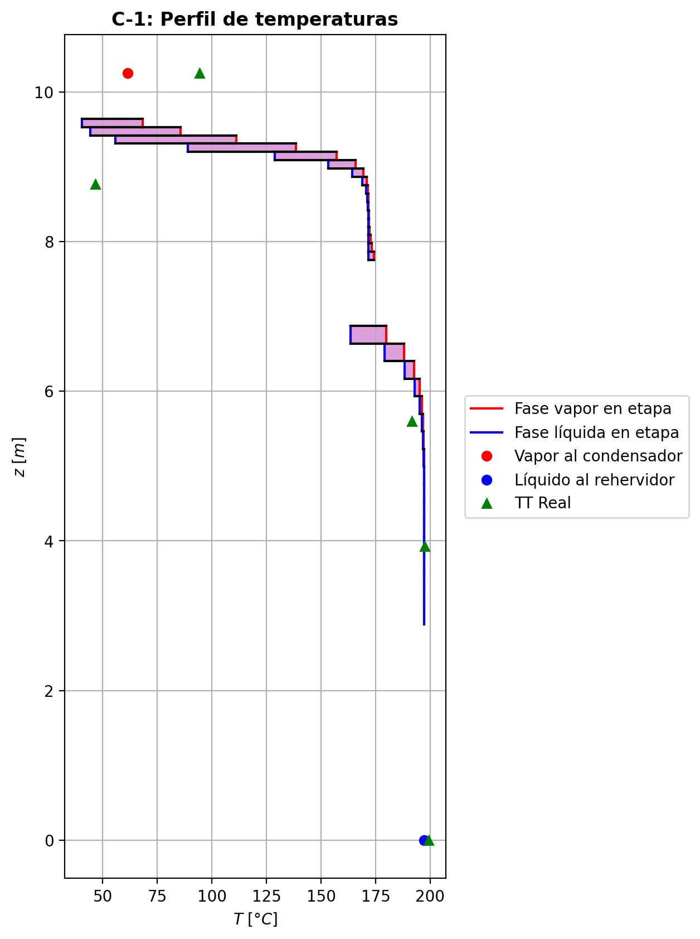
Agotamiento | 23 | 5.9317764706 | 5.6970705882 | - | - | 29.9430365 | 67.9137879 | 30.0123521 | 67.9137879 | 15.4810351 | - | - | 0.0389644811 | 0.02898658565 | 0.0465183414 | 0.00746958802 | 0.0084202906 | 0.0084202906 | 5.3445740396 | 0.83096907257 | -0.594902574 | 0.733533694 | 0.13863112 | -0.59892101683 | 0.99797575467 | 0.0040184428336 | -0.59606988832 | 1.0157743058 | 0.0011673143166 | - | - | 195.897555 | 196.2690995 | 195.233841 | 195.165428 | 195.165428 | 68.83536276 | 11937.19284 | -149988.505 | 707.282815 | -150695.788 | 12642.6119 | -162631.117 | - | - | -229779.02 | -270991.517 | - | - | 14.6960663 |  |  |  |  |  |  |  |  | 0.413724327 | 47.9811256 | 0.41372433468 | 47.981126 | 0.01296358794 | 8.469438624E-05 | 0.012963587606 | 8.469438237E-05 | 51.326785746 | 80.972304029 | 0.13003060097 | 2.3395225953 | 0.058552974226 | 0.48620448276 | 498333.94883 | 456.11505526 | 8.8996506542 | 0.606743335 | 6.64435462 | 0.60696034608 | 6.6443550834 | 643.45251472 | 175.97945102 | 645.03852783 | 175.97958694 | 0.0015280341396 | 0.0015280365326 | 5.5985355906E-05 | 5.600457007E-05 | 5.3445787562 | 0.830969359 | 68.835441317 | 11937.198436 | 414.72585588 | 412.82812109 | -235294.28853 | -271022.14671 | 1.0165480203 | -38802.772808 | -237501.75387 | -62939.953124 | -272758.24889 | -151131.66943 | -162634.22575 | 4.0012808128E-05 | -0.59314301412 | 0.14021669578 | -150060.7551 | 0.046512990496 | 0.0074687400094 | 195.23412307
Agotamiento | 24 | 5.6970705882 | 5.4623647059 | - | - | 30.0816677 | 67.9805557 | 30.11505155 | 67.9805557 | 15.5038393 | - | - | 0.0190086902 | 0.014118296835 | 0.0226781239 | 0.00362298611 | 0.00409304163 | 0.00409304163 | 5.3736169656 | 0.83227325508 | -0.29360671 | 0.360374468 | 0.066767758 | -0.29454935703 | 0.99903141131 | 0.00094264702645 | -0.29387999321 | 1.0078431481 | 0.00027328321304 | - | - | 196.640644 | 196.8174315 | 196.312018 | 196.279206 | 196.279206 | 69.2891442 | 12031.364916 | -73688.8943 | 353.026162 | -74041.9204 | 6120.53031 | -79809.4246 | - | - | -233706.123 | -271809.33 | - | - | 14.69626 |  |  |  |  |  |  |  |  | 0.413435705 | 48.0753793 | 0.41343571434 | 48.075379675 | 0.012994829172 | 8.5065948E-05 | 0.012994828801 | 8.5065944582E-05 | 52.163669128 | 80.852987446 | 0.12956278436 | 2.3714819352 | 0.058586047831 | 0.4875454623 | 497355.56064 | 457.99534261 | 8.8909348615 | 0.605696218 | 6.61900634 | 0.60577299891 | 6.6190067627 | 646.62906868 | 175.70952789 | 647.40695613 | 175.70966411 | 0.0015314066772 | 0.0015314090801 | 5.5875752037E-05 | 5.5894928642E-05 | 5.3736215045 | 0.83227366304 | 69.289206428 | 12031.371707 | 415.33676409 | 413.44364399 | -238223.97221 | -271839.89977 | 1.008251209 | -38613.274729 | -237476.92191 | -62847.278694 | -272668.13607 | -74243.502842 | -79810.251746 | 4.0275888445E-05 | -0.29250078884 | 0.067147894813 | -73573.475302 | 0.022676890843 | 0.003622798519 | 196.31210299
Agotamiento | 25 | 5.4623647059 | 5.2276588235 | - | - | 30.1484354 | 68.0127427 | 30.1645289 | 68.0127427 | 15.515084 | - | - | 0.00922790347 | 0.00684881776 | 0.0110051727 | 0.00175434669 | 0.0019840332 | 0.0019840332 | 5.3875904668 | 0.83282875318 | -0.143307767 | 0.175494743 | 0.032186976 | -0.14352820973 | 0.99953427546 | 0.00022044273287 | -0.14337162703 | 1.0038447797 | 6.3860028992E-05 | - | - | 196.994219 | 197.0789225 | 196.833115 | 196.817336 | 196.817336 | 69.534693 | 12078.01638 | -35886.9122 | 173.804848 | -36060.717 | 2956.89536 | -38843.8076 | - | - | -235632.749 | -272208.346 | - | - | 14.6964538 |  |  |  |  |  |  |  |  | 0.413312216 | 48.1228476 | 0.41331222579 | 48.122848032 | 0.013009650984 | 8.524191492E-05 | 0.013009650611 | 8.5241911124E-05 | 52.634075751 | 80.794469462 | 0.12933123732 | 2.3875176335 | 0.058600918619 | 0.48822721863 | 496880.16748 | 458.8848671 | 8.8863703179 | 0.60514694 | 6.60729265 | 0.60517661037 | 6.6072930896 | 648.18515374 | 175.56748787 | 648.56385578 | 175.5676238 | 0.0015329870373 | 0.0015329894417 | 5.5818394348E-05 | 5.5837551246E-05 | 5.3875948903 | 0.83282924297 | 69.534747653 | 12078.02408 | 415.63800156 | 413.74714565 | -239657.36739 | -272238.88605 | 1.0040500752 | -38508.712247 | -237464.20204 | -62802.990983 | -272624.63971 | -36155.121546 | -38844.034683 | 4.0400761722E-05 | -0.1427107677 | 0.032290190814 | -35796.91336 | 0.01100488429 | 0.0017543043947 | 196.83315038
Agotamiento | 26 | 5.2276588235 | 4.9929529412 | - | - | 30.1806224 | 68.0283126 | 30.1884074 | 68.0283126 | 15.5205693 | - | - | 0.00446973205 | 0.003316054415 | 0.0053297244 | 0.000848795884 | 0.000960419694 | 0.000960419694 | 5.3942992566 | 0.8330811198 | -0.0696038349 | 0.0851738232 | 0.0155699883 | -0.069655465828 | 0.99977425222 | 5.1630928444E-05 | -0.069618788623 | 1.0018721483 | 1.4953723399E-05 | - | - | 197.163626 | 197.204495 | 197.08519 | 197.077577 | 197.077577 | 69.66059328 | 12100.85928 | -17418.8824 | 84.8026897 | -17503.6851 | 1429.8957 | -18848.7781 | - | - | -236570.521 | -272402.098 | - | - | 14.6966476 |  |  |  |  |  |  |  |  | 0.413258955 | 48.1462401 | 0.41325896296 | 48.1462405 | 0.01301668236 | 8.532621612E-05 | 0.013016682027 | 8.5326212484E-05 | 52.879573661 | 80.765996419 | 0.12921809962 | 2.3954129953 | 0.058607845431 | 0.48856432019 | 496649.32692 | 459.30731444 | 8.8840860957 | 0.604869466 | 6.60174362 | 0.60488231577 | 6.6017440287 | 648.94182009 | 175.49633294 | 649.12592068 | 175.49646896 | 0.0015337421638 | 0.0015337445675 | 5.5789702138E-05 | 5.5808849093E-05 | 5.3943036442 | 0.83308166753 | 69.660646464 | 12100.867671 | 415.78494882 | 413.89519466 | -240354.21871 | -272432.62315 | 1.0019725549 | -38454.620918 | -237457.8438 | -62781.686219 | -272603.61524 | -17548.60332 | -18848.846006 | 4.0460324918E-05 | -0.069300368649 | 0.01561556249 | -17370.652421 | 0.0053296550768 | 0.00084878612248 | 197.0852094
Agotamiento | 27 | 4.9929529412 | 4.7582470588 | - | - | 30.1961924 | 68.0358787 | 30.19997545 | 68.0358787 | 15.523233 | - | - | 0.00216237678 | 0.001603736955 | 0.00257837267 | 0.000410440856 | 0.000464549394 | 0.000464549394 | 5.3975111733 | 0.83320143857 | -0.0337297153 | 0.0412958106 | 0.0075660953 | -0.033741849327 | 0.99988895083 | 1.2134026638E-05 | -0.033733230125 | 1.0009093419 | 3.5148249866E-06 | - | - | 197.245364 | 197.2652265 | 197.207346 | 197.203661 | 197.203661 | 69.7233996 | 12111.988428 | -8446.91996 | 41.1486501 | -8488.06861 | 692.763134 | -9139.68309 | - | - | -237025.395 | -272495.958 | - | - | 14.6968415 |  |  |  |  |  |  |  |  | 0.413236871 | 48.1576404 | 0.41323687891 | 48.157640783 | 0.013019994936 | 8.536693788E-05 | 0.013019994589 | 8.5366934118E-05 | 53.00291453 | 80.752207729 | 0.1291632258 | 2.399264124 | 0.058611162916 | 0.48872850725 | 496536.80474 | 459.50787429 | 8.882970833 | 0.604732097 | 6.59907047 | 0.60473835976 | 6.599070925 | 649.3090331 | 175.46164359 | 649.39869319 | 175.46177943 | 0.0015341093376 | 0.0015341117358 | 5.5775696029E-05 | 5.5794838057E-05 | 5.39751551 | 0.83320201573 | 69.723453959 | 12111.997288 | 415.85630744 | 413.96708813 | -240692.04281 | -272526.47707 | 1.0009569473 | -38427.562008 | -237454.71261 | -62771.37975 | -272593.43159 | -8509.7341118 | -9139.7059536 | 4.0488811122E-05 | -0.033579494847 | 0.0076062260062 | -8427.0179223 | 0.0025783552868 | 0.00041043851429 | 197.20735889
Agotamiento | 28 | 4.7582470588 | 4.5235411765 | - | - | 30.2037585 | 68.0395824 | 30.2056103 | 68.0395824 | 15.5245241 | - | - | 0.00104509713 | 0.000774771096 | 0.0012462961 | 0.000198351545 | 0.000224548158 | 0.000224548158 | 5.3990371318 | 0.83326138688 | -0.016327867 | 0.0200315274 | 0.0037036604 | -0.016330736489 | 0.99994356982 | 2.8694890273E-06 | -0.01632869865 | 1.0004420046 | 8.3165012068E-07 | - | - | 197.285089 | 197.29484 | 197.266725 | 197.264935 | 197.264935 | 69.75436464 | 12117.405384 | -4098.84576 | 19.8857369 | -4118.73149 | 336.668259 | -4435.51402 | - | - | -237245.684 | -272541.367 | - | - | 14.6970354 |  |  |  |  |  |  |  |  | 0.413229142 | 48.1631584 | 0.41322914925 | 48.163158814 | 0.013021522272 | 8.538676812E-05 | 0.013021521951 | 8.5386764152E-05 | 53.063749843 | 80.745557176 | 0.12913676671 | 2.4011337419 | 0.058612793411 | 0.48880758871 | 496481.48064 | 459.60220831 | 8.882436626 | 0.604664699 | 6.59776291 | 0.60466815811 | 6.5977633686 | 649.4873093 | 175.44510868 | 649.53122507 | 175.4452442 | 0.0015342916596 | 0.0015342940616 | 5.5768987525E-05 | 5.5788127443E-05 | 5.3990414288 | 0.83326198174 | 69.754419587 | 12117.414481 | 415.89089508 | 414.00193432 | -240855.60292 | -272571.88301 | 1.0004632221 | -38414.246646 | -237453.18169 | -62766.362443 | -272588.48309 | -4129.327205 | -4435.5228498 | 4.0502405287E-05 | -0.016254417687 | 0.0037429441003 | -4093.7392554 | 0.0012462913773 | 0.00019835093184 | 197.26673504
Agotamiento | 29 | 4.5235411765 | 4.2888352941 | - | - | 30.2074621 | 68.0414202 | 30.208381 | 68.0414202 | 15.5251496 | - | - | 0.000504445062 | 0.000373675684 | 0.000601750714 | 9.57610069E-05 | 0.00010843667 | 0.00010843667 | 5.3997490829 | 0.83329296017 | -0.0078999791 | 0.00973774633 | 0.00183776723 | -0.0079006658289 | 0.99996926545 | 6.867289267E-07 | -0.0079001783814 | 1.0002160387 | 1.9928135866E-07 | - | - | 197.304591 | 197.309464 | 197.295759 | 197.294884 | 197.294884 | 69.76960596 | 12120.048504 | -1993.97935 | 9.56654119 | -2003.54589 | 164.55732 | -2158.53667 | - | - | -237352.286 | -272563.312 | - | - | 14.6972293 |  |  |  |  |  |  |  |  | 0.413228177 | 48.1658123 | 0.41322818459 | 48.165812698 | 0.013022189604 | 8.539653852E-05 | 0.013022189271 | 8.5396534609E-05 | 53.093518772 | 80.742367272 | 0.12912410511 | 2.40203902 | 0.058613622182 | 0.48884516393 | 496453.81028 | 459.64543972 | 8.8821871212 | 0.604631682 | 6.59710978 | 0.60463387638 | 6.5971102336 | 649.57408275 | 175.43747461 | 649.59586235 | 175.43761055 | 0.001534385256 | 0.0015343876587 | 5.5765854633E-05 | 5.5784993346E-05 | 5.3997533721 | 0.83329357029 | 69.769662164 | 12120.057908 | 415.90765178 | 414.01881439 | -240934.74243 | -272593.82587 | 1.0002238501 | -38407.741476 | -237452.43452 | -62763.895761 | -272586.06447 | -2008.8312178 | -2158.5404841 | 4.0508831638E-05 | -0.0078642754531 | 0.001875297054 | -1995.867252 | 0.00060174924459 | 9.5760816648E-05 | 197.29576709
Agotamiento | 30 | 4.2888352941 | 4.0541294118 | - | - | 30.2092999 | 68.042356 | 30.20976785 | 68.042356 | 15.5254527 | - | - | 0.000242906306 | 0.0001796565805 | 0.000289964988 | 4.61422062E-05 | 5.22738138E-05 | 5.22738138E-05 | 5.4000677418 | 0.83331101199 | -0.00382135192 | 0.00475721089 | 0.00093585897 | -0.0038215200532 | 0.99998098305 | 1.6813322238E-07 | -0.0038214008409 | 1.0001072141 | 4.8920917541E-08 | - | - | 197.314337 | 197.3168545 | 197.310121 | 197.309688 | 197.309688 | 69.77716596 | 12121.34796 | -975.556624 | 4.56788621 | -980.12451 | 81.3481709 | -1056.90479 | - | - | -237403.852 | -272573.9 | - | - | 14.6974233 |  |  |  |  |  |  |  |  | 0.413230441 | 48.1670765 | 0.41323045069 | 48.167076926 | 0.013022441856 | 8.540145432E-05 | 0.013022441449 | 8.5401450335E-05 | 53.108062997 | 80.74085294 | 0.12911812963 | 2.4024765127 | 0.058614066757 | 0.48886258542 | 496439.51228 | 459.66402103 | 8.88207615 | 0.604615421 | 6.59677174 | 0.60461702581 | 6.5967721971 | 649.61657978 | 175.4341743 | 649.62764713 | 175.43430986 | 0.0015344360961 | 0.001534438494 | 5.5764461303E-05 | 5.5783599435E-05 | 5.4000719891 | 0.83331162561 | 69.777223474 | 12121.357265 | 415.91577161 | 414.02699434 | -240973.02202 | -272604.41411 | 1.000107947 | -38404.568916 | -237452.0687 | -62762.66122 | -272584.86889 | -982.8521939 | -1056.9054908 | 4.0511799701E-05 | -0.0038040441267 | 0.00097388180185 | -981.18201401 | 0.00028996444145 | 4.6142132748E-05 | 197.31012816
Agotamiento | 31 | 4.0541294118 | 3.8194235294 | - | - | 30.2102358 | 68.0428558 | 30.21048565 | 68.0428558 | 15.5255999 | - | - | 0.000116406855 | 8.581681435E-05 | 0.000139165003 | 2.21449418E-05 | 2.51105896E-05 | 2.51105896E-05 | 5.4001962334 | 0.83332256167 | -0.00184823731 | 0.00234799341 | 0.0004997561 | -0.0018482801975 | 0.99998592088 | 4.2887476454E-08 | -0.0018482498592 | 1.0000551745 | 1.2549170327E-08 | - | - | 197.319372 | 197.320751 | 197.317388 | 197.317169 | 197.317169 | 69.78099384 | 12121.996608 | -482.914472 | 2.14940859 | -485.06388 | 41.112412 | -524.026884 | - | - | -237428.79 | -272578.995 | - | - | 14.6976172 |  |  |  |  |  |  |  |  | 0.413234255 | 48.1676676 | 0.41323426348 | 48.167668024 | 0.013022493588 | 8.540402472E-05 | 0.013022493229 | 8.5404020833E-05 | 53.115196207 | 80.740149416 | 0.12911539088 | 2.4026874474 | 0.05861432643 | 0.48887024077 | 496431.68018 | 459.6707016 | 8.8820323938 | 0.604607293 | 6.59658575 | 0.60460862042 | 6.5965861992 | 649.63764958 | 175.43297587 | 649.64353681 | 175.43311178 | 0.0015344662906 | 0.0015344686927 | 5.576391166E-05 | 5.5783049818E-05 | 5.4002005208 | 0.83332318436 | 69.781051142 | 12122.006032 | 415.91971499 | 414.03096404 | -240991.53369 | -272609.50935 | 1.0000518625 | -38403.017296 | -237451.8878 | -62762.02207 | -272584.26466 | -486.55757837 | -524.02694624 | 4.0513097652E-05 | -0.001839858484 | 0.00053562346314 | -489.78673561 | 0.00013916476048 | 2.2144907264E-05 | 197.31739457
Agotamiento | 32 | 3.8194235294 | 3.5847176471 | - | - | 30.2107355 | 68.0431446 | 30.2108799 | 68.0431446 | 15.5256715 | - | - | 5.52267737E-05 | 4.043273375E-05 | 6.62328457E-05 | 1.0539377E-05 | 1.1973667E-05 | 1.1973667E-05 | 5.4002328752 | 0.83333098675 | -0.000893870287 | 0.00118264822 | 0.000288777933 | -0.00089388196308 | 0.99998755675 | 1.1676081278E-08 | -0.00089387374473 | 1.0000305732 | 3.4577308067E-09 | - | - | 197.32213 | 197.3229595 | 197.321224 | 197.321109 | 197.321109 | 69.78301128 | 12122.330472 | -244.615063 | 0.981292189 | -245.596355 | 21.6550782 | -266.270141 | - | - | -237440.847 | -272581.434 | - | - | 14.6978111 |  |  |  |  |  |  |  |  | 0.413238814 | 48.1679329 | 0.41323882217 | 48.167933329 | 0.01302244848 | 8.540546148E-05 | 0.013022448153 | 8.5405457865E-05 | 53.118733831 | 80.739838133 | 0.12911421848 | 2.4027887386 | 0.058614496996 | 0.48887316813 | 496426.97434 | 459.67162938 | 8.8820211709 | 0.604603106 | 6.59647322 | 0.60460430292 | 6.5964736352 | 649.6483573 | 175.43279558 | 649.65173586 | 175.43293186 | 0.0015344865041 | 0.0015344889145 | 5.5763770621E-05 | 5.5782908847E-05 | 5.400237129 | 0.8333316114 | 69.783068581 | 12122.340002 | 415.92163311 | 414.03289702 | -241000.48362 | -272611.9477 | 1.0000247319 | -38402.251845 | -237451.79643 | -62761.670346 | -272583.94636 | -246.49531251 | -266.27012668 | 4.0513588234E-05 | -0.00088981669598 | 0.00032091270012 | -251.45394424 | 6.6232724771E-05 | 1.0539358961E-05 | 197.3212303
Agotamiento | 33 | 3.5847176471 | 3.3500117647 | - | - | 30.2110243 | 68.0433311 | 30.2111176 | 68.0433311 | 15.5257067 | - | - | 2.56386938E-05 | 1.848406995E-05 | 3.0961337E-05 | 4.92675316E-06 | 5.62040457E-06 | 5.62040457E-06 | 5.4002250164 | 0.83333789108 | -0.000432294902 | 0.000618870814 | 0.000186575912 | -0.00043229835068 | 0.99998756944 | 3.4486822084E-09 | -0.00043229595063 | 1.000019356 | 1.0486321085E-09 | - | - | 197.323789 | 197.324355 | 197.323401 | 197.323336 | 197.323336 | 69.78415104 | 12122.512128 | -129.317146 | 0.420554287 | -129.737701 | 12.2455398 | -141.562686 | - | - | -237446.675 | -272582.587 | - | - | 14.698005 |  |  |  |  |  |  |  |  | 0.41324373 | 48.1680407 | 0.41324373676 | 48.168041059 | 0.013022356752 | 8.540634996E-05 | 0.01302235643 | 8.5406346515E-05 | 53.120528078 | 80.739716511 | 0.12911380485 | 2.4028369887 | 0.058614624949 | 0.48887380941 | 496423.78209 | 459.66977931 | 8.8820256506 | 0.604600824 | 6.5963962 | 0.60460196552 | 6.596396608 | 649.65404898 | 175.43310746 | 649.65620857 | 175.43324351 | 0.0015345018862 | 0.0015345042948 | 5.5763826884E-05 | 5.5782965116E-05 | 5.4002293126 | 0.83333851899 | 69.78420856 | 12122.521631 | 415.92257609 | 414.03384479 | -241004.8089 | -272613.10112 | 1.0000116095 | -38401.86729 | -237451.74822 | -62761.45663 | -272583.76639 | -130.35102525 | -141.56267964 | 4.0513688751E-05 | -0.00043033438968 | 0.00021739613396 | -136.25661901 | 3.0961273211E-05 | 4.9267433316E-06 | 197.32340697
Agotamiento | 34 | 3.3500117647 | 3.1153058824 | - | - | 30.2112109 | 68.0434679 | 30.2112793 | 68.0434679 | 15.5257242 | - | - | 1.13294461E-05 | 7.86938379E-06 | 1.39035291E-05 | 2.21241682E-06 | 2.54787599E-06 | 2.54787599E-06 | 5.4001957475 | 0.83334406081 | -0.000209064725 | 0.000345855179 | 0.000136790454 | -0.00020906580146 | 0.99998676748 | 1.0764565813E-09 | -0.00020906507353 | 1.0000145999 | 3.4852511341E-10 | - | - | 197.324921 | 197.3253635 | 197.324775 | 197.324734 | 197.324734 | 69.7848642 | 12122.62002 | -73.4582639 | 0.157796772 | -73.6160606 | 7.69502392 | -81.1532878 | - | - | -237449.489 | -272583.118 | - | - | 14.698199 |  |  |  |  |  |  |  |  | 0.413248809 | 48.1680722 | 0.41324881811 | 48.16807261 | 0.013022242776 | 8.540697348E-05 | 0.013022242415 | 8.5406969639E-05 | 53.121475156 | 80.73968656 | 0.12911376036 | 2.4028595849 | 0.058614733156 | 0.4888733463 | 496421.32351 | 459.66658743 | 8.8820376899 | 0.604599462 | 6.59633634 | 0.60460059006 | 6.5963368038 | 649.65730136 | 175.4336562 | 649.65886337 | 175.43379187 | 0.0015345149193 | 0.0015345173174 | 5.576397836E-05 | 5.578311634E-05 | 5.4002000044 | 0.8333446854 | 69.784921871 | 12122.629517 | 415.9230449 | 414.0343154 | -241006.89731 | -272613.63315 | 1.000005263 | -38401.666734 | -237451.72057 | -62761.315585 | -272583.65335 | -74.095473425 | -81.153291039 | 4.0513600714E-05 | -0.00020811663829 | 0.00017233046818 | -81.718223363 | 1.390349481E-05 | 2.2124114477E-06 | 197.32478163
Agotamiento | 35 | 3.1153058824 | 2.8806 | 30.2114596 | - | 30.2113477 | 68.0435799 | 20.140935767 | 68.0435799 | 15.5257331 | 1.06267419E-06 | - | 4.40932148E-06 | 4.0477274767E-06 | 5.65417478E-06 | 8.99730679E-07 | 1.06196234E-06 | 1.06196234E-06 | 5.400156163 | 0.83334986899 | -0.000101106594 | 0.000213091005 | 0.000111984411 | -0.00010110704728 | 1.8165171153 | 4.5328237736E-10 | -0.00010110671292 | 1.0000130617 | 1.1892322715E-10 | 197.326587 | - | 197.325806 | 197.32604133 | 197.325762 | 197.325733 | 197.325733 | 69.7853664 | 12122.692128 | -46.245179 | 0.0477029331 | -46.2928819 | 5.49434918 | -51.7395282 | -237451.49587 | - | -237450.845 | -272583.349 | 14.6985868 | - | 14.6983929 |  |  |  |  |  |  |  |  | 0.413253951 | 48.1680668 | 0.41325412896 | 48.168067191 | 0.013022118756 | 8.540746884E-05 | 0.013022109519 | 8.540746551E-05 | 53.121973787 | 80.739701123 | 0.12911390277 | 2.4028697692 | 0.058614815819 | 0.48887234444 | 496419.2143 | 306.44171473 | 8.8820533089 | 0.604598541 | 6.59628479 | 0.60459971664 | 6.5962851941 | 649.65935963 | 175.43431807 | 433.10717125 | 175.4344544 | 0.0015345267779 | 0.0015345291862 | 5.5764174134E-05 | 5.578331253E-05 | 3.6001053552 | 0.83335049759 | 46.52361525 | 12122.701672 | 415.92328333 | 390.39419655 | -241007.64912 | -272613.86452 | 1.0000021936 | -38401.572746 | -237451.71047 | -62761.213838 | -272583.57254 | -46.716171399 | -51.739534852 | 2.1363481671E-05 | -4.6177168509E-05 | 3.9988323569E-05 | -18.485896251 | 6.1776044749E-06 | 9.8302219123E-07 | 197.32574491

Exportar_resultados_ACM
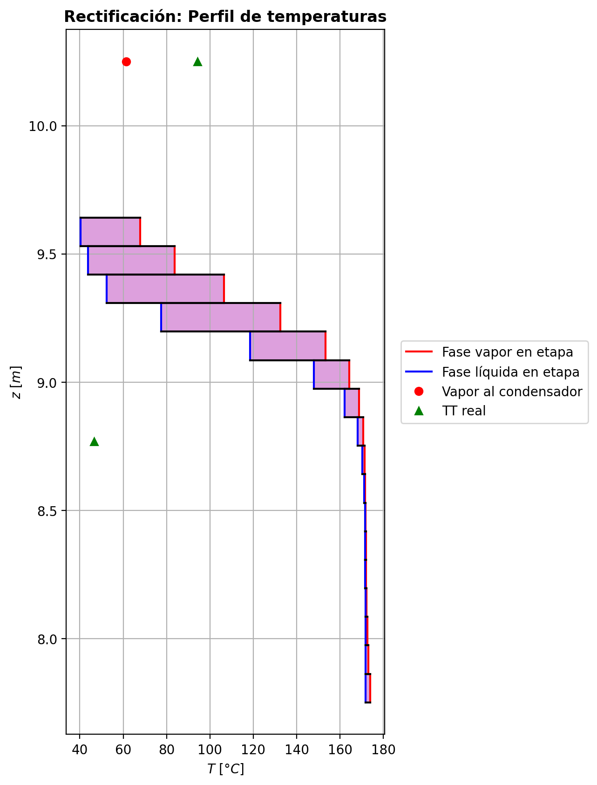




$${\left[N_{t}=N_{a}+N_{w} \right]}_{2}$$
$${\left[N_{t}=N_{a}+N_{w} \right]}_{ps1+ps2−3}$$
$$F_{fría}^{l}+F_{caliente}^{l}=P_{fría}^{l}+P_{caliente}^{l}$$
$${\left[J_{a}^{g}=Γ^{g,b}ρ^{g,b}k_{bm}^{g}a_{ef}A_{tr}Z\left(y_{a}^{b}−y_{a}^{I}\right)\right]}_{2}$$
$${\left(N_{t}\right)}_{2}=V_{3}−V_{2}=L_{2}−{\left(L_{1}−P^{l}\right)}_{E−3}$$
$${\left[J_{a}^{g}=Γ^{g,b}ρ^{g,b}k_{bm}^{g}a_{ef}A_{tr}Z\left(y_{a}^{b}−y_{a}^{I}\right)\right]}_{s}$$
$${\left[N_{t}=N_{a}+N_{w} \right]}_{s}$$
$${\left[J_{a}^{g}=Γ^{g,b}ρ^{g,b}k_{bm}^{g}a_{ef}A_{tr}Z\left(y_{a}^{b}−y_{a}^{I}\right)\right]}_{ps1+ps2−3}$$
Caso | 33 |  |  | Economizador E-1 |  |  |  |  |  |  |  |  | Condensador E-3 (s=1) |  |  |  |  |  |  |  |  | s=2 |  |  |  |  |  |  |  |  |  |  |  |  |  |  | s={3,…,ps1+ps2-4} |  |  |  |  |  |  |  |  |  |  |  |  |  |  |  | s=ps1+ps2-3 |  |  |  |  |  |  |  |  |  |  |  |  |  |  | Rehervidor E-2 (s=ps1+ps2-2)
ps1 | 19 |  | Representación y balances |  |  |  |  |  |  |  |  |  |  |  |  |  |  |  |  |  |  | Atr [m2] | 0.159043 |  |  |  |  |  |  |  |  |  |  |  |  |  | s |  | Atr [m2] | 0.159043 |  |  |  |  |  |  |  |  |  |  |  |  | Atr [m2] | 0.159043
ps2 | 19 |  |  | Pl [kmol/h]= | 37.824667653 | Fl [kmol/h]= | 48.062545973 | Balance de Masa Total [kmol/h] |  |  |  |  | V2 [kmol/h]= | 36.827508352 | Pl Fría [kmol/h]= | 6339.9340781 | Balance de Masa Total [kmol/h] |  |  |  |  |  | V2 [kmol/h]= | 36.827508352 |  |  | L1-Pl en E-3 [kmol/h]= | 26.589630031 |  | Balance de Masa Total [kmol/h] |  |  |  |  |  |  |  |  | Vs [kmol/h]= | #VALUE! |  |  | Ls-1 [kmol/h]= | #VALUE! |  | Balance de Masa Total [kmol/h] |  |  |  |  |  |  |  |  | Vps1+ps2-3 [kmol/h]= | 29.770978714 |  |  | Lps1+ps2-4 [kmol/h]= | 67.595646368 |  | Balance de Masa Total [kmol/h] |  |  |  |  |  | Lps1+ps2-3 [kmol/h]= | 67.590293317 |  |  |  |  | Balance de Masa Total [kmol/h]
$$V_{2}=L_{1}$$
$${\left[J_{a}^{l}=Γ^{l,b}ρ^{l,b}k_{bm}^{l}a_{ef}A_{tr}Z\left(x_{a}^{I}−x_{a}^{b}\right)\right]}_{2}$$
$${\left[J_{a}^{l}=Γ^{l,b}ρ^{l,b}k_{bm}^{l}a_{ef}A_{tr}Z\left(x_{a}^{I}−x_{a}^{b}\right)\right]}_{s}$$
$${\left(N_{t}\right)}_{s}=V_{s+1}−V_{s}=L_{s}−L_{s−1}−F_{s}^{l}$$
$${\left[J_{a}^{l}=Γ^{l,b}ρ^{l,b}k_{bm}^{l}a_{ef}A_{tr}Z\left(x_{a}^{I}−x_{a}^{b}\right)\right]}_{ps1+ps2−3}$$
$${\left(N_{t}\right)}_{ps1+ps2−3}=−V_{ps1+ps2−3}+F_{ps1+ps2−3}^{g}=L_{ps1+ps2−3}−L_{ps1+ps2−4}−F_{ps1+ps2−3}^{l}$$
$$L_{ps1+ps2−3}=P_{ps1+ps2−2}^{g}+P_{ps1+ps2−2}^{l}$$
flowmode1 | VPLUG |  |  | T [°C]= | 60.97820565 | T [°C]= | 20 |  |  |  |  |  | T [°C]= | 61.305792039 | T [°C]= | 31.597229348 |  |  |  |  |  |  | T [°C]= | 61.305792039 |  |  | T [°C]= | 38.762402979 |  |  |  |  |  |  |  |  |  |  | T [°C]= | #VALUE! |  |  | T [°C]= | #VALUE! |  |  |  |  |  |  |  |  |  |  | T [°C]= | 197.27831949 |  |  | T [°C]= | 197.31272064 |  |  |  |  |  |  |  | T [°C]= | 197.31325134 |  |  | Pg [kmol/h]= | 29.765625664
$$F_{fría}^{l}=P_{fría}^{l}$$
$${\left[Q^{g}=k_{h}^{g}a_{ef}A_{tr}Z\left(T^{g,b}−T^{I}\right)\right]}_{2}$$
$${\left[Q^{g}=k_{h}^{g}a_{ef}A_{tr}Z\left(T^{g,b}−T^{I}\right)\right]}_{s}$$
$${\left[Q^{g}=k_{h}^{g}a_{ef}A_{tr}Z\left(T^{g,b}−T^{I}\right)\right]}_{ps1+ps2−3}$$
$${f_{v}\left(L−P^{l}\right)}_{ps1+ps2−2}=P_{ps1+ps2−2}^{g}$$
flowmode2 | VPLUG |  |  | P [bar]= | 14.817099128 | P [bar]= | 18.6326 |  | 85.887213626 | = | 85.887213626 |  | P [bar]= | 14.6937395 | P [bar]= | 3.43233 |  |  |  |  |  |  | P [bar]= | 14.6937395 |  |  | P [bar]= | 14.6937395 |  |  | -1.9347838864 | = | -1.9347838864 | = | -1.9347838864 |  |  |  | P [bar]= | #VALUE! |  |  | P [bar]= | #VALUE! |  |  | #VALUE! | = |  | = | #VALUE! |  |  |  | P [bar]= | 14.694509051 |  |  | P [bar]= | 14.694469564 |  |  | -0.0053530506846 | = | -0.0053530506846 | = | -0.0053530506846 | P [bar]= | 14.694509051 |  |  | T [°C]= | 197.70614346
$${\left[Q^{l}=k_{h}^{l}a_{ef}A_{tr}Z\left(T^{I}−T^{l,b}\right)\right]}_{2}$$
$${\left[Q^{l}=k_{h}^{l}a_{ef}A_{tr}Z\left(T^{I}−T^{l,b}\right)\right]}_{s}$$
$${\left[Q^{l}=k_{h}^{l}a_{ef}A_{tr}Z\left(T^{I}−T^{l,b}\right)\right]}_{ps1+ps2−3}$$
simtype | 0 |  |  | xa molar= | 1.1543182511E-06 | xa molar= | 0.209146 |  |  |  |  |  | ya molar= | 0.98184851042 | xa molar= | 0 |  | 36.827508352 | = | 36.827508352 |  | z top [m]= | ya molar= | 0.98184851042 |  |  | xa molar= | 0.98184851042 |  |  |  |  |  |  |  |  |  | z top [m]= | ya molar= | #VALUE! |  |  | xa molar= | #VALUE! |  |  |  |  |  |  |  |  |  | z top [m]= | ya molar= | 4.7832609049E-06 |  |  | xa molar= | 2.75260424E-06 |  |  |  |  |  |  |  | xa molar= | 1.1543182511E-06 |  |  | P [bar]= | 14.817099128 |  | 67.590293317 | = | 67.590293317
$${\left(N_{a}\right)}_{ps1+ps2−3}=−{\left(Vy_{a}\right)}_{ps1+ps2−3}+{\left(F^{g}y_{a}\right)}_{ps1+ps2−3}={\left(Lx_{a}\right)}_{ps1+ps2−3}−{\left(Lx_{a}\right)}_{ps1+ps2−4}−{\left(F^{l}x_{a}\right)}_{ps1+ps2−3}$$
pborde1 | - |  |  | h [kJ/kmol]= | -283099.44521 | h [kJ/kmol]= | -243616.70254 | Balance de Masa Amoníaco [kmol/h] |  |  |  |  | h [kJ/kmol]= | -49351.287562 | h [kJ/kmol]= | -285329.62085 |  | 6339.9340781 | = | 6339.9340781 |  | 9.6416 | h [kJ/kmol]= | -49351.287562 |  |  | h [kJ/kmol]= | -70052.48864 |  | Balance de Masa Amoníaco [kmol/h] |  |  |  |  |  |  |  | #VALUE! | h [kJ/kmol]= | #VALUE! |  |  | h [kJ/kmol]= | #VALUE! |  | Balance de Masa Amoníaco [kmol/h] |  |  |  |  |  |  |  | 3.1153058824 | h [kJ/kmol]= | -237452.77497 |  |  | h [kJ/kmol]= | -272584.04866 |  | Balance de Masa Amoníaco [kmol/h] |  |  |  |  |  | h [kJ/kmol]= | -272584.34113 |  |  | ya molar= | 1.1543182511E-06 |  | 29.765625664 | = | 29.765625664
$${\left(F^{l}x_{a,F}\right)}_{fría}+{\left(F^{l}x_{a,F}\right)}_{caliente}={\left(P^{l}x_{a,P}\right)}_{fría}+{\left(P^{l}x_{a,P}\right)}_{caliente}$$
$${\left(N_{a}\right)}_{2}={\left(Vy_{a}\right)}_{3}−{\left(Vy_{a}\right)}_{2}={\left(Lx_{a}\right)}_{2}−{\left[\left(L_{1}−P^{l}\right)x_{a}\right]}_{E−3}$$
$${\left(N_{a}\right)}_{s}={\left(Vy_{a}\right)}_{s+1}−{\left(Vy_{a}\right)}_{s}={\left(Lx_{a}\right)}_{s}−{\left(Lx_{a}\right)}_{s−1}−{\left(F^{l}x_{a}\right)}_{s}$$
nborde1 | - |  |  |  |  |  |  |  |  |  |  |  |  |  |  |  |  |  |  |  |  |  |  |  | TI [°C]= | 40.533173382 |  |  |  |  |  |  |  |  |  |  | NO APLICA |  |  |  | TI [°C]= | #VALUE! |  |  |  |  |  |  |  |  |  |  | NO APLICA |  |  |  | TI [°C]= | 197.31326694 |  |  |  |  |  |  |  |  |  |  |  |  |  | h [kJ/kmol]= | -237447.1211
$${\left(N_{a}\right)}_{2}={\left(J_{a}^{g}\right)}_{2}+{\left(N_{t}y_{a}^{b}\right)}_{2}={\left(J_{a}^{l}\right)}_{2}+{\left(N_{t}x_{a}^{b}\right)}_{2}$$
$${\left(N_{a}\right)}_{s}={\left(J_{a}^{g}\right)}_{s}+{\left(N_{t}y_{a}^{b}\right)}_{s}={\left(J_{a}^{l}\right)}_{s}+{\left(N_{t}x_{a}^{b}\right)}_{s}$$
$${\left(N_{a}\right)}_{ps1+ps2−3}={\left(J_{a}^{g}\right)}_{ps1+ps2−3}+{\left(N_{t}y_{a}^{b}\right)}_{ps1+ps2−3}={\left(J_{a}^{l}\right)}_{ps1+ps2−3}+{\left(N_{t}x_{a}^{b}\right)}_{ps1+ps2−3}$$
pborde2 | - |  |  |  |  |  |  |  | 10.052132902 | = | 10.052132902 |  |  |  |  |  | Balance de Masa Amoníaco [kmol/h] |  |  |  |  |  | V2b [kmol/h]= | 35.860116408 | yaI molar= | 0.99988041351 | L2b [kmol/h]= | 24.654846145 |  |  |  |  |  |  |  |  | Fl Alimentación [kmol/h]= | #VALUE! | Vsb [kmol/h]= | #VALUE! | yaI molar= | #VALUE! | Lsb [kmol/h]= | #VALUE! |  |  |  |  |  |  |  |  | Fl Alimentación [kmol/h]= | - | Vps1+ps2-3b [kmol/h]= | 29.768302189 | yaI molar= | 6.1515834024E-06 | Lps1+ps2-3b [kmol/h]= | 67.590293317 |  |  |  |  |  |  |  |  |  |  |  |  |  | Balance de Masa Amoníaco [kmol/h]
$${\left(Vy_{a}\right)}_{2}={\left(Lx_{a}\right)}_{1}$$
$${\left(Lx_{a}\right)}_{ps1+ps2−3}={\left(P^{g}y_{a}\right)}_{ps1+ps2−2}+{\left(P^{l}y_{a}\right)}_{ps1+ps2−2}$$
nborde2 | - |  |  | Q̇ [kJ/h]= |  |  |  |  |  |  |  |  | Q̇ [kJ/h]= |  |  |  |  |  |  |  |  |  | Tg,b [°C]= | 67.787373587 | xaI molar= | 0.94271343104 | Tl,b [°C]= | 40.427286895 |  |  | -2.5127891031 | = | -2.5127891031 | = | -2.5127891031 |  | T [°C]= | #VALUE! | Tg,b [°C]= | #VALUE! | xaI molar= | #VALUE! | Tl,b [°C]= | #VALUE! |  |  | #VALUE! | = |  | = | #VALUE! |  | T [°C]= | - | Tg,b [°C]= | 197.49223148 | xaI molar= | 9.7879369244E-07 | Tl,b [°C]= | 197.31325134 |  |  | -0.00010804335363 | = | -0.00010804335363 | = | -0.00010804335363
$$\dot{Q}={{\left(P^{l}h_{P}\right)}_{fría}−\left(F^{l}h_{F}\right)}_{fría}$$
$${\left(F^{l}x_{a,F}\right)}_{fría}={\left(P^{l}x_{a,P}\right)}_{fría}$$
$${\left[\left(L−P^{l}\right)x_{a}\right]}_{ps1+ps2−2}={\left(P^{g}y_{a}\right)}_{ps1+ps2−2}$$
Molar RR | 2.5971816816 |  |  | 397730.3173 |  |  |  | Balance de Energía [kJ/h] |  |  |  |  | 762373.65561 |  |  |  |  |  |  |  |  |  | P [bar]= | 14.6937395 | Na [kmol/h]= | -2.5127891031 | P [bar]= | 14.6937395 |  |  | -2.5127891031 | = | -2.5127891031 | = | -2.5127891031 |  | P [bar]= | #VALUE! | P [bar]= | #VALUE! | Na [kmol/h]= | #VALUE! | P [bar]= | #VALUE! |  |  | #VALUE! | = | #VALUE! | = | #VALUE! |  | P [bar]= | - | P [bar]= | 14.694509051 | Na [kmol/h]= | -0.00010804335363 | P [bar]= | 14.694509051 |  |  | -0.00010804335363 | = | -0.00010804335363 | = | -0.00010804335363
Molar fv Reboiler | 1 |  |  |  |  |  |  |  |  |  |  |  |  |  |  |  |  | 36.159034217 | = | 36.159034217 |  |  | yab molar= | 0.97306266128 | Nw [kmol/h]= | 0.57800521665 | xab molar= | 0.95698019761 |  |  |  |  |  |  |  |  | xa molar= | #VALUE! | yab molar= | #VALUE! | Nw [kmol/h]= | #VALUE! | xab molar= | #VALUE! |  |  |  |  |  |  |  |  | xa molar= | - | yab molar= | 2.968789578E-06 | Nw [kmol/h]= | -0.005245007331 | xab molar= | 1.1543182511E-06 |  |  |  |  |  |  |  |  |  |  |  |  |  |  | 7.8020709174E-05 | = | 7.8020709174E-05
$$\dot{Q}={\left(F^{l}h_{F}\right)}_{caliente}−{\left(P^{l}h_{P}\right)}_{caliente}$$
$$E_{ps1+ps2−3}=−{\left(Vh\right)}_{ps1+ps2−3}+{\left(F^{g}h\right)}_{ps1+ps2−3}={\left(Lh\right)}_{ps1+ps2−3}−{\left(Lh\right)}_{ps1+ps2−4}−{\left(F^{l}h\right)}_{ps1+ps2−3}$$
Mass xa Distillate | 0.98081906421 |  |  |  |  |  |  |  |  |  |  |  | L1 [kmol/h]= | 36.827508352 | Fl Fría [kmol/h]= | 6339.9340781 |  | 0 | = | 0 |  |  |  |  | Nt [kmol/h]= | -1.9347838864 |  |  |  | Balance de Energía [kJ/h] |  |  |  |  |  |  | h [kJ/kmol]= | #VALUE! |  |  | Nt [kmol/h]= | #VALUE! |  |  |  | Balance de Energía [kJ/h] |  |  |  |  |  |  | h [kJ/kmol]= | - |  |  | Nt [kmol/h]= | -0.0053530506846 |  |  |  | Balance de Energía [kJ/h] |  |  |  |  |  |  |  |  |  |  |  |  | 3.435900496E-05 | = | 3.435900496E-05
$$\dot{Q}=n_{tb}UA_{ext}ΔT_{ln}$$
$$E_{2}={\left(Vh\right)}_{3}−{\left(Vh\right)}_{2}={\left(Lh\right)}_{2}−{\left[\left(L_{1}−P^{l}\right)h\right]}_{E−3}$$
$$E_{s}={\left(Vh\right)}_{s+1}−{\left(Vh\right)}_{s}={\left(Lh\right)}_{s}−{\left(Lh\right)}_{s−1}−{\left(F^{l}h\right)}_{s}$$
$$E_{ps1+ps2−3}={\left(Q^{g}\right)}_{ps1+ps2−3}+{\left(ΣN_{i}{\hat{h}}_{i}^{g,b}\right)}_{ps1+ps2−3}={\left(Q^{l}\right)}_{ps1+ps2−3}+{\left(ΣN_{i}{\hat{h}}_{i}^{l,b}\right)}_{ps1+ps2−3}$$
Mass xa Bottoms | 1.0912204141E-06 |  |  | Fl=Pl en E-2 [kmol/h]= | 37.824667653 | Pl=Fl Alimentación [kmol/h]= | 48.062545973 |  |  |  |  |  | T [°C]= | 38.762402979 | T [°C]= | 30 |  |  |  |  |  |  |  |  | E [kJ/h]= | -4438.3878937 |  |  |  |  |  |  |  |  |  |  |  |  |  |  | E [kJ/h]= | #VALUE! |  |  |  |  |  |  |  |  |  |  |  |  |  |  | E [kJ/h]= | 1439.3879288
$$E_{2}={\left(Q^{g}\right)}_{2}+{\left(ΣN_{i}{\hat{h}}_{i}^{g,b}\right)}_{2}={\left(Q^{l}\right)}_{2}+{\left(ΣN_{i}{\hat{h}}_{i}^{l,b}\right)}_{2}$$
$$E_{s}={\left(Q^{g}\right)}_{s}+{\left(ΣN_{i}{\hat{h}}_{i}^{g,b}\right)}_{s}={\left(Q^{l}\right)}_{s}+{\left(ΣN_{i}{\hat{h}}_{i}^{l,b}\right)}_{s}$$
 |  |  |  | T [°C]= | 197.31211028 | T [°C]= | 117.73393757 |  | 397730.3173 | = | 397730.3173 |  | P [bar]= | 14.6937395 | P [bar]= | 3.43233 | Balance de Energía [kJ/h] |  |  |  |  | z lower [m]= | V3 [kmol/h]= | 34.892724465 |  |  | L2 [kmol/h]= | 24.654846145 |  |  |  |  |  |  |  |  |  | z lower [m]= | Vs+1 [kmol/h]= |  |  |  | Ls [kmol/h]= | #VALUE! |  |  |  |  |  |  |  |  |  | z lower [m]= |  |  | Fg=Pg en E-2 [kmol/h]= | 29.765625664 | Lps1+ps2-3 [kmol/h]= | 67.590293317 |  |  |  |  |  |  |  |  |  |  |  |  | Q̇ [kJ/h]= | Balance de Energía [kJ/h]
$$\dot{Q}={\left(Vh\right)}_{2}−{\left(Lh\right)}_{1}$$
$${\left(Lh\right)}_{ps1+ps2−3}={\left(P^{g}h\right)}_{ps1+ps2−2}+{\left(P^{l}h\right)}_{ps1+ps2−2}−\dot{Q}$$
 |  |  |  | P [bar]= | 14.817099128 | P [bar]= | 18.6326 |  | 397730.3173 | = | 397730.3173 |  | xa molar= | 0.98184851042 | xa molar= | 0 |  |  |  |  |  | 9.5304235294 | T [°C]= | 74.268955135 |  |  | T [°C]= | 40.427286895 |  |  | -4438.3878937 | = | -4438.3878937 | = | -4438.3878937 |  |  | #VALUE! | T [°C]= |  |  |  | T [°C]= | #VALUE! |  |  | #VALUE! | = |  | = | #VALUE! |  |  | 2.8806 |  |  | T [°C]= | 197.70614346 | T [°C]= | 197.31325134 |  |  | 1439.3879288 | = | 1439.3879288 | = | 1439.3879288 |  |  |  |  |  | 1045881.3384
$$n_{tb}UA_{ext}ΔT_{ln}$$
$$\dot{Q}={{\left(P^{l}h_{P}\right)}_{fría}−\left(F^{l}h_{F}\right)}_{fría}$$
$$\dot{Q}={\left(P^{g}h\right)}_{ps1+ps2−2}−{\left[\left(L−P^{l}\right)h\right]}_{ps1+ps2−2}$$
 |  |  |  | xa molar= | 1.1543182511E-06 | xa molar= | 0.209146 |  |  | = | 397730.3173 |  | h [kJ/kmol]= | -70052.48864 | h [kJ/kmol]= | -285449.87031 |  |  |  |  |  |  | P [bar]= | 14.693751955 |  |  | P [bar]= | 14.6937395 |  |  | -4438.3878937 | = | -4438.3878937 | = | -4438.3878937 |  |  |  | P [bar]= |  |  |  | P [bar]= | #VALUE! |  |  | #VALUE! | = | #VALUE! | = | #VALUE! |  |  |  |  |  | P [bar]= | 14.817099128 | P [bar]= | 14.694509051 |  |  | 1439.3879288 | = | 1439.3879288 | = | 1439.3879288
 |  |  |  | h [kJ/kmol]= | -272584.34113 | h [kJ/kmol]= | -235341.43727 |  |  |  |  |  |  |  |  |  |  | 762373.65561 | = | 762373.65561 |  | Z [m]= | ya molar= | 0.96427681215 |  |  | xa molar= | 0.95698019761 |  |  |  |  |  |  |  |  |  | Z [m]= | ya molar= |  |  |  | xa molar= | #VALUE! |  |  |  |  |  |  |  |  |  | Z [m]= |  |  | ya molar= | 1.1543182511E-06 | xa molar= | 1.1543182511E-06 |  |  |  |  |  |  |  |  |  |  |  |  |  |  | -18424055.571 | = | -18424055.571
 |  |  |  |  | Caliente | Fría |  | LV-1 | % Apertura | 0.148148 |  |  | L1-Pl [kmol/h]= | 26.589630031 | Pl [kmol/h]= | 10.23787832 |  | 762373.65561 | = | 762373.65561 |  | 0.11117647059 | h [kJ/kmol]= | -52214.992399 |  |  | h [kJ/kmol]= | -75729.863924 |  |  |  |  |  |  |  |  |  | #VALUE! | h [kJ/kmol]= |  |  |  | h [kJ/kmol]= | #VALUE! |  |  |  |  |  |  |  |  |  | 0.23470588235 |  |  | h [kJ/kmol]= | -237447.1211 | h [kJ/kmol]= | -272584.34113 |  |  |  |  |  |  |  | Pl [kmol/h]= | 37.824667653 | Lps1+ps2-2-Pl [kmol/h]= | 29.765625664 |  |  |  | 1045881.3384 | = | 1045881.3384
 |  |  |  |  |  |  |  |  | q̇ [m3/h] | 0.69299979536 |  |  | T [°C]= | 38.762402979 | T [°C]= | 38.762402979 |  |  |  |  |  |  |  | Vapor |  |  | Líquido |  |  |  |  |  |  |  |  |  |  |  |  | Vapor |  |  | Líquido |  |  |  |  |  |  |  |  |  |  |  |  | Vapor |  |  | Líquido |  |  |  |  |  |  |  |  | T [°C]= | 197.31211028 | T [°C]= | 197.31211028
 |  |  |  |  | Factor de corrección F | 0.8044348014 |  |  |  |  |  |  | P [bar]= | 14.6937395 | P [bar]= | 14.6937395 | Relación |  |  |  |  | Transferencia de masa y calor |  |  |  |  |  |  |  |  |  |  |  |  |  |  |  | Transferencia de masa y calor |  |  |  |  |  |  |  |  |  |  |  |  |  |  |  | Transferencia de masa y calor |  |  |  |  |  |  |  |  |  |  |  |  |  | P [bar]= | 14.817099128 | P [bar]= | 14.817099128 |  |  | Relación
$$RR=\frac{L_{1}−{\left(P^{l}\right)}_{1}}{{\left(P^{l}\right)}_{1}}$$
$$f_{v}=\frac{P_{ps1+ps2−2}^{g}}{{\left(L−P^{l}\right)}_{ps1+ps2−2}}$$
 |  |  |  |  | ḣint [kJ/h·m2·K] | 9543.5912087 |  |  |  |  |  |  | xa molar= | 0.98184851042 | xa molar= | 0.98184851042 |  |  |  |  |  | Difusión |  | Convección |  | aef [m2/m3] | 518.76216216 | khg [kJ/h·m2·°C] | 92.288414183 |  |  |  |  |  |  |  |  | Difusión |  | Convección |  | aef [m2/m3] | #VALUE! | khg [kJ/h·m2·°C] | #VALUE! |  |  |  |  |  |  |  |  | Difusión |  | Convección |  | aef [m2/m3] | 413.57102845 | khg [kJ/h·m2·°C] | 68.715921549 |  |  |  |  |  |  | xa molar= | 1.1543182511E-06 | xa molar= | 1.1543182511E-06
 |  |  |  |  | ḣext [kJ/h·m2·K] | 1338.3010361 |  |  |  |  |  |  | h [kJ/kmol]= | -70052.48864 | h [kJ/kmol]= | -70052.48864 |  | 2.5971816816 | = | 2.5971816816 |  | Jag [kmol/h]= | -0.63012314554 | Ntyab [kmol/h]= | -1.8826659575 | kbmg [m/h] | 4.4157715697 | khl [kJ/h·m2·°C] | 3622.3357863 |  |  |  |  |  |  |  |  | Jag [kmol/h]= | #VALUE! | Ntyab [kmol/h]= | #VALUE! | kbmg [m/h] | #VALUE! | khl [kJ/h·m2·°C] | #VALUE! |  |  |  |  |  |  |  |  | Jag [kmol/h]= | -0.00010802746154 | Ntyab [kmol/h]= | -1.5892081083E-08 | kbmg [m/h] | 5.3245922703 | khl [kJ/h·m2·°C] | 12041.48922 |  |  |  |  |  |  | h [kJ/kmol]= | -272584.34113 | h [kJ/kmol]= | -272584.34113
 |  |  |  |  |  |  |  |  |  |  |  |  |  |  |  |  |  |  |  |  |  | Jal [kmol/h]= | -0.66123923711 | Ntxab [kmol/h]= | -1.851549866 | kbml [m/h] | 0.14126890566 |  |  |  |  |  |  |  |  |  |  | Jal [kmol/h]= | #VALUE! | Ntxab [kmol/h]= | #VALUE! | kbml [m/h] | #VALUE! |  |  |  |  |  |  |  |  |  |  | Jal [kmol/h]= | -0.0001080371745 | Ntxab [kmol/h]= | -6.1791241045E-09 | kbml [m/h] | 0.82771201302 |  |  |  |  |  |  |  |  |  |  |  |  |  |  |  | 1 | = | 1
 |  |  |  |  |  |  |  |  |  |  |  |  |  | Factor de corrección F | 0.9776076349 |  | PV-2 | % Apertura | 0.240774 |  |  | Qg [kJ/h]= | 23071.528035 | ΣNiĥig,b [kJ/h]= | -27509.915929 | Γg,b | 1 |  |  |  |  |  |  |  |  |  |  | Qg [kJ/h]= | #VALUE! | ΣNiĥig,b [kJ/h]= | #VALUE! | Γg,b | #VALUE! |  |  |  |  |  |  |  |  |  |  | Qg [kJ/h]= | 189.85105025 | ΣNiĥig,b [kJ/h]= | 1249.5368785 | Γg,b | 1 |  |  |  |  |  |  |  |  | Q̇ [kJ/h] mediante la suposición de estado cuasi-estacionario del aceite térmico= |  |  |  |  | 1098528.7078
$$\dot{Q}={\overline{L}}_{t66}\left[{\overline{h}}_{t66}\left(TT−6\right)−{\overline{h}}_{t66}\left(TT−7\right)\right]$$
 |  |  |  |  |  |  |  |  |  |  |  |  |  |  |  |  |  | q̇ [m3/h] | 114.75917366 |  |  | Ql [kJ/h]= | 3518.2360843 | ΣNiĥil,b [kJ/h]= | -7956.623978 | Γl,b | 1.0144374949 |  |  |  |  |  |  |  |  |  |  | Ql [kJ/h]= | #VALUE! | ΣNiĥil,b [kJ/h]= | #VALUE! | Γl,b | #VALUE! |  |  |  |  |  |  |  |  |  |  | Ql [kJ/h]= | 2.8986823618 | ΣNiĥil,b [kJ/h]= | 1436.4892464 | Γl,b | 1.0000023845
 |  |  |  |  |  |  |  |  |  |  |  |  |  |  |  |  |  |  |  |  |  |  |  |  |  |  |  |  |  |  |  |  |  |  |  |  |  |  |  |  |  |  |  |  |  |  |  |  |  |  |  |  |  |  |  |  |  |  |  |  |  |  |  |  |  |  |  | TT-6 [°C]= | 230.0281 | FIC-1 [m3/h]= | 84.1997
Economizador |  |  |  |  |  |  |  |  |  |  |  |  |  |  |  |  |  |  |  |  |  |  |  |  |  |  |  |  |  |  |  |  |  |  |  |  |  |  |  |  |  |  |  |  |  |  |  |  |  |  |  |  |  |  |  |  |  |  |  |  |  |  |  |  |  |  |  | TT-7 [°C]= | 223.4826 | FIC-1 [kmol/h]= | 289.8264014
Ubicación | Flujos |  |  |  | Masa |  |  |  | Energía |  |  |  |  |  |  |  |  | Hidráulica
Equipo | Fl Fría [kmol/h] | Pl Fría [kmol/h] | Fl Caliente [kmol/h] | Pl Caliente [kmol/h] | xa molar en Fl Fría | xa molar en Pl Fría | xa molar en Fl Caliente | xa molar en Pl Caliente | Tl en Fl Fría [°C] | Tl en Pl Fría [°C] | Tl en Fl Caliente [°C] | Tl en Pl Caliente [°C] | Q̇ [kJ/h] | hl en Fl Fría [kJ/kmol] | hl en Pl Fría [kJ/kmol] | hl en Fl Caliente [kJ/kmol] | hl en Pl Caliente [kJ/kmol] | P en Fl Fría [bar] | P en Pl Fría [bar] | P en Fl Caliente [bar] | P en Pl Caliente [bar]
Economizador E-1 | 48.062545973 | 48.062545973 | 37.824667653 | 37.824667653 | 0.209146 | 0.209146 | 1.1543182511E-06 | 1.1543182511E-06 | 20 | 117.73393757 | 197.31211028 | 60.97820565 | 397730.3173 | -243616.70254 | -235341.43727 | -272584.34113 | -283099.44521 | 18.6326 | 18.6326 | 14.817099128 | 14.817099128

Condensador y Rehervidor |  |  |  |  |  |  |  |  |  |  |  |  |  |  |  |  |  |  |  |  |  |  |  |  | Corriente fría de Condensador
Ubicación |  |  | Flujos |  |  |  | Masa |  |  |  | Energía |  |  |  |  |  |  |  |  | Hidráulica |  |  |  |  | Flujos |  | Masa |  | Energía |  |  |  | Hidráulica
Equipo | s | z [m] | V [kmol/h] | L [kmol/h] | Pg [kmol/h] | Pl [kmol/h] | ya molar en V | xa molar en L | ya molar en Pg | xa molar en Pl | Tg en V [°C] | Tl en L [°C] | Tg en Pg [°C] | Tl en Pl [°C] | Q̇ [kJ/h] | hg en V [kJ/kmol] | hl en L [kJ/kmol] | hg en Pg [kJ/kmol] | hl en Pl [kJ/kmol] | P en V [bar] | P en L [bar] | P en Pg [bar] | P en Pl [bar] |  | Fl Fría [kmol/h] | Pl Fría [kmol/h] | xa molar en Fl Fría | xa molar en Pl Fría | Tl en Fl Fría [°C] | Tl en Pl Fría [°C] | hl en Fl Fría [kJ/kmol] | hl en Pl Fría [kJ/kmol] | P en Fl Fría [bar] | P en Pl Fría [bar]
Condensador E-3 | 1 | 10.2497 | - | 36.827508352 | - | 10.23787832 | - | 0.98184851042 | - | 0.98184851042 | - | 38.762402979 | - | 38.762402979 | -762373.65561 | - | -70052.48864 | - | -70052.48864 | - | 14.6937395 | - | 14.6937395 |  | 6339.9340781 | 6339.9340781 | 0 | 0 | 30 | 31.597229348 | -285449.87031 | -285329.62085 | 3.43233 | 3.43233
Rehervidor E-2 | 36 | 0 | - | 67.590293317 | 29.765625664 | 37.824667653 | - | 1.1543182511E-06 | 1.1543182511E-06 | 1.1543182511E-06 | - | 197.31211028 | 197.70614346 | 197.31211028 | 1045881.3384 | - | -272584.34113 | -237447.1211 | -272584.34113 | - | 14.817099128 | 14.817099128 | 14.817099128

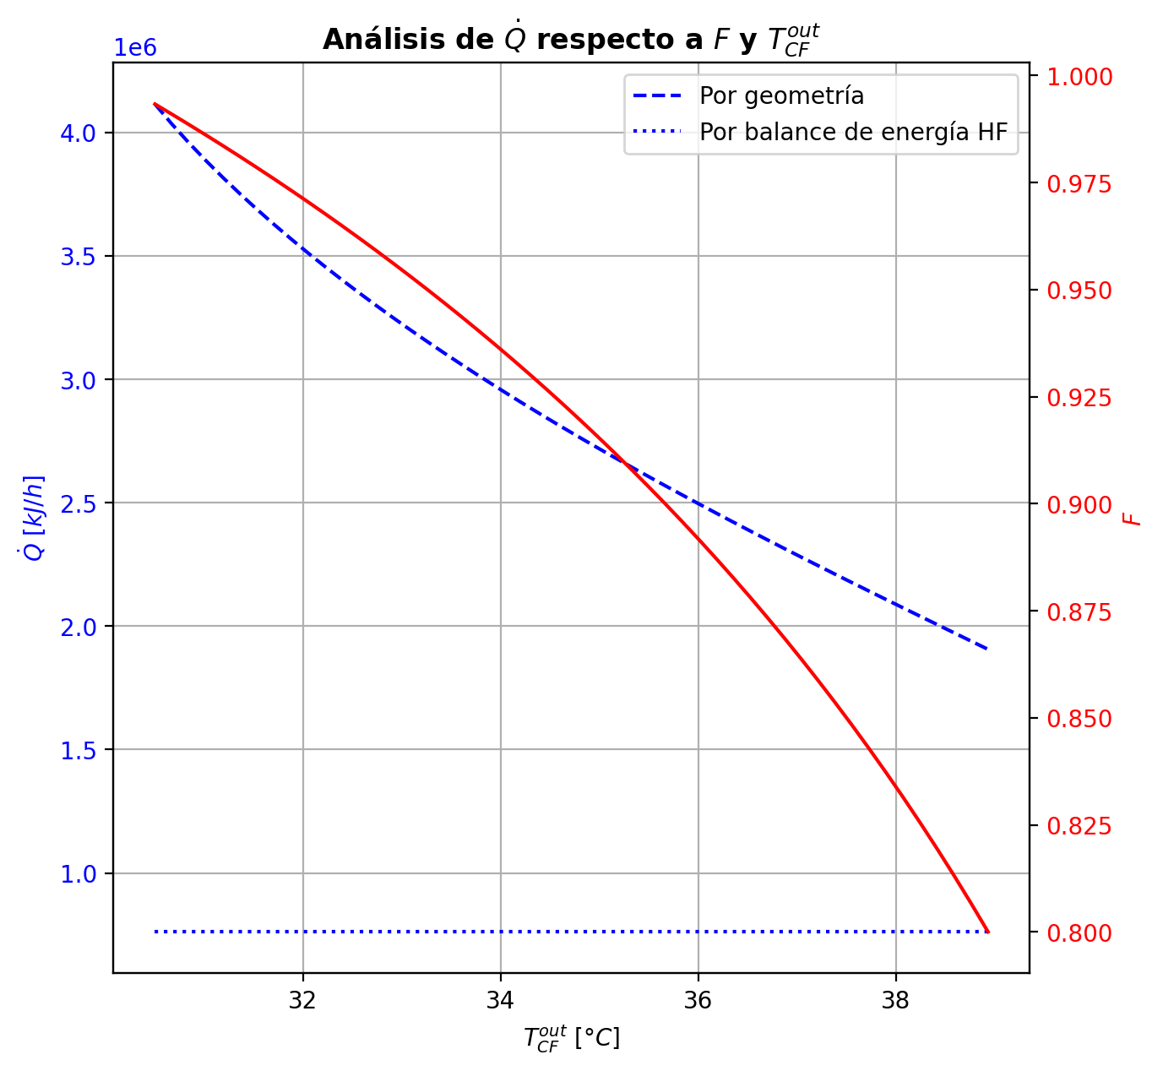
Etapas |  |  |  |  |  |  |  |  |  |  |  |  |  |  |  |  |  |  |  |  |  |  |  |  |  |  |  |  |  |  |  |  |  |  |  |  |  |  |  |  |  |  |  |  |  |  |  |  |  |  |  |  | Real | Simulación T [°C] |  | Ubicación
Ubicación de etapa |  |  |  | Flujos (cumplir balances de matería y energía ME) |  |  |  |  |  | Área R | Transferencia de masa RM |  |  |  |  |  |  |  |  |  |  |  |  |  |  |  |  |  |  | Transferencia de energía RE, cumplir equilibrio Q |  |  |  |  |  |  |  |  |  |  |  |  |  |  |  |  |  | Hidráulica H |  |  |  |  |  | g | l | Etapa | Posición [m]
Zona | s | z top [m] | z lower [m] | Fg [kmol/h] | Fl [kmol/h] | V [kmol/h] | L [kmol/h] | Vb [kmol/h] | Lb [kmol/h] | aefAtrZ [m2] | ya molar en Fg | xa molar en Fl | ya molar en V | yab molar | yaI molar | xaI molar | xab molar | xa molar en L | kbmg [m/h] | kbml [m/h] | Na [kmol/h] | Nw [kmol/h] | Nt [kmol/h] | Jag [kmol/h] | Γg,b≈1 | Ntyab [kmol/h] | Jal [kmol/h] | Γl,b | Ntxab [kmol/h] | Tg en Fg [°C] | Tl en Fl [°C] | Tg [°C] | Tg,b [°C] | TI [°C] | Tl,b [°C] | Tl [°C] | khg [kJ/h·m2·°C] | khl [kJ/h·m2·°C] | E [kJ/h] | Qg [kJ/h] | ΣNiĥig,b [kJ/h] | Ql [kJ/h] | ΣNiĥil,b [kJ/h] | hg en Fg [kJ/kmol] | hl en Fl [kJ/kmol] | hg en V [kJ/kmol] | hl en L [kJ/kmol] | P en Fg [bar] | P en Fl [bar] | P [bar] |  | TT1 [°C] | 199.1919 | - | 197.31211028 | 36 | 10.2497
Rectificación | 2 | 9.6416 | 9.5304235294 | - | - | 36.827508352 | 24.654846145 | 35.860116408 | 24.654846145 | 9.1726692443 | - | - | 0.98184851042 | 0.97306266128 | 0.99988041351 | 0.94271343104 | 0.95698019761 | 0.95698019761 | 4.4157715697 | 0.14126890566 | -2.5127891031 | 0.57800521665 | -1.9347838864 | -0.63012314554 | 1 | -1.8826659575 | -0.66123923711 | 1.0144374949 | -1.851549866 | - | - | 61.305792039 | 67.787373587 | 40.533173382 | 40.427286895 | 40.427286895 | 92.288414183 | 3622.3357863 | -4438.3878937 | 23071.528035 | -27509.915929 | 3518.2360843 | -7956.623978 | - | - | -49351.287562 | -75729.863924 | - | - | 14.6937395 |  | TT2 [°C] | 197.4653 | 197.30521805 | 197.30993811 | 32 | 8.7696
Rectificación | 3 | 9.5304235294 | 9.4192470588 | - | - | 34.892724465 | 21.888030617 | 33.509316701 | 21.888030617 | 9.1787130187 | - | - | 0.96427681215 | 0.94726734126 | 0.99966727469 | 0.87741261983 | 0.90612693305 | 0.90612693305 | 4.3370039541 | 0.12051969148 | -3.7608654824 | 0.99404995455 | -2.7668155279 | -1.1399514936 | 1 | -2.6209139889 | -1.2537794139 | 1.0834922435 | -2.5070860686 | - | - | 74.268955135 | 83.81024224 | 43.926291032 | 43.704910984 | 43.704910984 | 83.187057389 | 3044.5160288 | -43817.33201 | 30453.395996 | -74270.728006 | 6186.407641 | -50003.739651 | - | - | -52214.992399 | -87304.587108 | - | - | 14.693751955 |  | TT3 [°C] | 191.5738 | 196.81115208 | 196.26830698 | 24 | 5.5946
Rectificación | 4 | 9.4192470588 | 9.3080705882 | - | - | 32.125908937 | 18.4108146 | 30.387300928 | 18.4108146 | 9.1872929996 | - | - | 0.93025787038 | 0.89765431507 | 0.99862931389 | 0.74708840124 | 0.80010191391 | 0.80010191391 | 4.2083858376 | 0.097556338673 | -5.1028060557 | 1.6255900382 | -3.4772160175 | -1.9814680932 | 1 | -3.1213379625 | -2.320678865 | 1.2605955069 | -2.7821271907 | - | - | 93.351529345 | 106.4238948 | 53.044695202 | 52.426836232 | 52.426836232 | 74.73763737 | 2437.8972305 | -134249.72907 | 36652.110661 | -170901.83974 | 13838.60512 | -148088.33419 | - | - | -58075.887546 | -111085.53582 | - | - | 14.693763563 |  | TT4 [°C] | 46.5833 | 171.35987724 | 170.33421747 | 10 | 3.9246
Rectificación | 5 | 9.3080705882 | 9.1968941176 | - | - | 28.64869292 | 15.348781902 | 27.117676571 | 15.348781902 | 9.1399026179 | - | - | 0.86505075976 | 0.80728292395 | 0.98732308437 | 0.52842399907 | 0.59454505065 | 0.59454505065 | 4.0375816167 | 0.091497622821 | -5.6049856846 | 2.5429529868 | -3.0620326978 | -3.133058975 | 1 | -2.4719267095 | -3.7844692992 | 1.6191553847 | -1.8205163854 | - | - | 119.49626026 | 132.57933087 | 79.176099003 | 77.609034624 | 77.609034624 | 66.129508513 | 1950.3067208 | -341361.89475 | 32277.835507 | -373639.73026 | 27933.88394 | -369295.77869 | - | - | -69810.877914 | -155487.06827 | - | - | 14.693773938 |  | TT5 [°C] | 94.2881 | 61.305792039 | - | 1 | 0
Rectificación | 6 | 9.1968941176 | 9.0857176471 | - | - | 25.586660222 | 14.228359834 | 25.026449188 | 14.228359834 | 8.96021832 | - | - | 0.74951508815 | 0.68279636585 | 0.89388131938 | 0.30326473468 | 0.35289076384 | 0.35289076384 | 3.9343156559 | 0.12209665486 | -4.1044855431 | 2.9840634756 | -1.1204220674 | -3.3394654272 | 1 | -0.76502011586 | -3.7090989438 | 1.524272103 | -0.3953865992 | - | - | 145.66240148 | 153.29713017 | 121.10640496 | 118.60619531 | 118.60619531 | 60.314836191 | 1836.6763523 | -526503.63899 | 17396.965612 | -543900.6046 | 41146.003096 | -567649.64208 | - | - | -91506.756969 | -204734.82343 | - | - | 14.693783032
Rectificación | 7 | 9.0857176471 | 8.9745411765 | - | - | 24.466238154 | 14.15014667 | 24.427131572 | 14.15014667 | 8.8419622717 | - | - | 0.61607764354 | 0.57308590398 | 0.71003123024 | 0.17554626722 | 0.20324200291 | 0.20324200291 | 3.9516986708 | 0.14950176889 | -2.1451526195 | 2.0669394555 | -0.078213164021 | -2.1003297577 | 1 | -0.044822861806 | -2.1292564194 | 1.2665591655 | -0.015896200109 | - | - | 160.93185886 | 164.23507153 | 149.8840047 | 148.01293034 | 148.01293034 | 58.175029073 | 1974.2649079 | -398222.12653 | 7381.9220272 | -405604.04855 | 32662.177134 | -430884.30366 | - | - | -117216.87329 | -234009.08429 | - | - | 14.693791468 |  |  |  | Rectificación | Agotamiento |  | Simbología
Rectificación | 8 | 8.9745411765 | 8.8633647059 | - | - | 24.38802499 | 14.207232203 | 24.416567757 | 14.207232203 | 8.8318610814 | - | - | 0.53009416442 | 0.50995511688 | 0.57391018403 | 0.12267606907 | 0.13525240844 | 0.13525240844 | 3.9995606043 | 0.15923269153 | -0.95434177785 | 1.0114273109 | 0.057085533045 | -0.98345283753 | 1 | 0.029111059676 | -0.96206273369 | 1.171378899 | 0.0077209558316 | - | - | 167.53828421 | 168.8436541 | 163.1042582 | 162.21075378 | 162.21075378 | 57.735667208 | 2115.6047959 | -199426.23421 | 2926.5948343 | -202352.82904 | 16694.886687 | -216121.1209 | - | - | -133921.38418 | -247105.77324 | - | - | 14.693799856 |  | Transferencia de masa | Na [kmol/h] | -24.824669062 | -11.334330796 |  | l-v
Rectificación | 9 | 8.8633647059 | 8.7521882353 | - | - | 24.445110523 | 14.238502992 | 24.460745918 | 14.238502992 | 8.8420452081 | - | - | 0.48981606934 | 0.48157141682 | 0.50767245111 | 0.10256432612 | 0.1076855334 | 0.1076855334 | 4.027005033 | 0.16223958533 | -0.3882815834 | 0.41955237148 | 0.031270788076 | -0.40334070112 | 1 | 0.015059117719 | -0.3916489949 | 1.141352989 | 0.0033674114938 | - | - | 170.14902399 | 170.65402884 | 168.4248366 | 168.06451227 | 168.06451227 | 57.654184552 | 2179.1587726 | -83105.95608 | 1136.3996381 | -84242.355718 | 6942.8086242 | -90048.764704 | - | - | -141766.76743 | -252399.7823 | - | - | 14.693808354 |  |  | Nw [kmol/h] | 12.405324637 | 16.691792534 |  | v-l
Rectificación | 10 | 8.7521882353 | 8.6410117647 | - | - | 24.476381312 | 14.250319376 | 24.482289504 | 14.250319376 | 8.8484481968 | - | - | 0.47332676429 | 0.47012518911 | 0.4802454243 | 0.094992371293 | 0.096985348336 | 0.096985348336 | 4.0385516884 | 0.16319505532 | -0.15120860085 | 0.16302498536 | 0.011816384506 | -0.15676378085 | 1 | 0.0055551800005 | -0.15235461702 | 1.1304465958 | 0.0011460161674 | - | - | 171.15903368 | 171.35987724 | 170.47212451 | 170.33421747 | 170.33421747 | 57.630138142 | 2204.9454024 | -32266.686553 | 452.69822264 | -32719.384776 | 2690.6138628 | -34957.300416 | - | - | -144981.00063 | -254454.77018 | - | - | 14.693816919 |  |  | Nt [kmol/h] | -12.419344425 | 5.3574617375
Rectificación | 11 | 8.6410117647 | 8.5298352941 | - | - | 24.488197696 | 14.253771787 | 24.489923901 | 14.253771787 | 8.8512864353 | - | - | 0.46692361393 | 0.46570967366 | 0.4695446065 | 0.092142020607 | 0.09290322729 | 0.09290322729 | 4.0431104771 | 0.16351108553 | -0.057850788542 | 0.061303199325 | 0.0034524107827 | -0.059458609641 | 1 | 0.001607821099 | -0.058171528646 | 1.1263273718 | 0.00032074010364 | - | - | 171.56072079 | 171.65183648 | 171.2489325 | 171.1968127 | 171.1968127 | 57.618791074 | 2214.8096907 | -12057.588612 | 205.48119818 | -12263.06981 | 1021.7521425 | -13079.340755 | - | - | -146228.68475 | -255239.06127 | - | - | 14.693825513 |  |  | Jag [kmol/h] | -13.930598571 | -12.874671726
Rectificación | 12 | 8.5298352941 | 8.4186588235 | - | - | 24.491650107 | 14.253492211 | 24.491510319 | 14.253492211 | 8.8524792463 | - | - | 0.4644957334 | 0.46404805395 | 0.46546199477 | 0.091069083173 | 0.09135746895 | 0.09135746895 | 4.0450205019 | 0.16360658329 | -0.022058427925 | 0.021778852348 | -0.00027957557722 | -0.021928691423 | 1 | -0.00012973650254 | -0.022032886608 | 1.1247691496 | -2.5541317115E-05 | - | - | 171.74295216 | 171.80161295 | 171.54221099 | 171.52257061 | 171.52257061 | 57.610608322 | 2218.3243454 | -4162.8542174 | 132.2941436 | -4295.148361 | 385.69140997 | -4548.5456273 | - | - | -146700.38621 | -255536.12621 | - | - | 14.693834117 |  |  | Ntyab [kmol/h] | -10.894070491 | 1.5403409294
Rectificación | 13 | 8.4186588235 | 8.3074823529 | - | - | 24.491370531 | 14.250888583 | 24.490068717 | 14.250888583 | 8.8530458405 | - | - | 0.46360037451 | 0.46345078716 | 0.46392321323 | 0.090666729178 | 0.090775357755 | 0.090775357755 | 4.046040638 | 0.16361272396 | -0.0085334626893 | 0.0059298342414 | -0.0026036284478 | -0.0073268090357 | 1 | -0.0012066536536 | -0.0082971173854 | 1.12418242 | -0.00023634530381 | - | - | 171.86027373 | 171.92104671 | 171.65232819 | 171.64495518 | 171.64495518 | 57.601490073 | 2219.2609592 | -929.29641918 | 137.03264067 | -1066.3290599 | 144.85929904 | -1074.1557182 | - | - | -146872.03312 | -255648.02222 | - | - | 14.693842727 |  |  | Jal [kmol/h] | -15.457106617 | -11.822023816
Rectificación | 14 | 8.3074823529 | 8.1963058824 | - | - | 24.488766903 | 14.245934735 | 24.486289979 | 14.245934735 | 8.8534343732 | - | - | 0.46330119981 | 0.46327594539 | 0.46335570543 | 0.090518629119 | 0.090559009365 | 0.090559009365 | 4.0469040935 | 0.16356868315 | -0.0035317723625 | -0.0014220756086 | -0.0049538479712 | -0.0012367737604 | 1 | -0.0022949986022 | -0.0030831567977 | 1.1239645159 | -0.00044861556482 | - | - | 171.98181969 | 172.06628075 | 171.69289496 | 171.69017147 | 171.69017147 | 57.588510982 | 2218.9861124 | 673.66816722 | 190.37302388 | 483.29514334 | 53.50463943 | 620.16352779 | - | - | -146925.59631 | -255689.63221 | - | - | 14.693851339 |  |  | Ntxab [kmol/h] | -9.3675624446 | 0.48769301999
Rectificación | 15 | 8.1963058824 | 8.0851294118 | - | - | 24.483813055 | 14.237745995 | 24.479718685 | 14.237745995 | 8.8538577379 | - | - | 0.46325069098 | 0.46329088375 | 0.46316393485 | 0.090468628095 | 0.090482846384 | 0.090482846384 | 4.0479928957 | 0.16347845989 | -0.0018259533707 | -0.0063627867425 | -0.0081887401133 | 0.0019678152731 | 1 | -0.0037937686438 | -0.001085012857 | 1.1238880972 | -0.00074094051375 | - | - | 172.1507418 | 172.28063623 | 171.70661188 | 171.70567783 | 171.70567783 | 57.568473186 | 2217.8814079 | 1884.7300898 | 292.58197095 | 1592.1481188 | 18.341742513 | 1866.3883473 | - | - | -146927.80916 | -255704.31473 | - | - | 14.693859954 |  | Transferencia de energía | E [kJ/h] | -1760709.3659 | -3489567.8008
Rectificación | 16 | 8.0851294118 | 7.9739529412 | - | - | 24.475624315 | 14.224600245 | 24.46905144 | 14.224600245 | 8.8544580579 | - | - | 0.46333107651 | 0.46342544116 | 0.46312734972 | 0.090459104016 | 0.090462839959 | 0.090462839959 | 4.0496196785 | 0.16332730561 | -0.0014740482377 | -0.011671701258 | -0.013145749496 | 0.0046180265216 | 1 | -0.0060920747593 | -0.00028484640493 | 1.1238685332 | -0.0011892018328 | - | - | 172.41053065 | 172.61580204 | 171.70924792 | 171.70904503 | 171.70904503 | 57.536898765 | 2215.8715744 | 3305.7297999 | 461.85130092 | 2843.878499 | 3.9806341357 | 3301.7491658 | - | - | -146899.96201 | -255708.23013 | - | - | 14.693868571 |  |  | Qg [kJ/h] | 155071.19621 | 29680.308375
Rectificación | 17 | 7.9739529412 | 7.8627764706 | - | - | 24.462478565 | 14.203641148 | 24.451999017 | 14.203641148 | 8.8553863965 | - | - | 0.4635198058 | 0.46368159541 | 0.46317039986 | 0.090470346019 | 0.090469164461 | 0.090469164461 | 4.052171367 | 0.16308394791 | -0.0018061884601 | -0.019152908378 | -0.020959096838 | 0.0079121589999 | 1 | -0.00971834746 | 8.9963518704E-05 | 1.1238758888 | -0.0018961519788 | - | - | 172.82107342 | 173.14783963 | 171.70619878 | 171.70636059 | 171.70636059 | 57.486974562 | 2212.5788591 | 5375.0837613 | 733.89520632 | 4641.188555 | -3.1704024871 | 5378.2541638 | - | - | -146843.76902 | -255707.12688 | - | - | 14.693877194 |  |  | ΣNiĥig,b [kJ/h] | -1915780.5621 | -3519248.1092
Rectificación | 18 | 7.8627764706 | 7.7516 | - | - | 24.441519468 | 14.170285606 | 24.424841697 | 14.170285606 | 8.8568552027 | - | - | 0.46384338503 | 0.46410558782 | 0.46327683276 | 0.090498119776 | 0.090493559032 | 0.090493559032 | 4.0562235409 | 0.16269577701 | -0.0026719700028 | -0.030683572184 | -0.033355542187 | 0.012808523511 | 1 | -0.015480493514 | 0.00034649172315 | 1.1239020513 | -0.0030184617259 | - | - | 173.47460584 | 173.99623985 | 171.69862393 | 171.69906408 | 171.69906408 | 57.40816709 | 2207.3057809 | 8593.1476604 | 1168.2361952 | 7424.9114651 | -8.6048614617 | 8601.7525219 | - | - | -146749.77442 | -255702.6176 | - | - | 14.693885824 |  |  | Ql [kJ/h] | 153229.97679 | 359492.70733
Agotamiento | 19 | 6.8706 | 6.6358941176 | - | 48.062545973 | 24.408163926 | 65.594582398 | 26.089039336 | 65.594582398 | 14.909636137 | - | 0.209146 | 0.46436779062 | 0.37343423906 | 0.54318181697 | 0.11299666197 | 0.11959926236 | 0.11959926236 | 4.4057672186 | 0.73338437974 | -3.4893451478 | 6.8510959667 | 3.3617508189 | -4.7447380067 | 1 | 1.255392859 | -3.8914080659 | 1.1551541314 | 0.40206291817 | - | 117.73393757 | 174.51787386 | 179.89106618 | 165.64391999 | 164.42101931 | 164.42101931 | 60.666065622 | 9867.168066 | -1477628.2431 | 12886.671447 | -1490514.9146 | 179908.11629 | -1657536.3594 | - | -235341.43727 | -146598.25833 | -250205.35863 | - | 18.6326 | 14.693894466 |  |  | ΣNiĥil,b [kJ/h] | -1913939.3426 | -3849060.5081
Agotamiento | 20 | 6.6358941176 | 6.4011882353 | - | - | 27.769914745 | 66.523034071 | 28.234140581 | 66.523034071 | 15.138061843 | - | - | 0.28250068751 | 0.21785428358 | 0.33547321204 | 0.060418190911 | 0.06609529453 | 0.06609529453 | 4.8923270861 | 0.79067844248 | -3.4482041394 | 4.3766558118 | 0.92845167235 | -3.6504713133 | 1 | 0.20226717392 | -3.5095704262 | 1.0973247812 | 0.061366286741 | - | - | 185.2642585 | 188.3068392 | 180.09779866 | 179.58981403 | 179.58981403 | 64.631268524 | 10758.576922 | -894913.04877 | 8031.6607421 | -902944.70951 | 82732.409488 | -977645.45826 | - | - | -182061.1482 | -260165.96061 | - | - | 14.693924827
Agotamiento | 21 | 6.4011882353 | 6.1664823529 | - | - | 28.698366417 | 67.053102391 | 28.963400578 | 67.053102391 | 15.26670249 | - | - | 0.15320787965 | 0.11567869571 | 0.18288151333 | 0.030652918779 | 0.034066008656 | 0.034066008656 | 5.0963202978 | 0.81353652933 | -2.1126279634 | 2.6426962836 | 0.53006832019 | -2.1739455754 | 1 | 0.061317611918 | -2.1306852754 | 1.058094803 | 0.018057311984 | - | - | 191.3494199 | 192.88825339 | 188.62120626 | 188.34470729 | 188.34470729 | 65.994227415 | 11338.904727 | -540206.59314 | 4299.1107274 | -544505.70386 | 47864.095949 | -588070.68909 | - | - | -207354.50673 | -266165.69582 | - | - | 14.693960256 |  | Hidráulica | ΔP [bar] en C-1 | 0.12335962752
Agotamiento | 22 | 6.1664823529 | 5.9317764706 | - | - | 29.228434738 | 67.330159138 | 29.366963111 | 67.330159138 | 15.348386143 | - | - | 0.078149511777 | 0.058484142351 | 0.093352826493 | 0.015174822373 | 0.017011851009 | 0.017011851009 | 5.209437089 | 0.82219723227 | -1.1388209308 | 1.4158776782 | 0.27705674741 | -1.1550243571 | 1 | 0.016203426255 | -1.1435341789 | 1.0318233644 | 0.004713248108 | - | - | 194.42708687 | 195.1731178 | 193.04837284 | 192.90922068 | 192.90922068 | 67.07737321 | 11677.717846 | -289614.76708 | 2187.4874648 | -291802.25454 | 24940.813805 | -314555.58088 | - | - | -222076.2851 | -269371.86328 | - | - | 14.693997665
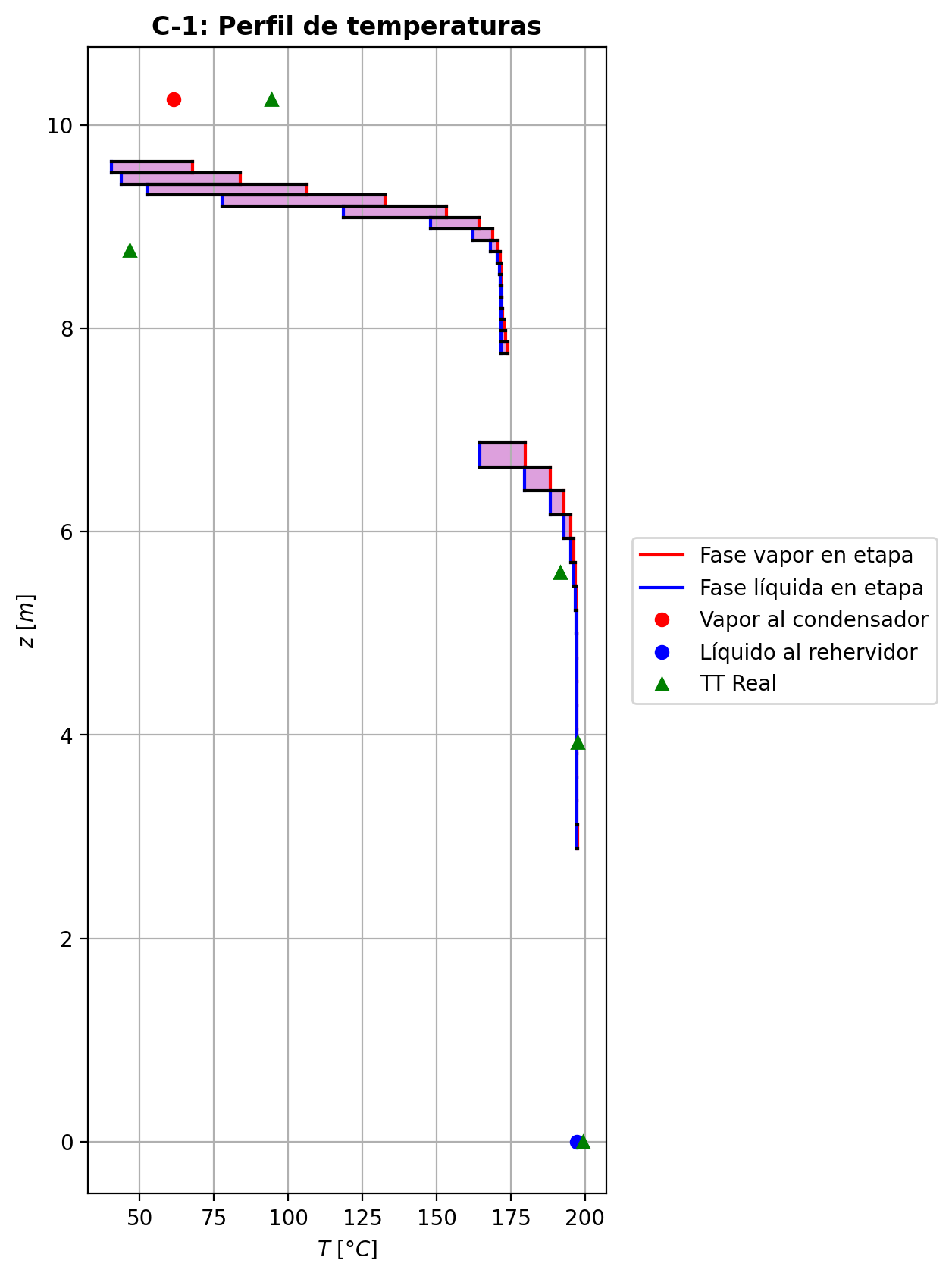
Agotamiento | 23 | 5.9317764706 | 5.6970705882 | - | - | 29.505491485 | 67.46610008 | 29.573461956 | 67.46610008 | 15.39302838 | - | - | 0.038818772924 | 0.02894632368 | 0.046356862147 | 0.0074430651579 | 0.0083808108256 | 0.0083808108256 | 5.2673067432 | 0.82543729435 | -0.57999001375 | 0.71593095567 | 0.13594094192 | -0.58392500426 | 1 | 0.0039349905063 | -0.58112930907 | 1.0164747261 | 0.0011392953177 | - | - | 195.91914873 | 196.27837712 | 195.23478798 | 195.16723343 | 195.16723343 | 67.825620803 | 11858.930998 | -146439.54199 | 1089.5505888 | -147529.09258 | 12331.736525 | -158771.27851 | - | - | -229806.60994 | -270999.65675 | - | - | 14.694036135
Agotamiento | 24 | 5.6970705882 | 5.4623647059 | - | - | 29.641432427 | 67.531912109 | 29.674338441 | 67.531912109 | 15.415784036 | - | - | 0.019073874436 | 0.01420158331 | 0.02277025231 | 0.0036375979085 | 0.0041045961315 | 0.0041045961315 | 5.2956994429 | 0.82672411601 | -0.28822939672 | 0.35404142527 | 0.065812028548 | -0.28916403172 | 1 | 0.0009346350062 | -0.28849952852 | 1.0082741684 | 0.00027013179779 | - | - | 196.63760552 | 196.81115208 | 196.30093576 | 196.26830698 | 196.26830698 | 68.271838899 | 11951.455306 | -72409.763165 | 536.98426866 | -72946.747433 | 6011.5597276 | -78421.322892 | - | - | -233693.04206 | -271807.78915 | - | - | 14.694075135
Agotamiento | 25 | 5.4623647059 | 5.2276588235 | - | - | 29.707244456 | 67.563801504 | 29.723189153 | 67.563801504 | 15.427080061 | - | - | 0.0093292921835 | 0.0069413948392 | 0.011135043548 | 0.0017749981194 | 0.0020049306016 | 0.0020049306016 | 5.309494471 | 0.8272748369 | -0.141730492 | 0.17361988758 | 0.031889395582 | -0.14195184889 | 1 | 0.00022135688592 | -0.14179442803 | 1.0040923386 | 6.3936025069E-05 | - | - | 196.98469864 | 197.06886526 | 196.81987244 | 196.80407089 | 196.80407089 | 68.514153412 | 11997.602341 | -35507.259954 | 263.17876639 | -35770.43872 | 2924.6768804 | -38431.936834 | - | - | -235612.77413 | -272205.0355 | - | - | 14.694114388
Agotamiento | 26 | 5.2276588235 | 4.9929529412 | - | - | 29.739133851 | 67.579298026 | 29.746882112 | 67.579298026 | 15.43262995 | - | - | 0.004553497495 | 0.0033866971664 | 0.0054344378555 | 0.00086543867615 | 0.00097804909952 | 0.00097804909952 | 5.3161923015 | 0.82752466953 | -0.069364861617 | 0.084861383345 | 0.015496521728 | -0.069417343644 | 1 | 5.2482026225E-05 | -0.069380017976 | 1.0020086093 | 1.5156359122E-05 | - | - | 197.15303188 | 197.19394879 | 197.07257237 | 197.06489758 | 197.06489758 | 68.639001547 | 12020.353229 | -17354.947659 | 128.57165423 | -17483.519313 | 1423.7161027 | -18778.663761 | - | - | -236554.08302 | -272399.42515 | - | - | 14.694153763
Agotamiento | 27 | 4.9929529412 | 4.7582470588 | - | - | 29.754630373 | 67.586849814 | 29.758406267 | 67.586849814 | 15.435345031 | - | - | 0.0022198968378 | 0.001650533873 | 0.002649432612 | 0.00042173200885 | 0.00047674462274 | 0.00047674462274 | 5.319445008 | 0.82764240167 | -0.033874204364 | 0.041425991949 | 0.0075517875848 | -0.033886668845 | 1 | 1.246448121E-05 | -0.033877804638 | 1.0009820267 | 3.6002741231E-06 | - | - | 197.23486569 | 197.25476244 | 197.19571752 | 197.19198233 | 197.19198233 | 68.701608577 | 12031.50778 | -8472.4512499 | 62.613175308 | -8535.0644253 | 693.66386198 | -9166.1151119 | - | - | -237014.15199 | -272494.34523 | - | - | 14.694193196
Agotamiento | 28 | 4.7582470588 | 4.5235411765 | - | - | 29.76218216 | 67.5905453 | 29.764029904 | 67.5905453 | 15.436670948 | - | - | 0.0010811709081 | 0.00080351504324 | 0.001290558333 | 0.00020538425381 | 0.0002322265873 | 0.0002322265873 | 5.3210228207 | 0.82769934539 | -0.016525345548 | 0.020220832225 | 0.0036954866773 | -0.016528314927 | 1 | 2.9693791373E-06 | -0.016526203738 | 1.0004790551 | 8.5819025946E-07 | - | - | 197.27465918 | 197.28428114 | 197.2557801 | 197.25395952 | 197.25395952 | 68.732625053 | 12036.964603 | -4136.4423355 | 30.239683083 | -4166.6820185 | 338.28353955 | -4474.725875 | - | - | -237238.68427 | -272540.64524 | - | - | 14.694232658
Agotamiento | 29 | 4.5235411765 | 4.2888352941 | - | - | 29.765877647 | 67.592373307 | 29.76679165 | 67.592373307 | 15.437318303 | - | - | 0.00052585917842 | 0.00039049824692 | 0.00062791916439 | 9.99189942E-05 | 0.00011300852208 | 0.00011300852208 | 5.3217847881 | 0.82772762589 | -0.0080578074573 | 0.0098858137826 | 0.0018280063253 | -0.0080585212906 | 1 | 7.1383326541E-07 | -0.0080580140376 | 1.0002332894 | 2.0658029318E-07 | - | - | 197.2939031 | 197.29842023 | 197.28511316 | 197.28422437 | 197.28422437 | 68.747982536 | 12039.634942 | -2023.802343 | 14.122581484 | -2037.9249245 | 165.19104569 | -2188.9933887 | - | - | -237348.19658 | -272563.21578 | - | - | 14.694272134
Agotamiento | 30 | 4.2888352941 | 4.0541294118 | - | - | 29.767705653 | 67.593310317 | 29.768174159 | 67.593310317 | 15.437635028 | - | - | 0.00025513731543 | 0.00018915665941 | 0.00030488104711 | 4.8512431676E-05 | 5.4893659097E-05 | 5.4893659097E-05 | 5.3221478932 | 0.8277423664 | -0.0039280700774 | 0.0048650808961 | 0.00093701081865 | -0.0039282473193 | 1 | 1.7724183628E-07 | -0.0039281215134 | 1.0001133593 | 5.1435952449E-08 | - | - | 197.30293736 | 197.30476234 | 197.29947322 | 197.29903823 | 197.29903823 | 68.755739719 | 12040.947844 | -998.7526799 | 5.6140177283 | -1004.3666976 | 80.857451448 | -1079.6101314 | - | - | -237401.60776 | -272574.21329 | - | - | 14.694311617
Agotamiento | 31 | 4.0541294118 | 3.8194235294 | - | - | 29.768642664 | 67.593850415 | 29.768912713 | 67.593850415 | 15.437791513 | - | - | 0.00012317600338 | 9.1016501252E-05 | 0.0001474203282 | 2.3456847687E-05 | 2.656730541E-05 | 2.656730541E-05 | 5.3223135664 | 0.82775101158 | -0.0019146576659 | 0.0024547554349 | 0.00054009776892 | -0.0019147068238 | 1 | 4.9157809261E-08 | -0.0019146720149 | 1.0000548727 | 1.4348942378E-08 | - | - | 197.30658733 | 197.30668767 | 197.30653671 | 197.30632282 | 197.30632282 | 68.75999154 | 12041.605154 | -509.19740879 | 0.16023809954 | -509.35764689 | 39.761972166 | -548.95938096 | - | - | -237427.6857 | -272579.56852 | - | - | 14.694351102
Agotamiento | 32 | 3.8194235294 | 3.5847176471 | - | - | 29.769182762 | 67.594271832 | 29.76939347 | 67.594271832 | 15.437871885 | - | - | 5.885699912E-05 | 4.3182738563E-05 | 7.0673127363E-05 | 1.1245059398E-05 | 1.2761113962E-05 | 1.2761113962E-05 | 5.3223767802 | 0.82775761266 | -0.0009332082618 | 0.0013546246456 | 0.00042141638382 | -0.00093322645972 | 1 | 1.8197913529E-08 | -0.00093321363954 | 1.0000263592 | 5.3777424994E-09 | - | - | 197.30678801 | 197.30521805 | 197.31004427 | 197.30993811 | 197.30993811 | 68.76296722 | 12041.956105 | -290.94446256 | -5.1232906743 | -285.82117188 | 19.734623282 | -310.67908584 | - | - | -237440.48293 | -272582.1734 | - | - | 14.694390589
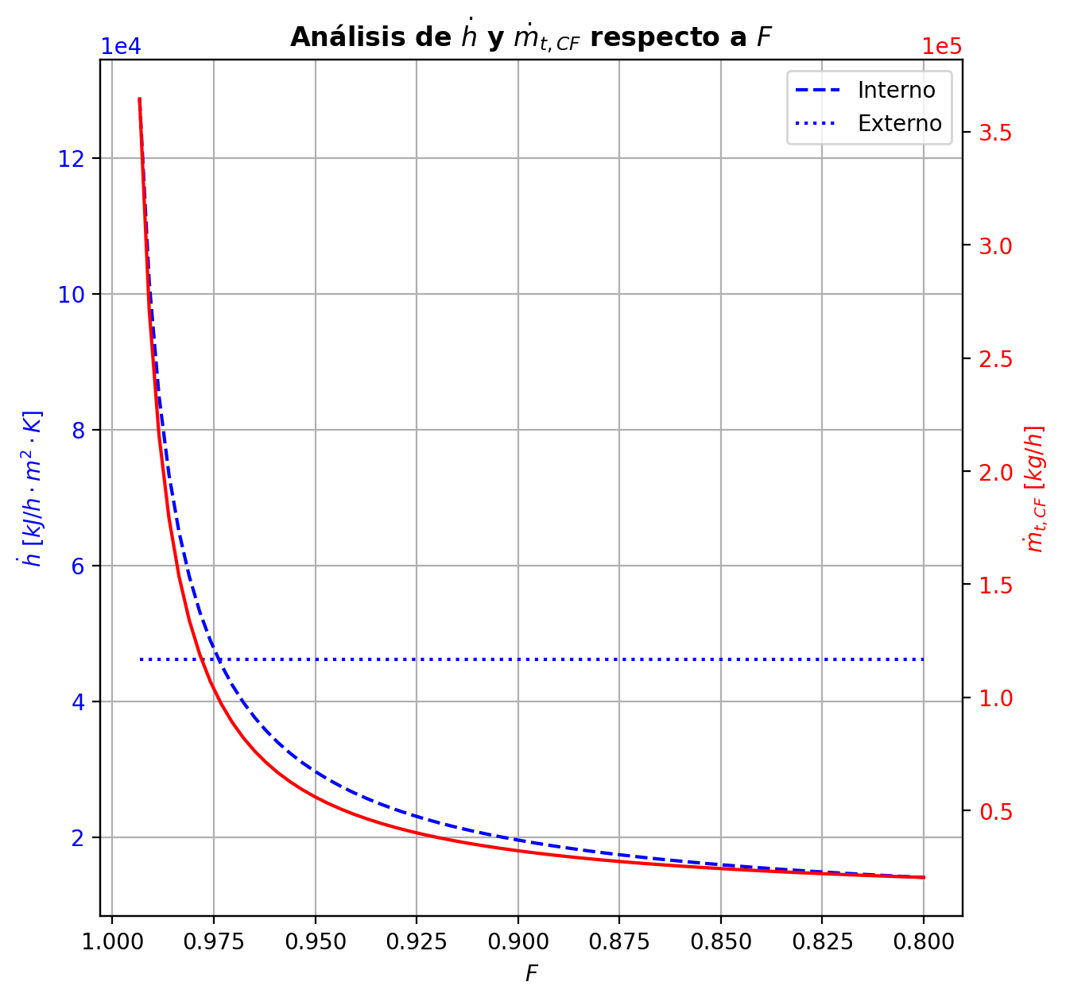
Agotamiento | 33 | 3.5847176471 | 3.3500117647 | - | - | 29.769604178 | 67.594785623 | 29.769861074 | 67.594785623 | 15.437919188 | - | - | 2.7508478007E-05 | 1.9869115301E-05 | 3.3267308358E-05 | 5.2932567398E-06 | 6.0321647296E-06 | 6.0321647296E-06 | 5.3223774929 | 0.82776505971 | -0.00045483532429 | 0.00096862699724 | 0.00051379167296 | -0.00045484553287 | 1 | 1.0208585991E-08 | -0.00045483842356 | 1.0000124605 | 3.099276008E-09 | - | - | 197.3036481 | 197.29959633 | 197.3118188 | 197.31176515 | 197.31176515 | 68.766198025 | 12042.184469 | -225.51192891 | -12.975460812 | -212.5364681 | 9.9741554328 | -235.48608434 | - | - | -237446.89495 | -272583.43772 | - | - | 14.694430077
Agotamiento | 34 | 3.3500117647 | 3.1153058824 | - | - | 29.77011797 | 67.595646368 | 29.770548342 | 67.595646368 | 15.437958479 | - | - | 1.2229752596E-05 | 8.5065067504E-06 | 1.5036374423E-05 | 2.392475968E-06 | 2.75260424E-06 | 2.75260424E-06 | 5.3223224902 | 0.82777661715 | -0.00022167881894 | 0.0010824230864 | 0.00086074426745 | -0.00022168614087 | 1 | 7.3219269215E-09 | -0.00022168118823 | 1.0000056861 | 2.3692883202E-09 | - | - | 197.29554456 | 197.28693202 | 197.3127487 | 197.31272064 | 197.31272064 | 68.771319529 | 12042.406869 | -275.92146495 | -27.409279478 | -248.51218547 | 5.2172252189 | -281.13869017 | - | - | -237450.37205 | -272584.04866 | - | - | 14.694469564
Agotamiento | 35 | 3.1153058824 | 2.8806 | 29.765625664 | - | 29.770978714 | 67.590293317 | 29.768302189 | 67.590293317 | 15.437914855 | 1.1543182511E-06 | - | 4.7832609049E-06 | 2.968789578E-06 | 6.1515834024E-06 | 9.7879369244E-07 | 1.1543182511E-06 | 1.1543182511E-06 | 5.3245922703 | 0.82771201302 | -0.00010804335363 | -0.005245007331 | -0.0053530506846 | -0.00010802746154 | 1 | -1.5892081083E-08 | -0.0001080371745 | 1.0000023845 | -6.1791241045E-09 | 197.70614346 | - | 197.27831949 | 197.49223148 | 197.31326694 | 197.31325134 | 197.31325134 | 68.715921549 | 12041.48922 | 1439.3879288 | 189.85105025 | 1249.5368785 | 2.8986823618 | 1436.4892464 | -237447.1211 | - | -237452.77497 | -272584.34113 | 14.817099128 | - | 14.694509051

